L3MBTL2 _multivariate
Reported by Tex Li-Hsing Chi. tex@gate.sinica.edu.tw 2019-08-18

Table 2. The clinicopathological features of HNSCC cohort and L3MBTL2 expression. (Chi square test)
Cutoff at -0.146 (49.8%)
 |  | L3MBTL2 expression |  | L3MBTL2 expression |  | (Optimised)
 | Features | Low | (%) | High | (%) | Case no | P-value | Remark | Matthews
Gender | Female | 151 | 36.4 | 155 | 37.3 | 415 | 0.8007 | 0 | 0
2 | Male | 56 | 13.5 | 53 | 12.8
Age at diagnosis | <=65y | 137 | 33 | 137 | 33 | 415 | 1 | 0 | 0
4 | >65y | 70 | 16.9 | 71 | 17.1
Clinical T Status | T1+T2 | 58 | 14 | 91 | 21.9 | 415 | 0.0012 | 1 | 0
6 | T3+T4 | 149 | 35.9 | 117 | 28.2
Clinical N Status | N0 | 105 | 25.3 | 111 | 26.7 | 415 | 0.6598 | 0 | 0
8 | N1-3 | 102 | 24.6 | 97 | 23.4
Clinical M Status | M0 | 207 | 49.9 | 205 | 49.4 | 415 | 0.2482 | 0 | 0
10 | M1 | 0 | 0 | 3 | 0.7
Clinical Stage | Stage I+II | 42 | 10.1 | 60 | 14.5 | 415 | 0.0561 | 0 | 0
12 | Stage III+IV | 165 | 39.8 | 148 | 35.7
Surgical Margin status | Negative | 165 | 39.8 | 153 | 36.9 | 415 | 0.1639 | 0 | 0
14 | Positive | 42 | 10.1 | 55 | 13.3
Tobacco Exposure | Low | 78 | 18.8 | 83 | 20 | 415 | 0.6873 | 0 | 0
16 | High | 129 | 31.1 | 125 | 30.1

Table 3. Univariate/Multivariate Cox's proportional hazards regression analyses on OS time of L3MBTL2 gene expression in HNSCC

 |  | Univariate |  |  |  | Multivariate
 | Features | HR | CI95%(L) | CI95%(H) | P-value | HR | CI95%(L) | CI95%(H) | P-value
1 | Female | 1 |  |  |  | 1
Gender | Male | 1.157 | 0.843 | 1.587 | 0.367 | 1.2 | 0.859 | 1.677 | 0.285
11 | <=65y | 1 |  |  |  | 1
Age at diagnosis | >65y | 1.329 | 0.99 | 1.784 | 0.058 | 1.389 | 1.022 | 1.889 | 0.036
12 | T1+T2 | 1 |  |  |  | 1
Clinical T Status | T3+T4 | 1.409 | 1.028 | 1.931 | 0.033 | 2.227 | 1.175 | 4.221 | 0.014
13 | N0 | 1 |  |  |  | 1
Clinical N Status | N1-3 | 1.185 | 0.89 | 1.577 | 0.246 | 1.24 | 0.869 | 1.769 | 0.236
14 | M0 | 1 |  |  |  | 1
Clinical M Status | M1 | 4.097 | 1.009 | 16.644 | 0.049 | 9.169 | 1.991 | 42.213 | 0.004
15 | Stage I+II | 1 |  |  |  | 1
Clinical Stage | Stage III+IV | 1.245 | 0.882 | 1.759 | 0.213 | 0.505 | 0.235 | 1.083 | 0.079
16 | Negative | 1 |  |  |  | 1
Surgical Margin status | Positive | 1.591 | 1.155 | 2.191 | 0.004 | 1.66 | 1.2 | 2.297 | 0.002
17 | Low | 1 |  |  |  | 1
Tobacco Exposure | High | 1.364 | 1.008 | 1.844 | 0.044 | 1.451 | 1.054 | 2 | 0.023
18 | Low | 1 |  |  |  | 1
RNAseq(z-score) | High | 1.088 | 0.817 | 1.449 | 0.565 | 1.067 | 0.795 | 1.431 | 0.667

Table 4. Univariate/Multivariate Cox's proportional hazards regression analyses on RFS time of L3MBTL2 gene expression in HNSCC

 |  | Univariate |  |  |  | Multivariate
 | Features | HR | CI95%(L) | CI95%(H) | P-value | HR | CI95%(L) | CI95%(H) | P-value
1 | Female | 1 |  |  |  | 1
Gender | Male | 1.157 | 0.843 | 1.587 | 0.367 | 1.2 | 0.859 | 1.677 | 0.285
11 | <=65y | 1 |  |  |  | 1
Age at diagnosis | >65y | 1.329 | 0.99 | 1.784 | 0.058 | 1.389 | 1.022 | 1.889 | 0.036
12 | T1+T2 | 1 |  |  |  | 1
Clinical T Status | T3+T4 | 1.409 | 1.028 | 1.931 | 0.033 | 2.227 | 1.175 | 4.221 | 0.014
13 | N0 | 1 |  |  |  | 1
Clinical N Status | N1-3 | 1.185 | 0.89 | 1.577 | 0.246 | 1.24 | 0.869 | 1.769 | 0.236
14 | M0 | 1 |  |  |  | 1
Clinical M Status | M1 | 4.097 | 1.009 | 16.644 | 0.049 | 9.169 | 1.991 | 42.213 | 0.004
15 | Stage I+II | 1 |  |  |  | 1
Clinical Stage | Stage III+IV | 1.245 | 0.882 | 1.759 | 0.213 | 0.505 | 0.235 | 1.083 | 0.079
16 | Negative | 1 |  |  |  | 1
Surgical Margin status | Positive | 1.591 | 1.155 | 2.191 | 0.004 | 1.66 | 1.2 | 2.297 | 0.002
17 | Low | 1 |  |  |  | 1
Tobacco Exposure | High | 1.364 | 1.008 | 1.844 | 0.044 | 1.451 | 1.054 | 2 | 0.023
18 | Low | 1 |  |  |  | 1
RNAseq(z-score) | High | 1.088 | 0.817 | 1.449 | 0.565 | 1.067 | 0.795 | 1.431 | 0.667

Kaplan-Meier survival estimate: Cutoff at -0.146 (49.8%)



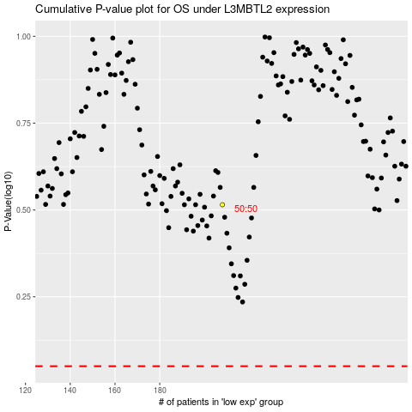

 |  |  |  |  |  | cases_OS | p_OS | rank | exp
 |  |  |  |  |  |  | cases_RFS | p_RFS | rank | exp

