L3MBTL3 _multivariate
Reported by Tex Li-Hsing Chi. tex@gate.sinica.edu.tw 2019-08-18

Table 2. The clinicopathological features of HNSCC cohort and L3MBTL3 expression. (Chi square test)
Cutoff at -0.106 (50.0%)
 |  | L3MBTL3 expression |  | L3MBTL3 expression |  | (Optimised)
 | Features | Low | (%) | High | (%) | Case no | P-value | Remark | Matthews
Gender | Female | 155 | 37.3 | 151 | 36.4 | 415 | 0.6768 | 0 | 0
2 | Male | 52 | 12.5 | 57 | 13.7
Age at diagnosis | <=65y | 140 | 33.7 | 134 | 32.3 | 415 | 0.5574 | 0 | 0
4 | >65y | 67 | 16.1 | 74 | 17.8
Clinical T Status | T1+T2 | 79 | 19 | 70 | 16.9 | 415 | 0.3924 | 0 | 0
6 | T3+T4 | 128 | 30.8 | 138 | 33.3
Clinical N Status | N0 | 114 | 27.5 | 102 | 24.6 | 415 | 0.2576 | 1 | 0
8 | N1-3 | 93 | 22.4 | 106 | 25.5
Clinical M Status | M0 | 205 | 49.4 | 207 | 49.9 | 415 | 0.6232 | 0 | 0
10 | M1 | 2 | 0.5 | 1 | 0.2
Clinical Stage | Stage I+II | 55 | 13.3 | 47 | 11.3 | 415 | 0.4087 | 0 | 0
12 | Stage III+IV | 152 | 36.6 | 161 | 38.8
Surgical Margin status | Negative | 160 | 38.6 | 158 | 38.1 | 415 | 0.8167 | 0 | 0
14 | Positive | 47 | 11.3 | 50 | 12
Tobacco Exposure | Low | 85 | 20.5 | 76 | 18.3 | 415 | 0.3655 | 0 | 0
16 | High | 122 | 29.4 | 132 | 31.8

Table 3. Univariate/Multivariate Cox's proportional hazards regression analyses on OS time of L3MBTL3 gene expression in HNSCC

 |  | Univariate |  |  |  | Multivariate
 | Features | HR | CI95%(L) | CI95%(H) | P-value | HR | CI95%(L) | CI95%(H) | P-value
1 | Female | 1 |  |  |  | 1
Gender | Male | 1.157 | 0.843 | 1.587 | 0.367 | 1.191 | 0.851 | 1.665 | 0.308
11 | <=65y | 1 |  |  |  | 1
Age at diagnosis | >65y | 1.329 | 0.99 | 1.784 | 0.058 | 1.358 | 0.999 | 1.848 | 0.051
12 | T1+T2 | 1 |  |  |  | 1
Clinical T Status | T3+T4 | 1.409 | 1.028 | 1.931 | 0.033 | 2.196 | 1.162 | 4.15 | 0.015
13 | N0 | 1 |  |  |  | 1
Clinical N Status | N1-3 | 1.185 | 0.89 | 1.577 | 0.246 | 1.242 | 0.87 | 1.772 | 0.232
14 | M0 | 1 |  |  |  | 1
Clinical M Status | M1 | 4.097 | 1.009 | 16.644 | 0.049 | 10.189 | 2.217 | 46.817 | 0.003
15 | Stage I+II | 1 |  |  |  | 1
Clinical Stage | Stage III+IV | 1.245 | 0.882 | 1.759 | 0.213 | 0.512 | 0.239 | 1.099 | 0.086
16 | Negative | 1 |  |  |  | 1
Surgical Margin status | Positive | 1.591 | 1.155 | 2.191 | 0.004 | 1.682 | 1.217 | 2.325 | 0.002
17 | Low | 1 |  |  |  | 1
Tobacco Exposure | High | 1.364 | 1.008 | 1.844 | 0.044 | 1.455 | 1.055 | 2.007 | 0.022
18 | Low | 1 |  |  |  | 1
RNAseq(z-score) | High | 1.325 | 0.994 | 1.766 | 0.055 | 1.344 | 1.005 | 1.798 | 0.046

Table 4. Univariate/Multivariate Cox's proportional hazards regression analyses on RFS time of L3MBTL3 gene expression in HNSCC

 |  | Univariate |  |  |  | Multivariate
 | Features | HR | CI95%(L) | CI95%(H) | P-value | HR | CI95%(L) | CI95%(H) | P-value
1 | Female | 1 |  |  |  | 1
Gender | Male | 1.157 | 0.843 | 1.587 | 0.367 | 1.191 | 0.851 | 1.665 | 0.308
11 | <=65y | 1 |  |  |  | 1
Age at diagnosis | >65y | 1.329 | 0.99 | 1.784 | 0.058 | 1.358 | 0.999 | 1.848 | 0.051
12 | T1+T2 | 1 |  |  |  | 1
Clinical T Status | T3+T4 | 1.409 | 1.028 | 1.931 | 0.033 | 2.196 | 1.162 | 4.15 | 0.015
13 | N0 | 1 |  |  |  | 1
Clinical N Status | N1-3 | 1.185 | 0.89 | 1.577 | 0.246 | 1.242 | 0.87 | 1.772 | 0.232
14 | M0 | 1 |  |  |  | 1
Clinical M Status | M1 | 4.097 | 1.009 | 16.644 | 0.049 | 10.189 | 2.217 | 46.817 | 0.003
15 | Stage I+II | 1 |  |  |  | 1
Clinical Stage | Stage III+IV | 1.245 | 0.882 | 1.759 | 0.213 | 0.512 | 0.239 | 1.099 | 0.086
16 | Negative | 1 |  |  |  | 1
Surgical Margin status | Positive | 1.591 | 1.155 | 2.191 | 0.004 | 1.682 | 1.217 | 2.325 | 0.002
17 | Low | 1 |  |  |  | 1
Tobacco Exposure | High | 1.364 | 1.008 | 1.844 | 0.044 | 1.455 | 1.055 | 2.007 | 0.022
18 | Low | 1 |  |  |  | 1
RNAseq(z-score) | High | 1.325 | 0.994 | 1.766 | 0.055 | 1.344 | 1.005 | 1.798 | 0.046

Kaplan-Meier survival estimate: Cutoff at -0.106 (50.0%)



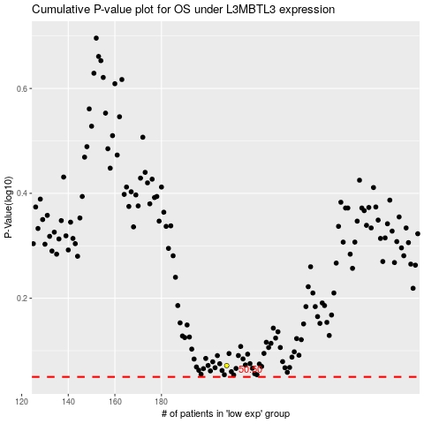

 |  |  |  |  |  | cases_OS | p_OS | rank | exp
 |  |  |  |  |  |  | cases_RFS | p_RFS | rank | exp

