L3MBTL4 _multivariate
Reported by Tex Li-Hsing Chi. tex@gate.sinica.edu.tw 2019-08-18

Table 2. The clinicopathological features of HNSCC cohort and L3MBTL4 expression. (Chi square test)
Cutoff at -0.437 (49.8%)
 |  | L3MBTL4 expression |  | L3MBTL4 expression |  | (Optimised)
 | Features | Low | (%) | High | (%) | Case no | P-value | Remark | Matthews
Gender | Female | 150 | 36.1 | 156 | 37.6 | 415 | 0.6344 | 0 | 0
2 | Male | 57 | 13.7 | 52 | 12.5
Age at diagnosis | <=65y | 136 | 32.8 | 138 | 33.3 | 415 | 0.9719 | 0 | 0
4 | >65y | 71 | 17.1 | 70 | 16.9
Clinical T Status | T1+T2 | 80 | 19.3 | 69 | 16.6 | 415 | 0.2891 | 0 | 0
6 | T3+T4 | 127 | 30.6 | 139 | 33.5
Clinical N Status | N0 | 107 | 25.8 | 109 | 26.3 | 415 | 0.9624 | 0 | 0
8 | N1-3 | 100 | 24.1 | 99 | 23.9
Clinical M Status | M0 | 205 | 49.4 | 207 | 49.9 | 415 | 0.6232 | 0 | 0
10 | M1 | 2 | 0.5 | 1 | 0.2
Clinical Stage | Stage I+II | 58 | 14 | 44 | 10.6 | 415 | 0.131 | 0 | 0
12 | Stage III+IV | 149 | 35.9 | 164 | 39.5
Surgical Margin status | Negative | 159 | 38.3 | 159 | 38.3 | 415 | 1 | 0 | 0
14 | Positive | 48 | 11.6 | 49 | 11.8
Tobacco Exposure | Low | 88 | 21.2 | 73 | 17.6 | 415 | 0.1314 | 0 | 0
16 | High | 119 | 28.7 | 135 | 32.5

Table 3. Univariate/Multivariate Cox's proportional hazards regression analyses on OS time of L3MBTL4 gene expression in HNSCC

 |  | Univariate |  |  |  | Multivariate
 | Features | HR | CI95%(L) | CI95%(H) | P-value | HR | CI95%(L) | CI95%(H) | P-value
1 | Female | 1 |  |  |  | 1
Gender | Male | 1.157 | 0.843 | 1.587 | 0.367 | 1.202 | 0.86 | 1.679 | 0.281
11 | <=65y | 1 |  |  |  | 1
Age at diagnosis | >65y | 1.329 | 0.99 | 1.784 | 0.058 | 1.392 | 1.024 | 1.892 | 0.035
12 | T1+T2 | 1 |  |  |  | 1
Clinical T Status | T3+T4 | 1.409 | 1.028 | 1.931 | 0.033 | 2.206 | 1.166 | 4.177 | 0.015
13 | N0 | 1 |  |  |  | 1
Clinical N Status | N1-3 | 1.185 | 0.89 | 1.577 | 0.246 | 1.242 | 0.87 | 1.775 | 0.233
14 | M0 | 1 |  |  |  | 1
Clinical M Status | M1 | 4.097 | 1.009 | 16.644 | 0.049 | 9.431 | 2.055 | 43.271 | 0.004
15 | Stage I+II | 1 |  |  |  | 1
Clinical Stage | Stage III+IV | 1.245 | 0.882 | 1.759 | 0.213 | 0.503 | 0.234 | 1.082 | 0.079
16 | Negative | 1 |  |  |  | 1
Surgical Margin status | Positive | 1.591 | 1.155 | 2.191 | 0.004 | 1.671 | 1.209 | 2.309 | 0.002
17 | Low | 1 |  |  |  | 1
Tobacco Exposure | High | 1.364 | 1.008 | 1.844 | 0.044 | 1.452 | 1.053 | 2.001 | 0.023
18 | Low | 1 |  |  |  | 1
RNAseq(z-score) | High | 1.029 | 0.772 | 1.373 | 0.843 | 1.014 | 0.759 | 1.355 | 0.923

Table 4. Univariate/Multivariate Cox's proportional hazards regression analyses on RFS time of L3MBTL4 gene expression in HNSCC

 |  | Univariate |  |  |  | Multivariate
 | Features | HR | CI95%(L) | CI95%(H) | P-value | HR | CI95%(L) | CI95%(H) | P-value
1 | Female | 1 |  |  |  | 1
Gender | Male | 1.157 | 0.843 | 1.587 | 0.367 | 1.202 | 0.86 | 1.679 | 0.281
11 | <=65y | 1 |  |  |  | 1
Age at diagnosis | >65y | 1.329 | 0.99 | 1.784 | 0.058 | 1.392 | 1.024 | 1.892 | 0.035
12 | T1+T2 | 1 |  |  |  | 1
Clinical T Status | T3+T4 | 1.409 | 1.028 | 1.931 | 0.033 | 2.206 | 1.166 | 4.177 | 0.015
13 | N0 | 1 |  |  |  | 1
Clinical N Status | N1-3 | 1.185 | 0.89 | 1.577 | 0.246 | 1.242 | 0.87 | 1.775 | 0.233
14 | M0 | 1 |  |  |  | 1
Clinical M Status | M1 | 4.097 | 1.009 | 16.644 | 0.049 | 9.431 | 2.055 | 43.271 | 0.004
15 | Stage I+II | 1 |  |  |  | 1
Clinical Stage | Stage III+IV | 1.245 | 0.882 | 1.759 | 0.213 | 0.503 | 0.234 | 1.082 | 0.079
16 | Negative | 1 |  |  |  | 1
Surgical Margin status | Positive | 1.591 | 1.155 | 2.191 | 0.004 | 1.671 | 1.209 | 2.309 | 0.002
17 | Low | 1 |  |  |  | 1
Tobacco Exposure | High | 1.364 | 1.008 | 1.844 | 0.044 | 1.452 | 1.053 | 2.001 | 0.023
18 | Low | 1 |  |  |  | 1
RNAseq(z-score) | High | 1.029 | 0.772 | 1.373 | 0.843 | 1.014 | 0.759 | 1.355 | 0.923

Kaplan-Meier survival estimate: Cutoff at -0.437 (49.8%)



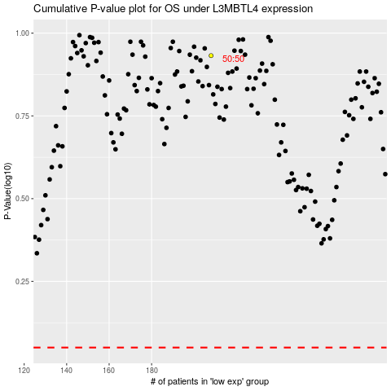

 |  |  |  |  |  | cases_OS | p_OS | rank | exp
 |  |  |  |  |  |  | cases_RFS | p_RFS | rank | exp

