LACTB2 _multivariate
Reported by Tex Li-Hsing Chi. tex@gate.sinica.edu.tw 2019-08-18

Table 2. The clinicopathological features of HNSCC cohort and LACTB2 expression. (Chi square test)
Cutoff at -0.176 (50.0%)
 |  | LACTB2 expression |  | LACTB2 expression |  | (Optimised)
 | Features | Low | (%) | High | (%) | Case no | P-value | Remark | Matthews
Gender | Female | 157 | 37.8 | 149 | 35.9 | 415 | 0.3881 | 0 | 0
2 | Male | 50 | 12 | 59 | 14.2
Age at diagnosis | <=65y | 131 | 31.6 | 143 | 34.5 | 415 | 0.2839 | 0 | 0
4 | >65y | 76 | 18.3 | 65 | 15.7
Clinical T Status | T1+T2 | 61 | 14.7 | 88 | 21.2 | 415 | 0.0087 | 1 | 0
6 | T3+T4 | 146 | 35.2 | 120 | 28.9
Clinical N Status | N0 | 106 | 25.5 | 110 | 26.5 | 415 | 0.8075 | 0 | 0
8 | N1-3 | 101 | 24.3 | 98 | 23.6
Clinical M Status | M0 | 205 | 49.4 | 207 | 49.9 | 415 | 0.6232 | 0 | 0
10 | M1 | 2 | 0.5 | 1 | 0.2
Clinical Stage | Stage I+II | 40 | 9.6 | 62 | 14.9 | 415 | 0.018 | 1 | 0
12 | Stage III+IV | 167 | 40.2 | 146 | 35.2
Surgical Margin status | Negative | 162 | 39 | 156 | 37.6 | 415 | 0.4867 | 0 | 0
14 | Positive | 45 | 10.8 | 52 | 12.5
Tobacco Exposure | Low | 74 | 17.8 | 87 | 21 | 415 | 0.227 | 0 | 0
16 | High | 133 | 32 | 121 | 29.2

Table 3. Univariate/Multivariate Cox's proportional hazards regression analyses on OS time of LACTB2 gene expression in HNSCC

 |  | Univariate |  |  |  | Multivariate
 | Features | HR | CI95%(L) | CI95%(H) | P-value | HR | CI95%(L) | CI95%(H) | P-value
1 | Female | 1 |  |  |  | 1
Gender | Male | 1.157 | 0.843 | 1.587 | 0.367 | 1.187 | 0.85 | 1.658 | 0.314
11 | <=65y | 1 |  |  |  | 1
Age at diagnosis | >65y | 1.329 | 0.99 | 1.784 | 0.058 | 1.438 | 1.056 | 1.958 | 0.021
12 | T1+T2 | 1 |  |  |  | 1
Clinical T Status | T3+T4 | 1.409 | 1.028 | 1.931 | 0.033 | 2.272 | 1.2 | 4.301 | 0.012
13 | N0 | 1 |  |  |  | 1
Clinical N Status | N1-3 | 1.185 | 0.89 | 1.577 | 0.246 | 1.209 | 0.847 | 1.725 | 0.296
14 | M0 | 1 |  |  |  | 1
Clinical M Status | M1 | 4.097 | 1.009 | 16.644 | 0.049 | 10.523 | 2.285 | 48.459 | 0.003
15 | Stage I+II | 1 |  |  |  | 1
Clinical Stage | Stage III+IV | 1.245 | 0.882 | 1.759 | 0.213 | 0.525 | 0.244 | 1.128 | 0.099
16 | Negative | 1 |  |  |  | 1
Surgical Margin status | Positive | 1.591 | 1.155 | 2.191 | 0.004 | 1.66 | 1.202 | 2.294 | 0.002
17 | Low | 1 |  |  |  | 1
Tobacco Exposure | High | 1.364 | 1.008 | 1.844 | 0.044 | 1.481 | 1.075 | 2.04 | 0.016
18 | Low | 1 |  |  |  | 1
RNAseq(z-score) | High | 1.208 | 0.905 | 1.613 | 0.199 | 1.342 | 0.997 | 1.806 | 0.052

Table 4. Univariate/Multivariate Cox's proportional hazards regression analyses on RFS time of LACTB2 gene expression in HNSCC

 |  | Univariate |  |  |  | Multivariate
 | Features | HR | CI95%(L) | CI95%(H) | P-value | HR | CI95%(L) | CI95%(H) | P-value
1 | Female | 1 |  |  |  | 1
Gender | Male | 1.157 | 0.843 | 1.587 | 0.367 | 1.187 | 0.85 | 1.658 | 0.314
11 | <=65y | 1 |  |  |  | 1
Age at diagnosis | >65y | 1.329 | 0.99 | 1.784 | 0.058 | 1.438 | 1.056 | 1.958 | 0.021
12 | T1+T2 | 1 |  |  |  | 1
Clinical T Status | T3+T4 | 1.409 | 1.028 | 1.931 | 0.033 | 2.272 | 1.2 | 4.301 | 0.012
13 | N0 | 1 |  |  |  | 1
Clinical N Status | N1-3 | 1.185 | 0.89 | 1.577 | 0.246 | 1.209 | 0.847 | 1.725 | 0.296
14 | M0 | 1 |  |  |  | 1
Clinical M Status | M1 | 4.097 | 1.009 | 16.644 | 0.049 | 10.523 | 2.285 | 48.459 | 0.003
15 | Stage I+II | 1 |  |  |  | 1
Clinical Stage | Stage III+IV | 1.245 | 0.882 | 1.759 | 0.213 | 0.525 | 0.244 | 1.128 | 0.099
16 | Negative | 1 |  |  |  | 1
Surgical Margin status | Positive | 1.591 | 1.155 | 2.191 | 0.004 | 1.66 | 1.202 | 2.294 | 0.002
17 | Low | 1 |  |  |  | 1
Tobacco Exposure | High | 1.364 | 1.008 | 1.844 | 0.044 | 1.481 | 1.075 | 2.04 | 0.016
18 | Low | 1 |  |  |  | 1
RNAseq(z-score) | High | 1.208 | 0.905 | 1.613 | 0.199 | 1.342 | 0.997 | 1.806 | 0.052

Kaplan-Meier survival estimate: Cutoff at -0.176 (50.0%)



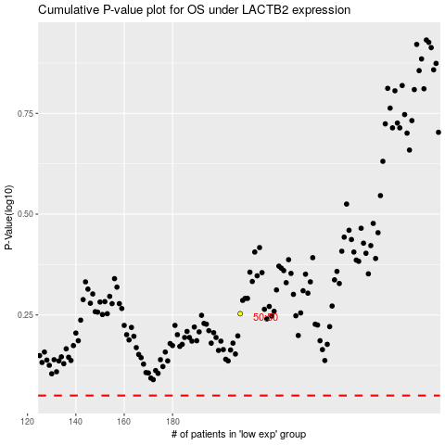

 |  |  |  |  |  | cases_OS | p_OS | rank | exp
 |  |  |  |  |  |  | cases_RFS | p_RFS | rank | exp

