LAD1 _multivariate
Reported by Tex Li-Hsing Chi. tex@gate.sinica.edu.tw 2019-08-18

Table 2. The clinicopathological features of HNSCC cohort and LAD1 expression. (Chi square test)
Cutoff at -0.089 (50.0%)
 |  | LAD1 expression |  | LAD1 expression |  | (Optimised)
 | Features | Low | (%) | High | (%) | Case no | P-value | Remark | Matthews
Gender | Female | 154 | 37.1 | 152 | 36.6 | 415 | 0.8463 | 0 | 0
2 | Male | 53 | 12.8 | 56 | 13.5
Age at diagnosis | <=65y | 138 | 33.3 | 136 | 32.8 | 415 | 0.8634 | 0 | 0
4 | >65y | 69 | 16.6 | 72 | 17.3
Clinical T Status | T1+T2 | 87 | 21 | 62 | 14.9 | 415 | 0.0127 | 1 | 0
6 | T3+T4 | 120 | 28.9 | 146 | 35.2
Clinical N Status | N0 | 101 | 24.3 | 115 | 27.7 | 415 | 0.2201 | 0 | 0
8 | N1-3 | 106 | 25.5 | 93 | 22.4
Clinical M Status | M0 | 206 | 49.6 | 206 | 49.6 | 415 | 1 | 0 | 0
10 | M1 | 1 | 0.2 | 2 | 0.5
Clinical Stage | Stage I+II | 56 | 13.5 | 46 | 11.1 | 415 | 0.2918 | 0 | 0
12 | Stage III+IV | 151 | 36.4 | 162 | 39
Surgical Margin status | Negative | 150 | 36.1 | 168 | 40.5 | 415 | 0.0492 | 1 | 0
14 | Positive | 57 | 13.7 | 40 | 9.6
Tobacco Exposure | Low | 79 | 19 | 82 | 19.8 | 415 | 0.8405 | 0 | 0
16 | High | 128 | 30.8 | 126 | 30.4

Table 3. Univariate/Multivariate Cox's proportional hazards regression analyses on OS time of LAD1 gene expression in HNSCC

 |  | Univariate |  |  |  | Multivariate
 | Features | HR | CI95%(L) | CI95%(H) | P-value | HR | CI95%(L) | CI95%(H) | P-value
1 | Female | 1 |  |  |  | 1
Gender | Male | 1.157 | 0.843 | 1.587 | 0.367 | 1.237 | 0.886 | 1.727 | 0.212
11 | <=65y | 1 |  |  |  | 1
Age at diagnosis | >65y | 1.329 | 0.99 | 1.784 | 0.058 | 1.384 | 1.018 | 1.881 | 0.038
12 | T1+T2 | 1 |  |  |  | 1
Clinical T Status | T3+T4 | 1.409 | 1.028 | 1.931 | 0.033 | 2.286 | 1.207 | 4.328 | 0.011
13 | N0 | 1 |  |  |  | 1
Clinical N Status | N1-3 | 1.185 | 0.89 | 1.577 | 0.246 | 1.198 | 0.838 | 1.713 | 0.321
14 | M0 | 1 |  |  |  | 1
Clinical M Status | M1 | 4.097 | 1.009 | 16.644 | 0.049 | 10.754 | 2.33 | 49.634 | 0.002
15 | Stage I+II | 1 |  |  |  | 1
Clinical Stage | Stage III+IV | 1.245 | 0.882 | 1.759 | 0.213 | 0.509 | 0.237 | 1.092 | 0.083
16 | Negative | 1 |  |  |  | 1
Surgical Margin status | Positive | 1.591 | 1.155 | 2.191 | 0.004 | 1.643 | 1.189 | 2.272 | 0.003
17 | Low | 1 |  |  |  | 1
Tobacco Exposure | High | 1.364 | 1.008 | 1.844 | 0.044 | 1.442 | 1.048 | 1.984 | 0.025
18 | Low | 1 |  |  |  | 1
RNAseq(z-score) | High | 0.792 | 0.594 | 1.057 | 0.113 | 0.753 | 0.56 | 1.011 | 0.059

Table 4. Univariate/Multivariate Cox's proportional hazards regression analyses on RFS time of LAD1 gene expression in HNSCC

 |  | Univariate |  |  |  | Multivariate
 | Features | HR | CI95%(L) | CI95%(H) | P-value | HR | CI95%(L) | CI95%(H) | P-value
1 | Female | 1 |  |  |  | 1
Gender | Male | 1.157 | 0.843 | 1.587 | 0.367 | 1.237 | 0.886 | 1.727 | 0.212
11 | <=65y | 1 |  |  |  | 1
Age at diagnosis | >65y | 1.329 | 0.99 | 1.784 | 0.058 | 1.384 | 1.018 | 1.881 | 0.038
12 | T1+T2 | 1 |  |  |  | 1
Clinical T Status | T3+T4 | 1.409 | 1.028 | 1.931 | 0.033 | 2.286 | 1.207 | 4.328 | 0.011
13 | N0 | 1 |  |  |  | 1
Clinical N Status | N1-3 | 1.185 | 0.89 | 1.577 | 0.246 | 1.198 | 0.838 | 1.713 | 0.321
14 | M0 | 1 |  |  |  | 1
Clinical M Status | M1 | 4.097 | 1.009 | 16.644 | 0.049 | 10.754 | 2.33 | 49.634 | 0.002
15 | Stage I+II | 1 |  |  |  | 1
Clinical Stage | Stage III+IV | 1.245 | 0.882 | 1.759 | 0.213 | 0.509 | 0.237 | 1.092 | 0.083
16 | Negative | 1 |  |  |  | 1
Surgical Margin status | Positive | 1.591 | 1.155 | 2.191 | 0.004 | 1.643 | 1.189 | 2.272 | 0.003
17 | Low | 1 |  |  |  | 1
Tobacco Exposure | High | 1.364 | 1.008 | 1.844 | 0.044 | 1.442 | 1.048 | 1.984 | 0.025
18 | Low | 1 |  |  |  | 1
RNAseq(z-score) | High | 0.792 | 0.594 | 1.057 | 0.113 | 0.753 | 0.56 | 1.011 | 0.059

Kaplan-Meier survival estimate: Cutoff at -0.089 (50.0%)



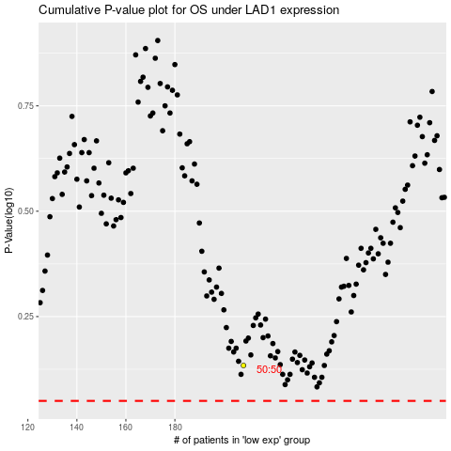

 |  |  |  |  |  | cases_OS | p_OS | rank | exp
 |  |  |  |  |  |  | cases_RFS | p_RFS | rank | exp

