LAIR1 _multivariate
Reported by Tex Li-Hsing Chi. tex@gate.sinica.edu.tw 2019-08-18

Table 2. The clinicopathological features of HNSCC cohort and LAIR1 expression. (Chi square test)
Cutoff at -0.279 (49.8%)
 |  | LAIR1 expression |  | LAIR1 expression |  | (Optimised)
 | Features | Low | (%) | High | (%) | Case no | P-value | Remark | Matthews
Gender | Female | 160 | 38.6 | 146 | 35.2 | 415 | 0.1254 | 0 | 0
2 | Male | 47 | 11.3 | 62 | 14.9
Age at diagnosis | <=65y | 145 | 34.9 | 129 | 31.1 | 415 | 0.1046 | 0 | 0
4 | >65y | 62 | 14.9 | 79 | 19
Clinical T Status | T1+T2 | 74 | 17.8 | 75 | 18.1 | 415 | 1 | 0 | 0
6 | T3+T4 | 133 | 32 | 133 | 32
Clinical N Status | N0 | 120 | 28.9 | 96 | 23.1 | 415 | 0.0208 | 1 | 0
8 | N1-3 | 87 | 21 | 112 | 27
Clinical M Status | M0 | 207 | 49.9 | 205 | 49.4 | 415 | 0.2482 | 0 | 0
10 | M1 | 0 | 0 | 3 | 0.7
Clinical Stage | Stage I+II | 53 | 12.8 | 49 | 11.8 | 415 | 0.7113 | 0 | 0
12 | Stage III+IV | 154 | 37.1 | 159 | 38.3
Surgical Margin status | Negative | 156 | 37.6 | 162 | 39 | 415 | 0.5636 | 0 | 0
14 | Positive | 51 | 12.3 | 46 | 11.1
Tobacco Exposure | Low | 71 | 17.1 | 90 | 21.7 | 415 | 0.0698 | 0 | 0
16 | High | 136 | 32.8 | 118 | 28.4

Table 3. Univariate/Multivariate Cox's proportional hazards regression analyses on OS time of LAIR1 gene expression in HNSCC

 |  | Univariate |  |  |  | Multivariate
 | Features | HR | CI95%(L) | CI95%(H) | P-value | HR | CI95%(L) | CI95%(H) | P-value
1 | Female | 1 |  |  |  | 1
Gender | Male | 1.157 | 0.843 | 1.587 | 0.367 | 1.201 | 0.86 | 1.678 | 0.281
11 | <=65y | 1 |  |  |  | 1
Age at diagnosis | >65y | 1.329 | 0.99 | 1.784 | 0.058 | 1.382 | 1.016 | 1.881 | 0.039
12 | T1+T2 | 1 |  |  |  | 1
Clinical T Status | T3+T4 | 1.409 | 1.028 | 1.931 | 0.033 | 2.19 | 1.158 | 4.141 | 0.016
13 | N0 | 1 |  |  |  | 1
Clinical N Status | N1-3 | 1.185 | 0.89 | 1.577 | 0.246 | 1.213 | 0.846 | 1.738 | 0.293
14 | M0 | 1 |  |  |  | 1
Clinical M Status | M1 | 4.097 | 1.009 | 16.644 | 0.049 | 8.867 | 1.923 | 40.887 | 0.005
15 | Stage I+II | 1 |  |  |  | 1
Clinical Stage | Stage III+IV | 1.245 | 0.882 | 1.759 | 0.213 | 0.514 | 0.239 | 1.105 | 0.088
16 | Negative | 1 |  |  |  | 1
Surgical Margin status | Positive | 1.591 | 1.155 | 2.191 | 0.004 | 1.672 | 1.21 | 2.31 | 0.002
17 | Low | 1 |  |  |  | 1
Tobacco Exposure | High | 1.364 | 1.008 | 1.844 | 0.044 | 1.468 | 1.065 | 2.023 | 0.019
18 | Low | 1 |  |  |  | 1
RNAseq(z-score) | High | 1.168 | 0.875 | 1.558 | 0.292 | 1.134 | 0.845 | 1.523 | 0.401

Table 4. Univariate/Multivariate Cox's proportional hazards regression analyses on RFS time of LAIR1 gene expression in HNSCC

 |  | Univariate |  |  |  | Multivariate
 | Features | HR | CI95%(L) | CI95%(H) | P-value | HR | CI95%(L) | CI95%(H) | P-value
1 | Female | 1 |  |  |  | 1
Gender | Male | 1.157 | 0.843 | 1.587 | 0.367 | 1.201 | 0.86 | 1.678 | 0.281
11 | <=65y | 1 |  |  |  | 1
Age at diagnosis | >65y | 1.329 | 0.99 | 1.784 | 0.058 | 1.382 | 1.016 | 1.881 | 0.039
12 | T1+T2 | 1 |  |  |  | 1
Clinical T Status | T3+T4 | 1.409 | 1.028 | 1.931 | 0.033 | 2.19 | 1.158 | 4.141 | 0.016
13 | N0 | 1 |  |  |  | 1
Clinical N Status | N1-3 | 1.185 | 0.89 | 1.577 | 0.246 | 1.213 | 0.846 | 1.738 | 0.293
14 | M0 | 1 |  |  |  | 1
Clinical M Status | M1 | 4.097 | 1.009 | 16.644 | 0.049 | 8.867 | 1.923 | 40.887 | 0.005
15 | Stage I+II | 1 |  |  |  | 1
Clinical Stage | Stage III+IV | 1.245 | 0.882 | 1.759 | 0.213 | 0.514 | 0.239 | 1.105 | 0.088
16 | Negative | 1 |  |  |  | 1
Surgical Margin status | Positive | 1.591 | 1.155 | 2.191 | 0.004 | 1.672 | 1.21 | 2.31 | 0.002
17 | Low | 1 |  |  |  | 1
Tobacco Exposure | High | 1.364 | 1.008 | 1.844 | 0.044 | 1.468 | 1.065 | 2.023 | 0.019
18 | Low | 1 |  |  |  | 1
RNAseq(z-score) | High | 1.168 | 0.875 | 1.558 | 0.292 | 1.134 | 0.845 | 1.523 | 0.401

Kaplan-Meier survival estimate: Cutoff at -0.279 (49.8%)



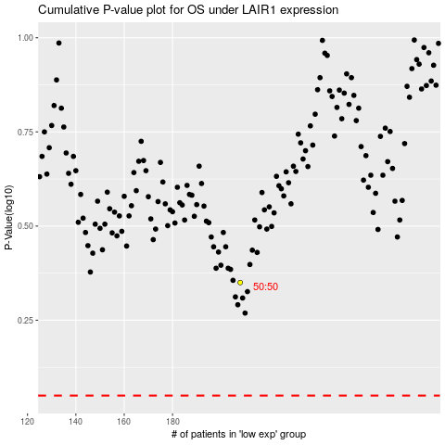

 |  |  |  |  |  | cases_OS | p_OS | rank | exp
 |  |  |  |  |  |  | cases_RFS | p_RFS | rank | exp

