LAMA2 _multivariate
Reported by Tex Li-Hsing Chi. tex@gate.sinica.edu.tw 2019-08-18

Table 2. The clinicopathological features of HNSCC cohort and LAMA2 expression. (Chi square test)
Cutoff at -0.36 (50.0%)
 |  | LAMA2 expression |  | LAMA2 expression |  | (Optimised)
 | Features | Low | (%) | High | (%) | Case no | P-value | Remark | Matthews
Gender | Female | 148 | 35.7 | 158 | 38.1 | 415 | 0.3567 | 0 | 0
2 | Male | 59 | 14.2 | 50 | 12
Age at diagnosis | <=65y | 138 | 33.3 | 136 | 32.8 | 415 | 0.8634 | 0 | 0
4 | >65y | 69 | 16.6 | 72 | 17.3
Clinical T Status | T1+T2 | 71 | 17.1 | 78 | 18.8 | 415 | 0.5638 | 0 | 0
6 | T3+T4 | 136 | 32.8 | 130 | 31.3
Clinical N Status | N0 | 105 | 25.3 | 111 | 26.7 | 415 | 0.6598 | 0 | 0
8 | N1-3 | 102 | 24.6 | 97 | 23.4
Clinical M Status | M0 | 204 | 49.2 | 208 | 50.1 | 415 | 0.1232 | 0 | 0
10 | M1 | 3 | 0.7 | 0 | 0
Clinical Stage | Stage I+II | 47 | 11.3 | 55 | 13.3 | 415 | 0.4413 | 0 | 0
12 | Stage III+IV | 160 | 38.6 | 153 | 36.9
Surgical Margin status | Negative | 155 | 37.3 | 163 | 39.3 | 415 | 0.4187 | 0 | 0
14 | Positive | 52 | 12.5 | 45 | 10.8
Tobacco Exposure | Low | 89 | 21.4 | 72 | 17.3 | 415 | 0.0872 | 0 | 0
16 | High | 118 | 28.4 | 136 | 32.8

Table 3. Univariate/Multivariate Cox's proportional hazards regression analyses on OS time of LAMA2 gene expression in HNSCC

 |  | Univariate |  |  |  | Multivariate
 | Features | HR | CI95%(L) | CI95%(H) | P-value | HR | CI95%(L) | CI95%(H) | P-value
1 | Female | 1 |  |  |  | 1
Gender | Male | 1.157 | 0.843 | 1.587 | 0.367 | 1.195 | 0.855 | 1.672 | 0.297
11 | <=65y | 1 |  |  |  | 1
Age at diagnosis | >65y | 1.329 | 0.99 | 1.784 | 0.058 | 1.396 | 1.026 | 1.898 | 0.034
12 | T1+T2 | 1 |  |  |  | 1
Clinical T Status | T3+T4 | 1.409 | 1.028 | 1.931 | 0.033 | 2.198 | 1.163 | 4.156 | 0.015
13 | N0 | 1 |  |  |  | 1
Clinical N Status | N1-3 | 1.185 | 0.89 | 1.577 | 0.246 | 1.242 | 0.87 | 1.771 | 0.233
14 | M0 | 1 |  |  |  | 1
Clinical M Status | M1 | 4.097 | 1.009 | 16.644 | 0.049 | 9.158 | 1.982 | 42.322 | 0.005
15 | Stage I+II | 1 |  |  |  | 1
Clinical Stage | Stage III+IV | 1.245 | 0.882 | 1.759 | 0.213 | 0.504 | 0.235 | 1.082 | 0.079
16 | Negative | 1 |  |  |  | 1
Surgical Margin status | Positive | 1.591 | 1.155 | 2.191 | 0.004 | 1.665 | 1.204 | 2.302 | 0.002
17 | Low | 1 |  |  |  | 1
Tobacco Exposure | High | 1.364 | 1.008 | 1.844 | 0.044 | 1.457 | 1.057 | 2.008 | 0.022
18 | Low | 1 |  |  |  | 1
RNAseq(z-score) | High | 0.914 | 0.686 | 1.217 | 0.537 | 0.952 | 0.712 | 1.275 | 0.743

Table 4. Univariate/Multivariate Cox's proportional hazards regression analyses on RFS time of LAMA2 gene expression in HNSCC

 |  | Univariate |  |  |  | Multivariate
 | Features | HR | CI95%(L) | CI95%(H) | P-value | HR | CI95%(L) | CI95%(H) | P-value
1 | Female | 1 |  |  |  | 1
Gender | Male | 1.157 | 0.843 | 1.587 | 0.367 | 1.195 | 0.855 | 1.672 | 0.297
11 | <=65y | 1 |  |  |  | 1
Age at diagnosis | >65y | 1.329 | 0.99 | 1.784 | 0.058 | 1.396 | 1.026 | 1.898 | 0.034
12 | T1+T2 | 1 |  |  |  | 1
Clinical T Status | T3+T4 | 1.409 | 1.028 | 1.931 | 0.033 | 2.198 | 1.163 | 4.156 | 0.015
13 | N0 | 1 |  |  |  | 1
Clinical N Status | N1-3 | 1.185 | 0.89 | 1.577 | 0.246 | 1.242 | 0.87 | 1.771 | 0.233
14 | M0 | 1 |  |  |  | 1
Clinical M Status | M1 | 4.097 | 1.009 | 16.644 | 0.049 | 9.158 | 1.982 | 42.322 | 0.005
15 | Stage I+II | 1 |  |  |  | 1
Clinical Stage | Stage III+IV | 1.245 | 0.882 | 1.759 | 0.213 | 0.504 | 0.235 | 1.082 | 0.079
16 | Negative | 1 |  |  |  | 1
Surgical Margin status | Positive | 1.591 | 1.155 | 2.191 | 0.004 | 1.665 | 1.204 | 2.302 | 0.002
17 | Low | 1 |  |  |  | 1
Tobacco Exposure | High | 1.364 | 1.008 | 1.844 | 0.044 | 1.457 | 1.057 | 2.008 | 0.022
18 | Low | 1 |  |  |  | 1
RNAseq(z-score) | High | 0.914 | 0.686 | 1.217 | 0.537 | 0.952 | 0.712 | 1.275 | 0.743

Kaplan-Meier survival estimate: Cutoff at -0.36 (50.0%)



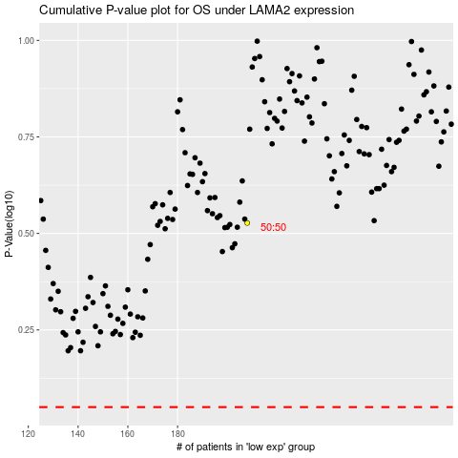

 |  |  |  |  |  | cases_OS | p_OS | rank | exp
 |  |  |  |  |  |  | cases_RFS | p_RFS | rank | exp

