LAMA3 _multivariate
Reported by Tex Li-Hsing Chi. tex@gate.sinica.edu.tw 2019-08-18

Table 2. The clinicopathological features of HNSCC cohort and LAMA3 expression. (Chi square test)
Cutoff at -0.221 (50.0%)
 |  | LAMA3 expression |  | LAMA3 expression |  | (Optimised)
 | Features | Low | (%) | High | (%) | Case no | P-value | Remark | Matthews
Gender | Female | 160 | 38.6 | 146 | 35.2 | 415 | 0.1254 | 0 | 0
2 | Male | 47 | 11.3 | 62 | 14.9
Age at diagnosis | <=65y | 137 | 33 | 137 | 33 | 415 | 1 | 0 | 0
4 | >65y | 70 | 16.9 | 71 | 17.1
Clinical T Status | T1+T2 | 71 | 17.1 | 78 | 18.8 | 415 | 0.5638 | 0 | 0
6 | T3+T4 | 136 | 32.8 | 130 | 31.3
Clinical N Status | N0 | 109 | 26.3 | 107 | 25.8 | 415 | 0.8812 | 0 | 0
8 | N1-3 | 98 | 23.6 | 101 | 24.3
Clinical M Status | M0 | 205 | 49.4 | 207 | 49.9 | 415 | 0.6232 | 0 | 0
10 | M1 | 2 | 0.5 | 1 | 0.2
Clinical Stage | Stage I+II | 44 | 10.6 | 58 | 14 | 415 | 0.1459 | 0 | 0
12 | Stage III+IV | 163 | 39.3 | 150 | 36.1
Surgical Margin status | Negative | 155 | 37.3 | 163 | 39.3 | 415 | 0.4187 | 0 | 0
14 | Positive | 52 | 12.5 | 45 | 10.8
Tobacco Exposure | Low | 68 | 16.4 | 93 | 22.4 | 415 | 0.0156 | 1 | 0
16 | High | 139 | 33.5 | 115 | 27.7

Table 3. Univariate/Multivariate Cox's proportional hazards regression analyses on OS time of LAMA3 gene expression in HNSCC

 |  | Univariate |  |  |  | Multivariate
 | Features | HR | CI95%(L) | CI95%(H) | P-value | HR | CI95%(L) | CI95%(H) | P-value
1 | Female | 1 |  |  |  | 1
Gender | Male | 1.157 | 0.843 | 1.587 | 0.367 | 1.195 | 0.855 | 1.671 | 0.298
11 | <=65y | 1 |  |  |  | 1
Age at diagnosis | >65y | 1.329 | 0.99 | 1.784 | 0.058 | 1.397 | 1.027 | 1.9 | 0.033
12 | T1+T2 | 1 |  |  |  | 1
Clinical T Status | T3+T4 | 1.409 | 1.028 | 1.931 | 0.033 | 2.18 | 1.151 | 4.131 | 0.017
13 | N0 | 1 |  |  |  | 1
Clinical N Status | N1-3 | 1.185 | 0.89 | 1.577 | 0.246 | 1.235 | 0.865 | 1.764 | 0.245
14 | M0 | 1 |  |  |  | 1
Clinical M Status | M1 | 4.097 | 1.009 | 16.644 | 0.049 | 9.361 | 2.042 | 42.915 | 0.004
15 | Stage I+II | 1 |  |  |  | 1
Clinical Stage | Stage III+IV | 1.245 | 0.882 | 1.759 | 0.213 | 0.514 | 0.238 | 1.109 | 0.09
16 | Negative | 1 |  |  |  | 1
Surgical Margin status | Positive | 1.591 | 1.155 | 2.191 | 0.004 | 1.672 | 1.21 | 2.31 | 0.002
17 | Low | 1 |  |  |  | 1
Tobacco Exposure | High | 1.364 | 1.008 | 1.844 | 0.044 | 1.459 | 1.058 | 2.011 | 0.021
18 | Low | 1 |  |  |  | 1
RNAseq(z-score) | High | 1.047 | 0.786 | 1.394 | 0.754 | 1.059 | 0.791 | 1.418 | 0.698

Table 4. Univariate/Multivariate Cox's proportional hazards regression analyses on RFS time of LAMA3 gene expression in HNSCC

 |  | Univariate |  |  |  | Multivariate
 | Features | HR | CI95%(L) | CI95%(H) | P-value | HR | CI95%(L) | CI95%(H) | P-value
1 | Female | 1 |  |  |  | 1
Gender | Male | 1.157 | 0.843 | 1.587 | 0.367 | 1.195 | 0.855 | 1.671 | 0.298
11 | <=65y | 1 |  |  |  | 1
Age at diagnosis | >65y | 1.329 | 0.99 | 1.784 | 0.058 | 1.397 | 1.027 | 1.9 | 0.033
12 | T1+T2 | 1 |  |  |  | 1
Clinical T Status | T3+T4 | 1.409 | 1.028 | 1.931 | 0.033 | 2.18 | 1.151 | 4.131 | 0.017
13 | N0 | 1 |  |  |  | 1
Clinical N Status | N1-3 | 1.185 | 0.89 | 1.577 | 0.246 | 1.235 | 0.865 | 1.764 | 0.245
14 | M0 | 1 |  |  |  | 1
Clinical M Status | M1 | 4.097 | 1.009 | 16.644 | 0.049 | 9.361 | 2.042 | 42.915 | 0.004
15 | Stage I+II | 1 |  |  |  | 1
Clinical Stage | Stage III+IV | 1.245 | 0.882 | 1.759 | 0.213 | 0.514 | 0.238 | 1.109 | 0.09
16 | Negative | 1 |  |  |  | 1
Surgical Margin status | Positive | 1.591 | 1.155 | 2.191 | 0.004 | 1.672 | 1.21 | 2.31 | 0.002
17 | Low | 1 |  |  |  | 1
Tobacco Exposure | High | 1.364 | 1.008 | 1.844 | 0.044 | 1.459 | 1.058 | 2.011 | 0.021
18 | Low | 1 |  |  |  | 1
RNAseq(z-score) | High | 1.047 | 0.786 | 1.394 | 0.754 | 1.059 | 0.791 | 1.418 | 0.698

Kaplan-Meier survival estimate: Cutoff at -0.221 (50.0%)



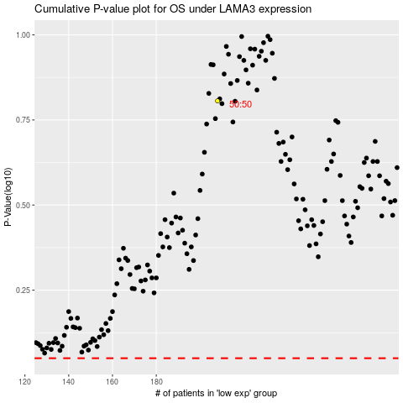

 |  |  |  |  |  | cases_OS | p_OS | rank | exp
 |  |  |  |  |  |  | cases_RFS | p_RFS | rank | exp

