LAMA4 _multivariate
Reported by Tex Li-Hsing Chi. tex@gate.sinica.edu.tw 2019-08-18

Table 2. The clinicopathological features of HNSCC cohort and LAMA4 expression. (Chi square test)
Cutoff at -0.174 (49.8%)
 |  | LAMA4 expression |  | LAMA4 expression |  | (Optimised)
 | Features | Low | (%) | High | (%) | Case no | P-value | Remark | Matthews
Gender | Female | 151 | 36.4 | 155 | 37.3 | 415 | 0.8007 | 0 | 0
2 | Male | 56 | 13.5 | 53 | 12.8
Age at diagnosis | <=65y | 137 | 33 | 137 | 33 | 415 | 1 | 0 | 0
4 | >65y | 70 | 16.9 | 71 | 17.1
Clinical T Status | T1+T2 | 78 | 18.8 | 71 | 17.1 | 415 | 0.5152 | 0 | 0
6 | T3+T4 | 129 | 31.1 | 137 | 33
Clinical N Status | N0 | 107 | 25.8 | 109 | 26.3 | 415 | 0.9624 | 0 | 0
8 | N1-3 | 100 | 24.1 | 99 | 23.9
Clinical M Status | M0 | 204 | 49.2 | 208 | 50.1 | 415 | 0.1232 | 0 | 0
10 | M1 | 3 | 0.7 | 0 | 0
Clinical Stage | Stage I+II | 47 | 11.3 | 55 | 13.3 | 415 | 0.4413 | 0 | 0
12 | Stage III+IV | 160 | 38.6 | 153 | 36.9
Surgical Margin status | Negative | 157 | 37.8 | 161 | 38.8 | 415 | 0.729 | 0 | 0
14 | Positive | 50 | 12 | 47 | 11.3
Tobacco Exposure | Low | 84 | 20.2 | 77 | 18.6 | 415 | 0.4816 | 0 | 0
16 | High | 123 | 29.6 | 131 | 31.6

Table 3. Univariate/Multivariate Cox's proportional hazards regression analyses on OS time of LAMA4 gene expression in HNSCC

 |  | Univariate |  |  |  | Multivariate
 | Features | HR | CI95%(L) | CI95%(H) | P-value | HR | CI95%(L) | CI95%(H) | P-value
1 | Female | 1 |  |  |  | 1
Gender | Male | 1.157 | 0.843 | 1.587 | 0.367 | 1.198 | 0.858 | 1.675 | 0.289
11 | <=65y | 1 |  |  |  | 1
Age at diagnosis | >65y | 1.329 | 0.99 | 1.784 | 0.058 | 1.385 | 1.018 | 1.883 | 0.038
12 | T1+T2 | 1 |  |  |  | 1
Clinical T Status | T3+T4 | 1.409 | 1.028 | 1.931 | 0.033 | 2.234 | 1.179 | 4.235 | 0.014
13 | N0 | 1 |  |  |  | 1
Clinical N Status | N1-3 | 1.185 | 0.89 | 1.577 | 0.246 | 1.242 | 0.871 | 1.773 | 0.231
14 | M0 | 1 |  |  |  | 1
Clinical M Status | M1 | 4.097 | 1.009 | 16.644 | 0.049 | 9.172 | 1.994 | 42.176 | 0.004
15 | Stage I+II | 1 |  |  |  | 1
Clinical Stage | Stage III+IV | 1.245 | 0.882 | 1.759 | 0.213 | 0.494 | 0.229 | 1.065 | 0.072
16 | Negative | 1 |  |  |  | 1
Surgical Margin status | Positive | 1.591 | 1.155 | 2.191 | 0.004 | 1.663 | 1.202 | 2.299 | 0.002
17 | Low | 1 |  |  |  | 1
Tobacco Exposure | High | 1.364 | 1.008 | 1.844 | 0.044 | 1.453 | 1.055 | 2.002 | 0.022
18 | Low | 1 |  |  |  | 1
RNAseq(z-score) | High | 0.894 | 0.671 | 1.191 | 0.444 | 0.928 | 0.693 | 1.242 | 0.615

Table 4. Univariate/Multivariate Cox's proportional hazards regression analyses on RFS time of LAMA4 gene expression in HNSCC

 |  | Univariate |  |  |  | Multivariate
 | Features | HR | CI95%(L) | CI95%(H) | P-value | HR | CI95%(L) | CI95%(H) | P-value
1 | Female | 1 |  |  |  | 1
Gender | Male | 1.157 | 0.843 | 1.587 | 0.367 | 1.198 | 0.858 | 1.675 | 0.289
11 | <=65y | 1 |  |  |  | 1
Age at diagnosis | >65y | 1.329 | 0.99 | 1.784 | 0.058 | 1.385 | 1.018 | 1.883 | 0.038
12 | T1+T2 | 1 |  |  |  | 1
Clinical T Status | T3+T4 | 1.409 | 1.028 | 1.931 | 0.033 | 2.234 | 1.179 | 4.235 | 0.014
13 | N0 | 1 |  |  |  | 1
Clinical N Status | N1-3 | 1.185 | 0.89 | 1.577 | 0.246 | 1.242 | 0.871 | 1.773 | 0.231
14 | M0 | 1 |  |  |  | 1
Clinical M Status | M1 | 4.097 | 1.009 | 16.644 | 0.049 | 9.172 | 1.994 | 42.176 | 0.004
15 | Stage I+II | 1 |  |  |  | 1
Clinical Stage | Stage III+IV | 1.245 | 0.882 | 1.759 | 0.213 | 0.494 | 0.229 | 1.065 | 0.072
16 | Negative | 1 |  |  |  | 1
Surgical Margin status | Positive | 1.591 | 1.155 | 2.191 | 0.004 | 1.663 | 1.202 | 2.299 | 0.002
17 | Low | 1 |  |  |  | 1
Tobacco Exposure | High | 1.364 | 1.008 | 1.844 | 0.044 | 1.453 | 1.055 | 2.002 | 0.022
18 | Low | 1 |  |  |  | 1
RNAseq(z-score) | High | 0.894 | 0.671 | 1.191 | 0.444 | 0.928 | 0.693 | 1.242 | 0.615

Kaplan-Meier survival estimate: Cutoff at -0.174 (49.8%)



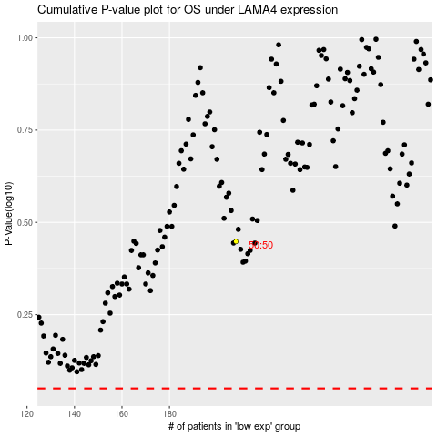

 |  |  |  |  |  | cases_OS | p_OS | rank | exp
 |  |  |  |  |  |  | cases_RFS | p_RFS | rank | exp

