LAMP2 _multivariate
Reported by Tex Li-Hsing Chi. tex@gate.sinica.edu.tw 2019-08-18

Table 2. The clinicopathological features of HNSCC cohort and LAMP2 expression. (Chi square test)
Cutoff at -0.124 (49.8%)
 |  | LAMP2 expression |  | LAMP2 expression |  | (Optimised)
 | Features | Low | (%) | High | (%) | Case no | P-value | Remark | Matthews
Gender | Female | 159 | 38.3 | 147 | 35.4 | 415 | 0.1905 | 0 | 0
2 | Male | 48 | 11.6 | 61 | 14.7
Age at diagnosis | <=65y | 129 | 31.1 | 145 | 34.9 | 415 | 0.1372 | 0 | 0
4 | >65y | 78 | 18.8 | 63 | 15.2
Clinical T Status | T1+T2 | 66 | 15.9 | 83 | 20 | 415 | 0.1095 | 0 | 0
6 | T3+T4 | 141 | 34 | 125 | 30.1
Clinical N Status | N0 | 100 | 24.1 | 116 | 28 | 415 | 0.1548 | 0 | 0
8 | N1-3 | 107 | 25.8 | 92 | 22.2
Clinical M Status | M0 | 205 | 49.4 | 207 | 49.9 | 415 | 0.6232 | 0 | 0
10 | M1 | 2 | 0.5 | 1 | 0.2
Clinical Stage | Stage I+II | 42 | 10.1 | 60 | 14.5 | 415 | 0.0561 | 0 | 0
12 | Stage III+IV | 165 | 39.8 | 148 | 35.7
Surgical Margin status | Negative | 154 | 37.1 | 164 | 39.5 | 415 | 0.2984 | 0 | 0
14 | Positive | 53 | 12.8 | 44 | 10.6
Tobacco Exposure | Low | 71 | 17.1 | 90 | 21.7 | 415 | 0.0698 | 0 | 0
16 | High | 136 | 32.8 | 118 | 28.4

Table 3. Univariate/Multivariate Cox's proportional hazards regression analyses on OS time of LAMP2 gene expression in HNSCC

 |  | Univariate |  |  |  | Multivariate
 | Features | HR | CI95%(L) | CI95%(H) | P-value | HR | CI95%(L) | CI95%(H) | P-value
1 | Female | 1 |  |  |  | 1
Gender | Male | 1.157 | 0.843 | 1.587 | 0.367 | 1.198 | 0.859 | 1.67 | 0.287
11 | <=65y | 1 |  |  |  | 1
Age at diagnosis | >65y | 1.329 | 0.99 | 1.784 | 0.058 | 1.442 | 1.055 | 1.97 | 0.022
12 | T1+T2 | 1 |  |  |  | 1
Clinical T Status | T3+T4 | 1.409 | 1.028 | 1.931 | 0.033 | 2.243 | 1.186 | 4.243 | 0.013
13 | N0 | 1 |  |  |  | 1
Clinical N Status | N1-3 | 1.185 | 0.89 | 1.577 | 0.246 | 1.258 | 0.881 | 1.796 | 0.206
14 | M0 | 1 |  |  |  | 1
Clinical M Status | M1 | 4.097 | 1.009 | 16.644 | 0.049 | 9.745 | 2.123 | 44.723 | 0.003
15 | Stage I+II | 1 |  |  |  | 1
Clinical Stage | Stage III+IV | 1.245 | 0.882 | 1.759 | 0.213 | 0.495 | 0.231 | 1.064 | 0.072
16 | Negative | 1 |  |  |  | 1
Surgical Margin status | Positive | 1.591 | 1.155 | 2.191 | 0.004 | 1.695 | 1.225 | 2.344 | 0.001
17 | Low | 1 |  |  |  | 1
Tobacco Exposure | High | 1.364 | 1.008 | 1.844 | 0.044 | 1.502 | 1.086 | 2.076 | 0.014
18 | Low | 1 |  |  |  | 1
RNAseq(z-score) | High | 1.042 | 0.782 | 1.389 | 0.777 | 1.215 | 0.905 | 1.632 | 0.196

Table 4. Univariate/Multivariate Cox's proportional hazards regression analyses on RFS time of LAMP2 gene expression in HNSCC

 |  | Univariate |  |  |  | Multivariate
 | Features | HR | CI95%(L) | CI95%(H) | P-value | HR | CI95%(L) | CI95%(H) | P-value
1 | Female | 1 |  |  |  | 1
Gender | Male | 1.157 | 0.843 | 1.587 | 0.367 | 1.198 | 0.859 | 1.67 | 0.287
11 | <=65y | 1 |  |  |  | 1
Age at diagnosis | >65y | 1.329 | 0.99 | 1.784 | 0.058 | 1.442 | 1.055 | 1.97 | 0.022
12 | T1+T2 | 1 |  |  |  | 1
Clinical T Status | T3+T4 | 1.409 | 1.028 | 1.931 | 0.033 | 2.243 | 1.186 | 4.243 | 0.013
13 | N0 | 1 |  |  |  | 1
Clinical N Status | N1-3 | 1.185 | 0.89 | 1.577 | 0.246 | 1.258 | 0.881 | 1.796 | 0.206
14 | M0 | 1 |  |  |  | 1
Clinical M Status | M1 | 4.097 | 1.009 | 16.644 | 0.049 | 9.745 | 2.123 | 44.723 | 0.003
15 | Stage I+II | 1 |  |  |  | 1
Clinical Stage | Stage III+IV | 1.245 | 0.882 | 1.759 | 0.213 | 0.495 | 0.231 | 1.064 | 0.072
16 | Negative | 1 |  |  |  | 1
Surgical Margin status | Positive | 1.591 | 1.155 | 2.191 | 0.004 | 1.695 | 1.225 | 2.344 | 0.001
17 | Low | 1 |  |  |  | 1
Tobacco Exposure | High | 1.364 | 1.008 | 1.844 | 0.044 | 1.502 | 1.086 | 2.076 | 0.014
18 | Low | 1 |  |  |  | 1
RNAseq(z-score) | High | 1.042 | 0.782 | 1.389 | 0.777 | 1.215 | 0.905 | 1.632 | 0.196

Kaplan-Meier survival estimate: Cutoff at -0.124 (49.8%)



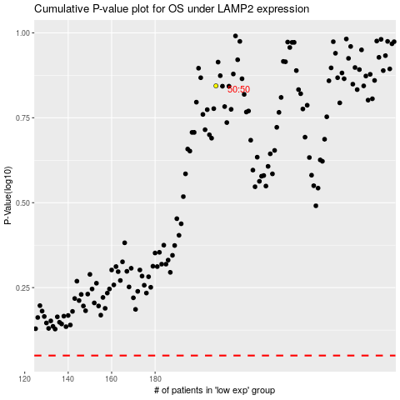

 |  |  |  |  |  | cases_OS | p_OS | rank | exp
 |  |  |  |  |  |  | cases_RFS | p_RFS | rank | exp

