LAPTM5 _multivariate
Reported by Tex Li-Hsing Chi. tex@gate.sinica.edu.tw 2019-08-18

Table 2. The clinicopathological features of HNSCC cohort and LAPTM5 expression. (Chi square test)
Cutoff at -0.288 (49.8%)
 |  | LAPTM5 expression |  | LAPTM5 expression |  | (Optimised)
 | Features | Low | (%) | High | (%) | Case no | P-value | Remark | Matthews
Gender | Female | 164 | 39.5 | 142 | 34.2 | 415 | 0.0153 | 1 | 0
2 | Male | 43 | 10.4 | 66 | 15.9
Age at diagnosis | <=65y | 146 | 35.2 | 128 | 30.8 | 415 | 0.0672 | 0 | 0
4 | >65y | 61 | 14.7 | 80 | 19.3
Clinical T Status | T1+T2 | 68 | 16.4 | 81 | 19.5 | 415 | 0.2336 | 0 | 0
6 | T3+T4 | 139 | 33.5 | 127 | 30.6
Clinical N Status | N0 | 125 | 30.1 | 91 | 21.9 | 415 | 0.001 | 1 | 0
8 | N1-3 | 82 | 19.8 | 117 | 28.2
Clinical M Status | M0 | 206 | 49.6 | 206 | 49.6 | 415 | 1 | 0 | 0
10 | M1 | 1 | 0.2 | 2 | 0.5
Clinical Stage | Stage I+II | 50 | 12 | 52 | 12.5 | 415 | 0.9315 | 0 | 0
12 | Stage III+IV | 157 | 37.8 | 156 | 37.6
Surgical Margin status | Negative | 157 | 37.8 | 161 | 38.8 | 415 | 0.729 | 0 | 0
14 | Positive | 50 | 12 | 47 | 11.3
Tobacco Exposure | Low | 75 | 18.1 | 86 | 20.7 | 415 | 0.3141 | 0 | 0
16 | High | 132 | 31.8 | 122 | 29.4

Table 3. Univariate/Multivariate Cox's proportional hazards regression analyses on OS time of LAPTM5 gene expression in HNSCC

 |  | Univariate |  |  |  | Multivariate
 | Features | HR | CI95%(L) | CI95%(H) | P-value | HR | CI95%(L) | CI95%(H) | P-value
1 | Female | 1 |  |  |  | 1
Gender | Male | 1.157 | 0.843 | 1.587 | 0.367 | 1.211 | 0.866 | 1.693 | 0.263
11 | <=65y | 1 |  |  |  | 1
Age at diagnosis | >65y | 1.329 | 0.99 | 1.784 | 0.058 | 1.401 | 1.03 | 1.905 | 0.031
12 | T1+T2 | 1 |  |  |  | 1
Clinical T Status | T3+T4 | 1.409 | 1.028 | 1.931 | 0.033 | 2.207 | 1.167 | 4.174 | 0.015
13 | N0 | 1 |  |  |  | 1
Clinical N Status | N1-3 | 1.185 | 0.89 | 1.577 | 0.246 | 1.278 | 0.889 | 1.836 | 0.185
14 | M0 | 1 |  |  |  | 1
Clinical M Status | M1 | 4.097 | 1.009 | 16.644 | 0.049 | 9.684 | 2.109 | 44.465 | 0.004
15 | Stage I+II | 1 |  |  |  | 1
Clinical Stage | Stage III+IV | 1.245 | 0.882 | 1.759 | 0.213 | 0.496 | 0.231 | 1.065 | 0.072
16 | Negative | 1 |  |  |  | 1
Surgical Margin status | Positive | 1.591 | 1.155 | 2.191 | 0.004 | 1.678 | 1.214 | 2.32 | 0.002
17 | Low | 1 |  |  |  | 1
Tobacco Exposure | High | 1.364 | 1.008 | 1.844 | 0.044 | 1.441 | 1.045 | 1.987 | 0.026
18 | Low | 1 |  |  |  | 1
RNAseq(z-score) | High | 0.938 | 0.704 | 1.25 | 0.661 | 0.888 | 0.66 | 1.194 | 0.431

Table 4. Univariate/Multivariate Cox's proportional hazards regression analyses on RFS time of LAPTM5 gene expression in HNSCC

 |  | Univariate |  |  |  | Multivariate
 | Features | HR | CI95%(L) | CI95%(H) | P-value | HR | CI95%(L) | CI95%(H) | P-value
1 | Female | 1 |  |  |  | 1
Gender | Male | 1.157 | 0.843 | 1.587 | 0.367 | 1.211 | 0.866 | 1.693 | 0.263
11 | <=65y | 1 |  |  |  | 1
Age at diagnosis | >65y | 1.329 | 0.99 | 1.784 | 0.058 | 1.401 | 1.03 | 1.905 | 0.031
12 | T1+T2 | 1 |  |  |  | 1
Clinical T Status | T3+T4 | 1.409 | 1.028 | 1.931 | 0.033 | 2.207 | 1.167 | 4.174 | 0.015
13 | N0 | 1 |  |  |  | 1
Clinical N Status | N1-3 | 1.185 | 0.89 | 1.577 | 0.246 | 1.278 | 0.889 | 1.836 | 0.185
14 | M0 | 1 |  |  |  | 1
Clinical M Status | M1 | 4.097 | 1.009 | 16.644 | 0.049 | 9.684 | 2.109 | 44.465 | 0.004
15 | Stage I+II | 1 |  |  |  | 1
Clinical Stage | Stage III+IV | 1.245 | 0.882 | 1.759 | 0.213 | 0.496 | 0.231 | 1.065 | 0.072
16 | Negative | 1 |  |  |  | 1
Surgical Margin status | Positive | 1.591 | 1.155 | 2.191 | 0.004 | 1.678 | 1.214 | 2.32 | 0.002
17 | Low | 1 |  |  |  | 1
Tobacco Exposure | High | 1.364 | 1.008 | 1.844 | 0.044 | 1.441 | 1.045 | 1.987 | 0.026
18 | Low | 1 |  |  |  | 1
RNAseq(z-score) | High | 0.938 | 0.704 | 1.25 | 0.661 | 0.888 | 0.66 | 1.194 | 0.431

Kaplan-Meier survival estimate: Cutoff at -0.288 (49.8%)



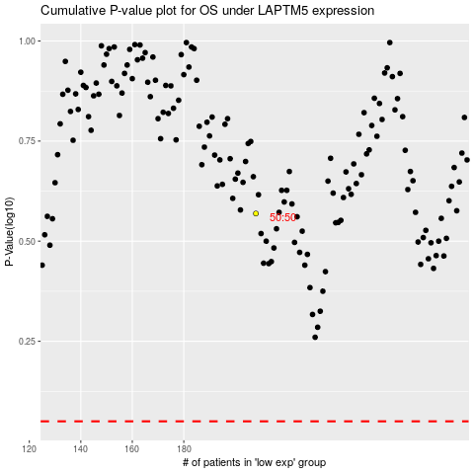

 |  |  |  |  |  | cases_OS | p_OS | rank | exp
 |  |  |  |  |  |  | cases_RFS | p_RFS | rank | exp

