LARP1B _multivariate
Reported by Tex Li-Hsing Chi. tex@gate.sinica.edu.tw 2019-08-18

Table 2. The clinicopathological features of HNSCC cohort and LARP1B expression. (Chi square test)
Cutoff at -0.301 (50.0%)
 |  | LARP1B expression |  | LARP1B expression |  | (Optimised)
 | Features | Low | (%) | High | (%) | Case no | P-value | Remark | Matthews
Gender | Female | 149 | 35.9 | 157 | 37.8 | 415 | 0.4848 | 0 | 0
2 | Male | 58 | 14 | 51 | 12.3
Age at diagnosis | <=65y | 134 | 32.3 | 140 | 33.7 | 415 | 0.6529 | 0 | 0
4 | >65y | 73 | 17.6 | 68 | 16.4
Clinical T Status | T1+T2 | 92 | 22.2 | 57 | 13.7 | 415 | 4e-04 | 1 | 0
6 | T3+T4 | 115 | 27.7 | 151 | 36.4
Clinical N Status | N0 | 109 | 26.3 | 107 | 25.8 | 415 | 0.8812 | 0 | 0
8 | N1-3 | 98 | 23.6 | 101 | 24.3
Clinical M Status | M0 | 204 | 49.2 | 208 | 50.1 | 415 | 0.1232 | 0 | 0
10 | M1 | 3 | 0.7 | 0 | 0
Clinical Stage | Stage I+II | 66 | 15.9 | 36 | 8.7 | 415 | 9e-04 | 1 | 0
12 | Stage III+IV | 141 | 34 | 172 | 41.4
Surgical Margin status | Negative | 163 | 39.3 | 155 | 37.3 | 415 | 0.3537 | 0 | 0
14 | Positive | 44 | 10.6 | 53 | 12.8
Tobacco Exposure | Low | 99 | 23.9 | 62 | 14.9 | 415 | 2e-04 | 1 | 0
16 | High | 108 | 26 | 146 | 35.2

Table 3. Univariate/Multivariate Cox's proportional hazards regression analyses on OS time of LARP1B gene expression in HNSCC

 |  | Univariate |  |  |  | Multivariate
 | Features | HR | CI95%(L) | CI95%(H) | P-value | HR | CI95%(L) | CI95%(H) | P-value
1 | Female | 1 |  |  |  | 1
Gender | Male | 1.157 | 0.843 | 1.587 | 0.367 | 1.18 | 0.843 | 1.652 | 0.334
11 | <=65y | 1 |  |  |  | 1
Age at diagnosis | >65y | 1.329 | 0.99 | 1.784 | 0.058 | 1.382 | 1.017 | 1.879 | 0.039
12 | T1+T2 | 1 |  |  |  | 1
Clinical T Status | T3+T4 | 1.409 | 1.028 | 1.931 | 0.033 | 2.218 | 1.173 | 4.194 | 0.014
13 | N0 | 1 |  |  |  | 1
Clinical N Status | N1-3 | 1.185 | 0.89 | 1.577 | 0.246 | 1.215 | 0.85 | 1.736 | 0.285
14 | M0 | 1 |  |  |  | 1
Clinical M Status | M1 | 4.097 | 1.009 | 16.644 | 0.049 | 8.669 | 1.879 | 39.993 | 0.006
15 | Stage I+II | 1 |  |  |  | 1
Clinical Stage | Stage III+IV | 1.245 | 0.882 | 1.759 | 0.213 | 0.527 | 0.244 | 1.136 | 0.102
16 | Negative | 1 |  |  |  | 1
Surgical Margin status | Positive | 1.591 | 1.155 | 2.191 | 0.004 | 1.668 | 1.207 | 2.303 | 0.002
17 | Low | 1 |  |  |  | 1
Tobacco Exposure | High | 1.364 | 1.008 | 1.844 | 0.044 | 1.498 | 1.082 | 2.072 | 0.015
18 | Low | 1 |  |  |  | 1
RNAseq(z-score) | High | 0.903 | 0.678 | 1.204 | 0.488 | 0.845 | 0.622 | 1.147 | 0.28

Table 4. Univariate/Multivariate Cox's proportional hazards regression analyses on RFS time of LARP1B gene expression in HNSCC

 |  | Univariate |  |  |  | Multivariate
 | Features | HR | CI95%(L) | CI95%(H) | P-value | HR | CI95%(L) | CI95%(H) | P-value
1 | Female | 1 |  |  |  | 1
Gender | Male | 1.157 | 0.843 | 1.587 | 0.367 | 1.18 | 0.843 | 1.652 | 0.334
11 | <=65y | 1 |  |  |  | 1
Age at diagnosis | >65y | 1.329 | 0.99 | 1.784 | 0.058 | 1.382 | 1.017 | 1.879 | 0.039
12 | T1+T2 | 1 |  |  |  | 1
Clinical T Status | T3+T4 | 1.409 | 1.028 | 1.931 | 0.033 | 2.218 | 1.173 | 4.194 | 0.014
13 | N0 | 1 |  |  |  | 1
Clinical N Status | N1-3 | 1.185 | 0.89 | 1.577 | 0.246 | 1.215 | 0.85 | 1.736 | 0.285
14 | M0 | 1 |  |  |  | 1
Clinical M Status | M1 | 4.097 | 1.009 | 16.644 | 0.049 | 8.669 | 1.879 | 39.993 | 0.006
15 | Stage I+II | 1 |  |  |  | 1
Clinical Stage | Stage III+IV | 1.245 | 0.882 | 1.759 | 0.213 | 0.527 | 0.244 | 1.136 | 0.102
16 | Negative | 1 |  |  |  | 1
Surgical Margin status | Positive | 1.591 | 1.155 | 2.191 | 0.004 | 1.668 | 1.207 | 2.303 | 0.002
17 | Low | 1 |  |  |  | 1
Tobacco Exposure | High | 1.364 | 1.008 | 1.844 | 0.044 | 1.498 | 1.082 | 2.072 | 0.015
18 | Low | 1 |  |  |  | 1
RNAseq(z-score) | High | 0.903 | 0.678 | 1.204 | 0.488 | 0.845 | 0.622 | 1.147 | 0.28

Kaplan-Meier survival estimate: Cutoff at -0.301 (50.0%)



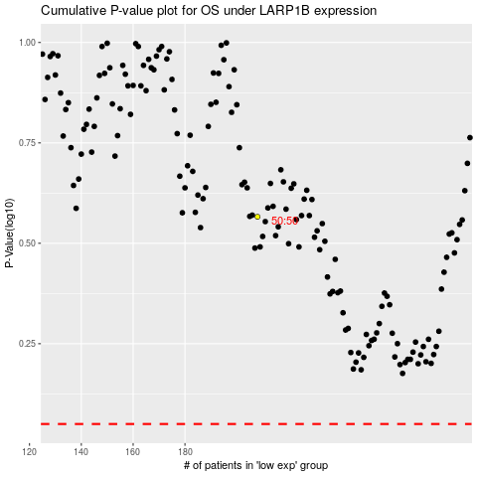

 |  |  |  |  |  | cases_OS | p_OS | rank | exp
 |  |  |  |  |  |  | cases_RFS | p_RFS | rank | exp

