LARP4B _multivariate
Reported by Tex Li-Hsing Chi. tex@gate.sinica.edu.tw 2019-08-18

Table 2. The clinicopathological features of HNSCC cohort and LARP4B expression. (Chi square test)
Cutoff at -0.377 (36.7%)
 |  | LARP4B expression |  | LARP4B expression |  | (Optimised)
 | Features | Low | (%) | High | (%) | Case no | P-value | Remark | Matthews
Gender | Female | 116 | 28 | 190 | 45.8 | 415 | 0.4281 | 0 | 0
2 | Male | 36 | 8.7 | 73 | 17.6
Age at diagnosis | <=65y | 102 | 24.6 | 172 | 41.4 | 415 | 0.8057 | 0 | 0
4 | >65y | 50 | 12 | 91 | 21.9
Clinical T Status | T1+T2 | 53 | 12.8 | 96 | 23.1 | 415 | 0.8196 | 0 | 0
6 | T3+T4 | 99 | 23.9 | 167 | 40.2
Clinical N Status | N0 | 74 | 17.8 | 142 | 34.2 | 415 | 0.3468 | 0 | 0
8 | N1-3 | 78 | 18.8 | 121 | 29.2
Clinical M Status | M0 | 150 | 36.1 | 262 | 63.1 | 415 | 0.5572 | 0 | 0
10 | M1 | 2 | 0.5 | 1 | 0.2
Clinical Stage | Stage I+II | 35 | 8.4 | 67 | 16.1 | 415 | 0.66 | 0 | 0
12 | Stage III+IV | 117 | 28.2 | 196 | 47.2
Surgical Margin status | Negative | 108 | 26 | 210 | 50.6 | 415 | 0.0537 | 0 | 0
14 | Positive | 44 | 10.6 | 53 | 12.8
Tobacco Exposure | Low | 58 | 14 | 103 | 24.8 | 415 | 0.9168 | 0 | 0
16 | High | 94 | 22.7 | 160 | 38.6

Table 3. Univariate/Multivariate Cox's proportional hazards regression analyses on OS time of LARP4B gene expression in HNSCC

 |  | Univariate |  |  |  | Multivariate
 | Features | HR | CI95%(L) | CI95%(H) | P-value | HR | CI95%(L) | CI95%(H) | P-value
1 | Female | 1 |  |  |  | 1
Gender | Male | 1.157 | 0.843 | 1.587 | 0.367 | 1.206 | 0.862 | 1.686 | 0.274
11 | <=65y | 1 |  |  |  | 1
Age at diagnosis | >65y | 1.329 | 0.99 | 1.784 | 0.058 | 1.398 | 1.028 | 1.902 | 0.033
12 | T1+T2 | 1 |  |  |  | 1
Clinical T Status | T3+T4 | 1.409 | 1.028 | 1.931 | 0.033 | 2.177 | 1.153 | 4.112 | 0.016
13 | N0 | 1 |  |  |  | 1
Clinical N Status | N1-3 | 1.185 | 0.89 | 1.577 | 0.246 | 1.239 | 0.867 | 1.769 | 0.239
14 | M0 | 1 |  |  |  | 1
Clinical M Status | M1 | 4.097 | 1.009 | 16.644 | 0.049 | 8.697 | 1.893 | 39.95 | 0.005
15 | Stage I+II | 1 |  |  |  | 1
Clinical Stage | Stage III+IV | 1.245 | 0.882 | 1.759 | 0.213 | 0.512 | 0.238 | 1.099 | 0.086
16 | Negative | 1 |  |  |  | 1
Surgical Margin status | Positive | 1.591 | 1.155 | 2.191 | 0.004 | 1.613 | 1.165 | 2.232 | 0.004
17 | Low | 1 |  |  |  | 1
Tobacco Exposure | High | 1.364 | 1.008 | 1.844 | 0.044 | 1.474 | 1.069 | 2.032 | 0.018
18 | Low | 1 |  |  |  | 1
RNAseq(z-score) | High | 0.74 | 0.553 | 0.991 | 0.043 | 0.766 | 0.571 | 1.029 | 0.077

Table 4. Univariate/Multivariate Cox's proportional hazards regression analyses on RFS time of LARP4B gene expression in HNSCC

 |  | Univariate |  |  |  | Multivariate
 | Features | HR | CI95%(L) | CI95%(H) | P-value | HR | CI95%(L) | CI95%(H) | P-value
1 | Female | 1 |  |  |  | 1
Gender | Male | 1.157 | 0.843 | 1.587 | 0.367 | 1.206 | 0.862 | 1.686 | 0.274
11 | <=65y | 1 |  |  |  | 1
Age at diagnosis | >65y | 1.329 | 0.99 | 1.784 | 0.058 | 1.398 | 1.028 | 1.902 | 0.033
12 | T1+T2 | 1 |  |  |  | 1
Clinical T Status | T3+T4 | 1.409 | 1.028 | 1.931 | 0.033 | 2.177 | 1.153 | 4.112 | 0.016
13 | N0 | 1 |  |  |  | 1
Clinical N Status | N1-3 | 1.185 | 0.89 | 1.577 | 0.246 | 1.239 | 0.867 | 1.769 | 0.239
14 | M0 | 1 |  |  |  | 1
Clinical M Status | M1 | 4.097 | 1.009 | 16.644 | 0.049 | 8.697 | 1.893 | 39.95 | 0.005
15 | Stage I+II | 1 |  |  |  | 1
Clinical Stage | Stage III+IV | 1.245 | 0.882 | 1.759 | 0.213 | 0.512 | 0.238 | 1.099 | 0.086
16 | Negative | 1 |  |  |  | 1
Surgical Margin status | Positive | 1.591 | 1.155 | 2.191 | 0.004 | 1.613 | 1.165 | 2.232 | 0.004
17 | Low | 1 |  |  |  | 1
Tobacco Exposure | High | 1.364 | 1.008 | 1.844 | 0.044 | 1.474 | 1.069 | 2.032 | 0.018
18 | Low | 1 |  |  |  | 1
RNAseq(z-score) | High | 0.74 | 0.553 | 0.991 | 0.043 | 0.766 | 0.571 | 1.029 | 0.077

Kaplan-Meier survival estimate: Cutoff at -0.377 (36.7%)



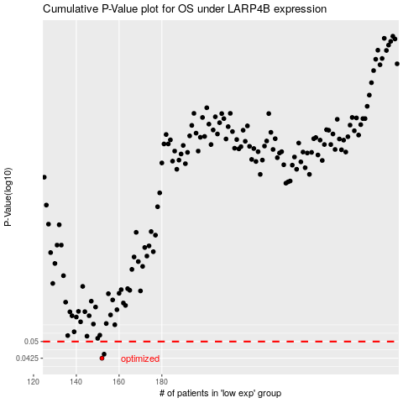

 |  |  |  |  |  | cases_OS | p_OS | rank | exp
 |  |  |  |  |  | 152 | 0.0425 | 356 | -0.37674447947
 |  |  |  |  |  | 153 | 0.0442 | 140 | -0.37559692109
 |  |  |  |  |  |  | cases_RFS | p_RFS | rank | exp
 |  |  |  |  |  |  | 151 | 0.0425 | 180 | -0.37690560462
 |  |  |  |  |  |  | 152 | 0.0442 | 356 | -0.37674447947

