LARP7 _multivariate
Reported by Tex Li-Hsing Chi. tex@gate.sinica.edu.tw 2019-08-18

Table 2. The clinicopathological features of HNSCC cohort and LARP7 expression. (Chi square test)
Cutoff at -0.167 (50.0%)
 |  | LARP7 expression |  | LARP7 expression |  | (Optimised)
 | Features | Low | (%) | High | (%) | Case no | P-value | Remark | Matthews
Gender | Female | 157 | 37.8 | 149 | 35.9 | 415 | 0.3881 | 0 | 0
2 | Male | 50 | 12 | 59 | 14.2
Age at diagnosis | <=65y | 135 | 32.5 | 139 | 33.5 | 415 | 0.8084 | 0 | 0
4 | >65y | 72 | 17.3 | 69 | 16.6
Clinical T Status | T1+T2 | 71 | 17.1 | 78 | 18.8 | 415 | 0.5638 | 0 | 0
6 | T3+T4 | 136 | 32.8 | 130 | 31.3
Clinical N Status | N0 | 110 | 26.5 | 106 | 25.5 | 415 | 0.7294 | 0 | 0
8 | N1-3 | 97 | 23.4 | 102 | 24.6
Clinical M Status | M0 | 206 | 49.6 | 206 | 49.6 | 415 | 1 | 0 | 0
10 | M1 | 1 | 0.2 | 2 | 0.5
Clinical Stage | Stage I+II | 51 | 12.3 | 51 | 12.3 | 415 | 1 | 0 | 0
12 | Stage III+IV | 156 | 37.6 | 157 | 37.8
Surgical Margin status | Negative | 167 | 40.2 | 151 | 36.4 | 415 | 0.0632 | 0 | 0
14 | Positive | 40 | 9.6 | 57 | 13.7
Tobacco Exposure | Low | 75 | 18.1 | 86 | 20.7 | 415 | 0.3141 | 0 | 0
16 | High | 132 | 31.8 | 122 | 29.4

Table 3. Univariate/Multivariate Cox's proportional hazards regression analyses on OS time of LARP7 gene expression in HNSCC

 |  | Univariate |  |  |  | Multivariate
 | Features | HR | CI95%(L) | CI95%(H) | P-value | HR | CI95%(L) | CI95%(H) | P-value
1 | Female | 1 |  |  |  | 1
Gender | Male | 1.157 | 0.843 | 1.587 | 0.367 | 1.207 | 0.863 | 1.686 | 0.271
11 | <=65y | 1 |  |  |  | 1
Age at diagnosis | >65y | 1.329 | 0.99 | 1.784 | 0.058 | 1.389 | 1.022 | 1.888 | 0.036
12 | T1+T2 | 1 |  |  |  | 1
Clinical T Status | T3+T4 | 1.409 | 1.028 | 1.931 | 0.033 | 2.183 | 1.153 | 4.13 | 0.016
13 | N0 | 1 |  |  |  | 1
Clinical N Status | N1-3 | 1.185 | 0.89 | 1.577 | 0.246 | 1.243 | 0.871 | 1.773 | 0.231
14 | M0 | 1 |  |  |  | 1
Clinical M Status | M1 | 4.097 | 1.009 | 16.644 | 0.049 | 9.618 | 2.095 | 44.155 | 0.004
15 | Stage I+II | 1 |  |  |  | 1
Clinical Stage | Stage III+IV | 1.245 | 0.882 | 1.759 | 0.213 | 0.506 | 0.235 | 1.086 | 0.08
16 | Negative | 1 |  |  |  | 1
Surgical Margin status | Positive | 1.591 | 1.155 | 2.191 | 0.004 | 1.701 | 1.225 | 2.361 | 0.002
17 | Low | 1 |  |  |  | 1
Tobacco Exposure | High | 1.364 | 1.008 | 1.844 | 0.044 | 1.449 | 1.052 | 1.997 | 0.023
18 | Low | 1 |  |  |  | 1
RNAseq(z-score) | High | 0.973 | 0.731 | 1.297 | 0.854 | 0.913 | 0.681 | 1.223 | 0.541

Table 4. Univariate/Multivariate Cox's proportional hazards regression analyses on RFS time of LARP7 gene expression in HNSCC

 |  | Univariate |  |  |  | Multivariate
 | Features | HR | CI95%(L) | CI95%(H) | P-value | HR | CI95%(L) | CI95%(H) | P-value
1 | Female | 1 |  |  |  | 1
Gender | Male | 1.157 | 0.843 | 1.587 | 0.367 | 1.207 | 0.863 | 1.686 | 0.271
11 | <=65y | 1 |  |  |  | 1
Age at diagnosis | >65y | 1.329 | 0.99 | 1.784 | 0.058 | 1.389 | 1.022 | 1.888 | 0.036
12 | T1+T2 | 1 |  |  |  | 1
Clinical T Status | T3+T4 | 1.409 | 1.028 | 1.931 | 0.033 | 2.183 | 1.153 | 4.13 | 0.016
13 | N0 | 1 |  |  |  | 1
Clinical N Status | N1-3 | 1.185 | 0.89 | 1.577 | 0.246 | 1.243 | 0.871 | 1.773 | 0.231
14 | M0 | 1 |  |  |  | 1
Clinical M Status | M1 | 4.097 | 1.009 | 16.644 | 0.049 | 9.618 | 2.095 | 44.155 | 0.004
15 | Stage I+II | 1 |  |  |  | 1
Clinical Stage | Stage III+IV | 1.245 | 0.882 | 1.759 | 0.213 | 0.506 | 0.235 | 1.086 | 0.08
16 | Negative | 1 |  |  |  | 1
Surgical Margin status | Positive | 1.591 | 1.155 | 2.191 | 0.004 | 1.701 | 1.225 | 2.361 | 0.002
17 | Low | 1 |  |  |  | 1
Tobacco Exposure | High | 1.364 | 1.008 | 1.844 | 0.044 | 1.449 | 1.052 | 1.997 | 0.023
18 | Low | 1 |  |  |  | 1
RNAseq(z-score) | High | 0.973 | 0.731 | 1.297 | 0.854 | 0.913 | 0.681 | 1.223 | 0.541

Kaplan-Meier survival estimate: Cutoff at -0.167 (50.0%)



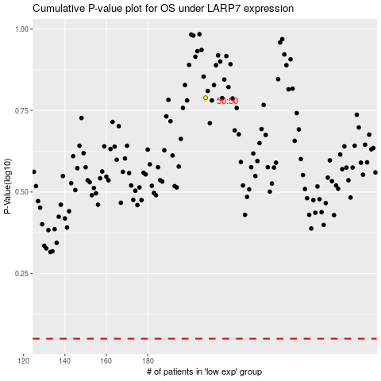

 |  |  |  |  |  | cases_OS | p_OS | rank | exp
 |  |  |  |  |  |  | cases_RFS | p_RFS | rank | exp

