LASS1 _multivariate
Reported by Tex Li-Hsing Chi. tex@gate.sinica.edu.tw 2019-08-18

Table 2. The clinicopathological features of HNSCC cohort and LASS1 expression. (Chi square test)
Cutoff at -0.322 (50.0%)
 |  | LASS1 expression |  | LASS1 expression |  | (Optimised)
 | Features | Low | (%) | High | (%) | Case no | P-value | Remark | Matthews
Gender | Female | 153 | 36.9 | 153 | 36.9 | 415 | 1 | 0 | 0
2 | Male | 54 | 13 | 55 | 13.3
Age at diagnosis | <=65y | 130 | 31.3 | 144 | 34.7 | 415 | 0.2009 | 0 | 0
4 | >65y | 77 | 18.6 | 64 | 15.4
Clinical T Status | T1+T2 | 71 | 17.1 | 78 | 18.8 | 415 | 0.5638 | 0 | 0
6 | T3+T4 | 136 | 32.8 | 130 | 31.3
Clinical N Status | N0 | 113 | 27.2 | 103 | 24.8 | 415 | 0.3495 | 1 | 0
8 | N1-3 | 94 | 22.7 | 105 | 25.3
Clinical M Status | M0 | 204 | 49.2 | 208 | 50.1 | 415 | 0.1232 | 0 | 0
10 | M1 | 3 | 0.7 | 0 | 0
Clinical Stage | Stage I+II | 47 | 11.3 | 55 | 13.3 | 415 | 0.4413 | 0 | 0
12 | Stage III+IV | 160 | 38.6 | 153 | 36.9
Surgical Margin status | Negative | 166 | 40 | 152 | 36.6 | 415 | 0.1042 | 0 | 0
14 | Positive | 41 | 9.9 | 56 | 13.5
Tobacco Exposure | Low | 92 | 22.2 | 69 | 16.6 | 415 | 0.0206 | 1 | 0
16 | High | 115 | 27.7 | 139 | 33.5

Table 3. Univariate/Multivariate Cox's proportional hazards regression analyses on OS time of LASS1 gene expression in HNSCC

 |  | Univariate |  |  |  | Multivariate
 | Features | HR | CI95%(L) | CI95%(H) | P-value | HR | CI95%(L) | CI95%(H) | P-value
1 | Female | 1 |  |  |  | 1
Gender | Male | 1.157 | 0.843 | 1.587 | 0.367 | 1.202 | 0.86 | 1.679 | 0.281
11 | <=65y | 1 |  |  |  | 1
Age at diagnosis | >65y | 1.329 | 0.99 | 1.784 | 0.058 | 1.388 | 1.02 | 1.888 | 0.037
12 | T1+T2 | 1 |  |  |  | 1
Clinical T Status | T3+T4 | 1.409 | 1.028 | 1.931 | 0.033 | 2.211 | 1.168 | 4.184 | 0.015
13 | N0 | 1 |  |  |  | 1
Clinical N Status | N1-3 | 1.185 | 0.89 | 1.577 | 0.246 | 1.249 | 0.872 | 1.788 | 0.225
14 | M0 | 1 |  |  |  | 1
Clinical M Status | M1 | 4.097 | 1.009 | 16.644 | 0.049 | 9.252 | 2.007 | 42.656 | 0.004
15 | Stage I+II | 1 |  |  |  | 1
Clinical Stage | Stage III+IV | 1.245 | 0.882 | 1.759 | 0.213 | 0.5 | 0.232 | 1.077 | 0.077
16 | Negative | 1 |  |  |  | 1
Surgical Margin status | Positive | 1.591 | 1.155 | 2.191 | 0.004 | 1.682 | 1.213 | 2.332 | 0.002
17 | Low | 1 |  |  |  | 1
Tobacco Exposure | High | 1.364 | 1.008 | 1.844 | 0.044 | 1.461 | 1.057 | 2.019 | 0.022
18 | Low | 1 |  |  |  | 1
RNAseq(z-score) | High | 1.053 | 0.791 | 1.401 | 0.726 | 0.964 | 0.714 | 1.3 | 0.808

Table 4. Univariate/Multivariate Cox's proportional hazards regression analyses on RFS time of LASS1 gene expression in HNSCC

 |  | Univariate |  |  |  | Multivariate
 | Features | HR | CI95%(L) | CI95%(H) | P-value | HR | CI95%(L) | CI95%(H) | P-value
1 | Female | 1 |  |  |  | 1
Gender | Male | 1.157 | 0.843 | 1.587 | 0.367 | 1.202 | 0.86 | 1.679 | 0.281
11 | <=65y | 1 |  |  |  | 1
Age at diagnosis | >65y | 1.329 | 0.99 | 1.784 | 0.058 | 1.388 | 1.02 | 1.888 | 0.037
12 | T1+T2 | 1 |  |  |  | 1
Clinical T Status | T3+T4 | 1.409 | 1.028 | 1.931 | 0.033 | 2.211 | 1.168 | 4.184 | 0.015
13 | N0 | 1 |  |  |  | 1
Clinical N Status | N1-3 | 1.185 | 0.89 | 1.577 | 0.246 | 1.249 | 0.872 | 1.788 | 0.225
14 | M0 | 1 |  |  |  | 1
Clinical M Status | M1 | 4.097 | 1.009 | 16.644 | 0.049 | 9.252 | 2.007 | 42.656 | 0.004
15 | Stage I+II | 1 |  |  |  | 1
Clinical Stage | Stage III+IV | 1.245 | 0.882 | 1.759 | 0.213 | 0.5 | 0.232 | 1.077 | 0.077
16 | Negative | 1 |  |  |  | 1
Surgical Margin status | Positive | 1.591 | 1.155 | 2.191 | 0.004 | 1.682 | 1.213 | 2.332 | 0.002
17 | Low | 1 |  |  |  | 1
Tobacco Exposure | High | 1.364 | 1.008 | 1.844 | 0.044 | 1.461 | 1.057 | 2.019 | 0.022
18 | Low | 1 |  |  |  | 1
RNAseq(z-score) | High | 1.053 | 0.791 | 1.401 | 0.726 | 0.964 | 0.714 | 1.3 | 0.808

Kaplan-Meier survival estimate: Cutoff at -0.322 (50.0%)



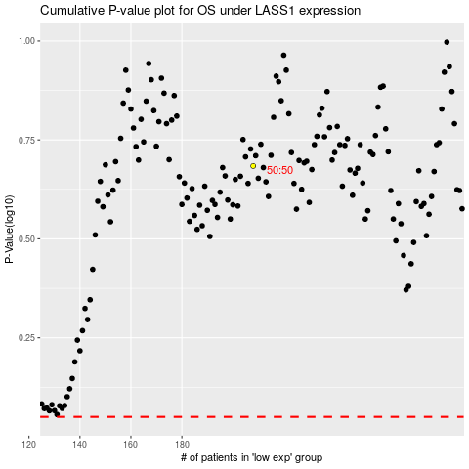

 |  |  |  |  |  | cases_OS | p_OS | rank | exp
 |  |  |  |  |  |  | cases_RFS | p_RFS | rank | exp

