LASS3 _multivariate
Reported by Tex Li-Hsing Chi. tex@gate.sinica.edu.tw 2019-08-18

Table 2. The clinicopathological features of HNSCC cohort and LASS3 expression. (Chi square test)
Cutoff at -0.259 (50.0%)
 |  | LASS3 expression |  | LASS3 expression |  | (Optimised)
 | Features | Low | (%) | High | (%) | Case no | P-value | Remark | Matthews
Gender | Female | 157 | 37.8 | 149 | 35.9 | 415 | 0.3881 | 0 | 0
2 | Male | 50 | 12 | 59 | 14.2
Age at diagnosis | <=65y | 140 | 33.7 | 134 | 32.3 | 415 | 0.5574 | 0 | 0
4 | >65y | 67 | 16.1 | 74 | 17.8
Clinical T Status | T1+T2 | 79 | 19 | 70 | 16.9 | 415 | 0.3924 | 0 | 0
6 | T3+T4 | 128 | 30.8 | 138 | 33.3
Clinical N Status | N0 | 91 | 21.9 | 125 | 30.1 | 415 | 0.0014 | 1 | 0
8 | N1-3 | 116 | 28 | 83 | 20
Clinical M Status | M0 | 206 | 49.6 | 206 | 49.6 | 415 | 1 | 0 | 0
10 | M1 | 1 | 0.2 | 2 | 0.5
Clinical Stage | Stage I+II | 48 | 11.6 | 54 | 13 | 415 | 0.5878 | 0 | 0
12 | Stage III+IV | 159 | 38.3 | 154 | 37.1
Surgical Margin status | Negative | 156 | 37.6 | 162 | 39 | 415 | 0.5636 | 0 | 0
14 | Positive | 51 | 12.3 | 46 | 11.1
Tobacco Exposure | Low | 73 | 17.6 | 88 | 21.2 | 415 | 0.1587 | 0 | 0
16 | High | 134 | 32.3 | 120 | 28.9

Table 3. Univariate/Multivariate Cox's proportional hazards regression analyses on OS time of LASS3 gene expression in HNSCC

 |  | Univariate |  |  |  | Multivariate
 | Features | HR | CI95%(L) | CI95%(H) | P-value | HR | CI95%(L) | CI95%(H) | P-value
1 | Female | 1 |  |  |  | 1
Gender | Male | 1.157 | 0.843 | 1.587 | 0.367 | 1.222 | 0.875 | 1.706 | 0.239
11 | <=65y | 1 |  |  |  | 1
Age at diagnosis | >65y | 1.329 | 0.99 | 1.784 | 0.058 | 1.4 | 1.029 | 1.905 | 0.032
12 | T1+T2 | 1 |  |  |  | 1
Clinical T Status | T3+T4 | 1.409 | 1.028 | 1.931 | 0.033 | 2.262 | 1.195 | 4.28 | 0.012
13 | N0 | 1 |  |  |  | 1
Clinical N Status | N1-3 | 1.185 | 0.89 | 1.577 | 0.246 | 1.177 | 0.819 | 1.691 | 0.379
14 | M0 | 1 |  |  |  | 1
Clinical M Status | M1 | 4.097 | 1.009 | 16.644 | 0.049 | 10.569 | 2.287 | 48.845 | 0.003
15 | Stage I+II | 1 |  |  |  | 1
Clinical Stage | Stage III+IV | 1.245 | 0.882 | 1.759 | 0.213 | 0.506 | 0.236 | 1.086 | 0.08
16 | Negative | 1 |  |  |  | 1
Surgical Margin status | Positive | 1.591 | 1.155 | 2.191 | 0.004 | 1.675 | 1.212 | 2.314 | 0.002
17 | Low | 1 |  |  |  | 1
Tobacco Exposure | High | 1.364 | 1.008 | 1.844 | 0.044 | 1.441 | 1.046 | 1.985 | 0.025
18 | Low | 1 |  |  |  | 1
RNAseq(z-score) | High | 0.835 | 0.627 | 1.113 | 0.22 | 0.799 | 0.594 | 1.076 | 0.14

Table 4. Univariate/Multivariate Cox's proportional hazards regression analyses on RFS time of LASS3 gene expression in HNSCC

 |  | Univariate |  |  |  | Multivariate
 | Features | HR | CI95%(L) | CI95%(H) | P-value | HR | CI95%(L) | CI95%(H) | P-value
1 | Female | 1 |  |  |  | 1
Gender | Male | 1.157 | 0.843 | 1.587 | 0.367 | 1.222 | 0.875 | 1.706 | 0.239
11 | <=65y | 1 |  |  |  | 1
Age at diagnosis | >65y | 1.329 | 0.99 | 1.784 | 0.058 | 1.4 | 1.029 | 1.905 | 0.032
12 | T1+T2 | 1 |  |  |  | 1
Clinical T Status | T3+T4 | 1.409 | 1.028 | 1.931 | 0.033 | 2.262 | 1.195 | 4.28 | 0.012
13 | N0 | 1 |  |  |  | 1
Clinical N Status | N1-3 | 1.185 | 0.89 | 1.577 | 0.246 | 1.177 | 0.819 | 1.691 | 0.379
14 | M0 | 1 |  |  |  | 1
Clinical M Status | M1 | 4.097 | 1.009 | 16.644 | 0.049 | 10.569 | 2.287 | 48.845 | 0.003
15 | Stage I+II | 1 |  |  |  | 1
Clinical Stage | Stage III+IV | 1.245 | 0.882 | 1.759 | 0.213 | 0.506 | 0.236 | 1.086 | 0.08
16 | Negative | 1 |  |  |  | 1
Surgical Margin status | Positive | 1.591 | 1.155 | 2.191 | 0.004 | 1.675 | 1.212 | 2.314 | 0.002
17 | Low | 1 |  |  |  | 1
Tobacco Exposure | High | 1.364 | 1.008 | 1.844 | 0.044 | 1.441 | 1.046 | 1.985 | 0.025
18 | Low | 1 |  |  |  | 1
RNAseq(z-score) | High | 0.835 | 0.627 | 1.113 | 0.22 | 0.799 | 0.594 | 1.076 | 0.14

Kaplan-Meier survival estimate: Cutoff at -0.259 (50.0%)



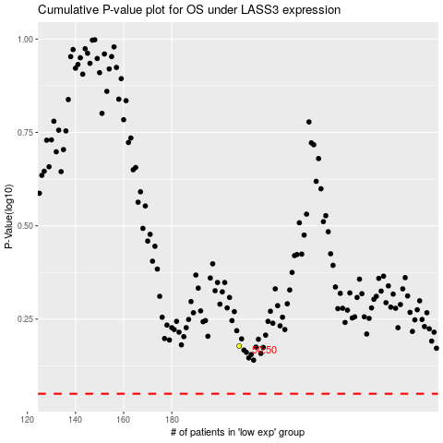

 |  |  |  |  |  | cases_OS | p_OS | rank | exp
 |  |  |  |  |  |  | cases_RFS | p_RFS | rank | exp

