LAT2 _multivariate
Reported by Tex Li-Hsing Chi. tex@gate.sinica.edu.tw 2019-08-18

Table 2. The clinicopathological features of HNSCC cohort and LAT2 expression. (Chi square test)
Cutoff at -0.5 (32.1%)
 |  | LAT2 expression |  | LAT2 expression |  | (Optimised)
 | Features | Low | (%) | High | (%) | Case no | P-value | Remark | Matthews
Gender | Female | 106 | 25.5 | 200 | 48.2 | 415 | 0.1102 | 0 | 0
2 | Male | 28 | 6.7 | 81 | 19.5
Age at diagnosis | <=65y | 92 | 22.2 | 182 | 43.9 | 415 | 0.5021 | 0 | 0
4 | >65y | 42 | 10.1 | 99 | 23.9
Clinical T Status | T1+T2 | 47 | 11.3 | 102 | 24.6 | 415 | 0.8937 | 0 | 0
6 | T3+T4 | 87 | 21 | 179 | 43.1
Clinical N Status | N0 | 74 | 17.8 | 142 | 34.2 | 415 | 0.43 | 0 | 0
8 | N1-3 | 60 | 14.5 | 139 | 33.5
Clinical M Status | M0 | 134 | 32.3 | 278 | 67 | 415 | 0.5542 | 0 | 0
10 | M1 | 0 | 0 | 3 | 0.7
Clinical Stage | Stage I+II | 33 | 8 | 69 | 16.6 | 415 | 1 | 0 | 0
12 | Stage III+IV | 101 | 24.3 | 212 | 51.1
Surgical Margin status | Negative | 99 | 23.9 | 219 | 52.8 | 415 | 0.3862 | 0 | 0
14 | Positive | 35 | 8.4 | 62 | 14.9
Tobacco Exposure | Low | 50 | 12 | 111 | 26.7 | 415 | 0.7467 | 0 | 0
16 | High | 84 | 20.2 | 170 | 41

Table 3. Univariate/Multivariate Cox's proportional hazards regression analyses on OS time of LAT2 gene expression in HNSCC

 |  | Univariate |  |  |  | Multivariate
 | Features | HR | CI95%(L) | CI95%(H) | P-value | HR | CI95%(L) | CI95%(H) | P-value
1 | Female | 1 |  |  |  | 1
Gender | Male | 1.157 | 0.843 | 1.587 | 0.367 | 1.226 | 0.876 | 1.715 | 0.235
11 | <=65y | 1 |  |  |  | 1
Age at diagnosis | >65y | 1.329 | 0.99 | 1.784 | 0.058 | 1.39 | 1.024 | 1.888 | 0.035
12 | T1+T2 | 1 |  |  |  | 1
Clinical T Status | T3+T4 | 1.409 | 1.028 | 1.931 | 0.033 | 2.224 | 1.176 | 4.204 | 0.014
13 | N0 | 1 |  |  |  | 1
Clinical N Status | N1-3 | 1.185 | 0.89 | 1.577 | 0.246 | 1.254 | 0.879 | 1.789 | 0.211
14 | M0 | 1 |  |  |  | 1
Clinical M Status | M1 | 4.097 | 1.009 | 16.644 | 0.049 | 10.698 | 2.322 | 49.297 | 0.002
15 | Stage I+II | 1 |  |  |  | 1
Clinical Stage | Stage III+IV | 1.245 | 0.882 | 1.759 | 0.213 | 0.501 | 0.234 | 1.075 | 0.076
16 | Negative | 1 |  |  |  | 1
Surgical Margin status | Positive | 1.591 | 1.155 | 2.191 | 0.004 | 1.695 | 1.226 | 2.343 | 0.001
17 | Low | 1 |  |  |  | 1
Tobacco Exposure | High | 1.364 | 1.008 | 1.844 | 0.044 | 1.44 | 1.044 | 1.984 | 0.026
18 | Low | 1 |  |  |  | 1
RNAseq(z-score) | High | 0.742 | 0.552 | 0.996 | 0.047 | 0.713 | 0.53 | 0.961 | 0.026

Table 4. Univariate/Multivariate Cox's proportional hazards regression analyses on RFS time of LAT2 gene expression in HNSCC

 |  | Univariate |  |  |  | Multivariate
 | Features | HR | CI95%(L) | CI95%(H) | P-value | HR | CI95%(L) | CI95%(H) | P-value
1 | Female | 1 |  |  |  | 1
Gender | Male | 1.157 | 0.843 | 1.587 | 0.367 | 1.226 | 0.876 | 1.715 | 0.235
11 | <=65y | 1 |  |  |  | 1
Age at diagnosis | >65y | 1.329 | 0.99 | 1.784 | 0.058 | 1.39 | 1.024 | 1.888 | 0.035
12 | T1+T2 | 1 |  |  |  | 1
Clinical T Status | T3+T4 | 1.409 | 1.028 | 1.931 | 0.033 | 2.224 | 1.176 | 4.204 | 0.014
13 | N0 | 1 |  |  |  | 1
Clinical N Status | N1-3 | 1.185 | 0.89 | 1.577 | 0.246 | 1.254 | 0.879 | 1.789 | 0.211
14 | M0 | 1 |  |  |  | 1
Clinical M Status | M1 | 4.097 | 1.009 | 16.644 | 0.049 | 10.698 | 2.322 | 49.297 | 0.002
15 | Stage I+II | 1 |  |  |  | 1
Clinical Stage | Stage III+IV | 1.245 | 0.882 | 1.759 | 0.213 | 0.501 | 0.234 | 1.075 | 0.076
16 | Negative | 1 |  |  |  | 1
Surgical Margin status | Positive | 1.591 | 1.155 | 2.191 | 0.004 | 1.695 | 1.226 | 2.343 | 0.001
17 | Low | 1 |  |  |  | 1
Tobacco Exposure | High | 1.364 | 1.008 | 1.844 | 0.044 | 1.44 | 1.044 | 1.984 | 0.026
18 | Low | 1 |  |  |  | 1
RNAseq(z-score) | High | 0.742 | 0.552 | 0.996 | 0.047 | 0.713 | 0.53 | 0.961 | 0.026

Kaplan-Meier survival estimate: Cutoff at -0.5 (32.1%)



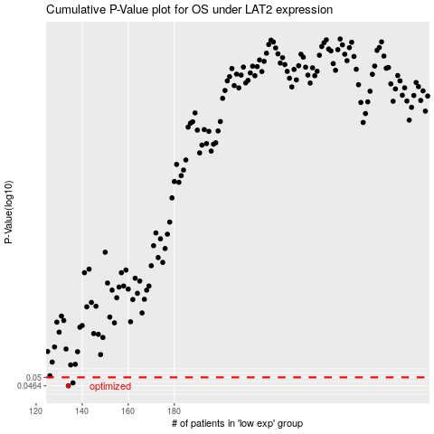

 |  |  |  |  |  | cases_OS | p_OS | rank | exp
 |  |  |  |  |  | 134 | 0.0464 | 334 | -0.49989385306
 |  |  |  |  |  | 136 | 0.0476 | 102 | -0.49547041695
 |  |  |  |  |  |  | cases_RFS | p_RFS | rank | exp
 |  |  |  |  |  |  | 133 | 0.0464 | 261 | -0.50029227392
 |  |  |  |  |  |  | 135 | 0.0476 | 48 | -0.4997899817

