LBH _multivariate
Reported by Tex Li-Hsing Chi. tex@gate.sinica.edu.tw 2019-08-18

Table 2. The clinicopathological features of HNSCC cohort and LBH expression. (Chi square test)
Cutoff at -0.204 (50.0%)
 |  | LBH expression |  | LBH expression |  | (Optimised)
 | Features | Low | (%) | High | (%) | Case no | P-value | Remark | Matthews
Gender | Female | 155 | 37.3 | 151 | 36.4 | 415 | 0.6768 | 0 | 0
2 | Male | 52 | 12.5 | 57 | 13.7
Age at diagnosis | <=65y | 139 | 33.5 | 135 | 32.5 | 415 | 0.7044 | 0 | 0
4 | >65y | 68 | 16.4 | 73 | 17.6
Clinical T Status | T1+T2 | 58 | 14 | 91 | 21.9 | 415 | 0.0012 | 1 | 0
6 | T3+T4 | 149 | 35.9 | 117 | 28.2
Clinical N Status | N0 | 110 | 26.5 | 106 | 25.5 | 415 | 0.7294 | 0 | 0
8 | N1-3 | 97 | 23.4 | 102 | 24.6
Clinical M Status | M0 | 206 | 49.6 | 206 | 49.6 | 415 | 1 | 0 | 0
10 | M1 | 1 | 0.2 | 2 | 0.5
Clinical Stage | Stage I+II | 41 | 9.9 | 61 | 14.7 | 415 | 0.0325 | 1 | 0
12 | Stage III+IV | 166 | 40 | 147 | 35.4
Surgical Margin status | Negative | 155 | 37.3 | 163 | 39.3 | 415 | 0.4187 | 0 | 0
14 | Positive | 52 | 12.5 | 45 | 10.8
Tobacco Exposure | Low | 74 | 17.8 | 87 | 21 | 415 | 0.227 | 0 | 0
16 | High | 133 | 32 | 121 | 29.2

Table 3. Univariate/Multivariate Cox's proportional hazards regression analyses on OS time of LBH gene expression in HNSCC

 |  | Univariate |  |  |  | Multivariate
 | Features | HR | CI95%(L) | CI95%(H) | P-value | HR | CI95%(L) | CI95%(H) | P-value
1 | Female | 1 |  |  |  | 1
Gender | Male | 1.157 | 0.843 | 1.587 | 0.367 | 1.21 | 0.866 | 1.691 | 0.264
11 | <=65y | 1 |  |  |  | 1
Age at diagnosis | >65y | 1.329 | 0.99 | 1.784 | 0.058 | 1.397 | 1.028 | 1.901 | 0.033
12 | T1+T2 | 1 |  |  |  | 1
Clinical T Status | T3+T4 | 1.409 | 1.028 | 1.931 | 0.033 | 2.227 | 1.176 | 4.214 | 0.014
13 | N0 | 1 |  |  |  | 1
Clinical N Status | N1-3 | 1.185 | 0.89 | 1.577 | 0.246 | 1.225 | 0.857 | 1.751 | 0.265
14 | M0 | 1 |  |  |  | 1
Clinical M Status | M1 | 4.097 | 1.009 | 16.644 | 0.049 | 9.419 | 2.055 | 43.178 | 0.004
15 | Stage I+II | 1 |  |  |  | 1
Clinical Stage | Stage III+IV | 1.245 | 0.882 | 1.759 | 0.213 | 0.509 | 0.237 | 1.093 | 0.083
16 | Negative | 1 |  |  |  | 1
Surgical Margin status | Positive | 1.591 | 1.155 | 2.191 | 0.004 | 1.671 | 1.21 | 2.309 | 0.002
17 | Low | 1 |  |  |  | 1
Tobacco Exposure | High | 1.364 | 1.008 | 1.844 | 0.044 | 1.466 | 1.063 | 2.022 | 0.02
18 | Low | 1 |  |  |  | 1
RNAseq(z-score) | High | 1.029 | 0.772 | 1.372 | 0.843 | 1.106 | 0.826 | 1.482 | 0.498

Table 4. Univariate/Multivariate Cox's proportional hazards regression analyses on RFS time of LBH gene expression in HNSCC

 |  | Univariate |  |  |  | Multivariate
 | Features | HR | CI95%(L) | CI95%(H) | P-value | HR | CI95%(L) | CI95%(H) | P-value
1 | Female | 1 |  |  |  | 1
Gender | Male | 1.157 | 0.843 | 1.587 | 0.367 | 1.21 | 0.866 | 1.691 | 0.264
11 | <=65y | 1 |  |  |  | 1
Age at diagnosis | >65y | 1.329 | 0.99 | 1.784 | 0.058 | 1.397 | 1.028 | 1.901 | 0.033
12 | T1+T2 | 1 |  |  |  | 1
Clinical T Status | T3+T4 | 1.409 | 1.028 | 1.931 | 0.033 | 2.227 | 1.176 | 4.214 | 0.014
13 | N0 | 1 |  |  |  | 1
Clinical N Status | N1-3 | 1.185 | 0.89 | 1.577 | 0.246 | 1.225 | 0.857 | 1.751 | 0.265
14 | M0 | 1 |  |  |  | 1
Clinical M Status | M1 | 4.097 | 1.009 | 16.644 | 0.049 | 9.419 | 2.055 | 43.178 | 0.004
15 | Stage I+II | 1 |  |  |  | 1
Clinical Stage | Stage III+IV | 1.245 | 0.882 | 1.759 | 0.213 | 0.509 | 0.237 | 1.093 | 0.083
16 | Negative | 1 |  |  |  | 1
Surgical Margin status | Positive | 1.591 | 1.155 | 2.191 | 0.004 | 1.671 | 1.21 | 2.309 | 0.002
17 | Low | 1 |  |  |  | 1
Tobacco Exposure | High | 1.364 | 1.008 | 1.844 | 0.044 | 1.466 | 1.063 | 2.022 | 0.02
18 | Low | 1 |  |  |  | 1
RNAseq(z-score) | High | 1.029 | 0.772 | 1.372 | 0.843 | 1.106 | 0.826 | 1.482 | 0.498

Kaplan-Meier survival estimate: Cutoff at -0.204 (50.0%)



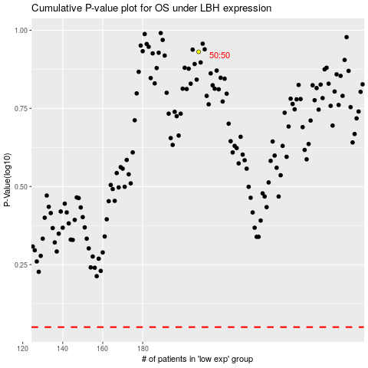

 |  |  |  |  |  | cases_OS | p_OS | rank | exp
 |  |  |  |  |  |  | cases_RFS | p_RFS | rank | exp

