LBR _multivariate
Reported by Tex Li-Hsing Chi. tex@gate.sinica.edu.tw 2019-08-18

Table 2. The clinicopathological features of HNSCC cohort and LBR expression. (Chi square test)
Cutoff at -0.216 (49.8%)
 |  | LBR expression |  | LBR expression |  | (Optimised)
 | Features | Low | (%) | High | (%) | Case no | P-value | Remark | Matthews
Gender | Female | 148 | 35.7 | 158 | 38.1 | 415 | 0.3567 | 0 | 0
2 | Male | 59 | 14.2 | 50 | 12
Age at diagnosis | <=65y | 139 | 33.5 | 135 | 32.5 | 415 | 0.7044 | 0 | 0
4 | >65y | 68 | 16.4 | 73 | 17.6
Clinical T Status | T1+T2 | 79 | 19 | 70 | 16.9 | 415 | 0.3924 | 0 | 0
6 | T3+T4 | 128 | 30.8 | 138 | 33.3
Clinical N Status | N0 | 116 | 28 | 100 | 24.1 | 415 | 0.1273 | 1 | 0
8 | N1-3 | 91 | 21.9 | 108 | 26
Clinical M Status | M0 | 204 | 49.2 | 208 | 50.1 | 415 | 0.1232 | 0 | 0
10 | M1 | 3 | 0.7 | 0 | 0
Clinical Stage | Stage I+II | 56 | 13.5 | 46 | 11.1 | 415 | 0.2918 | 0 | 0
12 | Stage III+IV | 151 | 36.4 | 162 | 39
Surgical Margin status | Negative | 164 | 39.5 | 154 | 37.1 | 415 | 0.2462 | 0 | 0
14 | Positive | 43 | 10.4 | 54 | 13
Tobacco Exposure | Low | 96 | 23.1 | 65 | 15.7 | 415 | 0.0018 | 1 | 0
16 | High | 111 | 26.7 | 143 | 34.5

Table 3. Univariate/Multivariate Cox's proportional hazards regression analyses on OS time of LBR gene expression in HNSCC

 |  | Univariate |  |  |  | Multivariate
 | Features | HR | CI95%(L) | CI95%(H) | P-value | HR | CI95%(L) | CI95%(H) | P-value
1 | Female | 1 |  |  |  | 1
Gender | Male | 1.157 | 0.843 | 1.587 | 0.367 | 1.203 | 0.861 | 1.681 | 0.278
11 | <=65y | 1 |  |  |  | 1
Age at diagnosis | >65y | 1.329 | 0.99 | 1.784 | 0.058 | 1.396 | 1.027 | 1.899 | 0.033
12 | T1+T2 | 1 |  |  |  | 1
Clinical T Status | T3+T4 | 1.409 | 1.028 | 1.931 | 0.033 | 2.185 | 1.154 | 4.136 | 0.016
13 | N0 | 1 |  |  |  | 1
Clinical N Status | N1-3 | 1.185 | 0.89 | 1.577 | 0.246 | 1.244 | 0.872 | 1.776 | 0.228
14 | M0 | 1 |  |  |  | 1
Clinical M Status | M1 | 4.097 | 1.009 | 16.644 | 0.049 | 9.067 | 1.956 | 42.027 | 0.005
15 | Stage I+II | 1 |  |  |  | 1
Clinical Stage | Stage III+IV | 1.245 | 0.882 | 1.759 | 0.213 | 0.509 | 0.237 | 1.094 | 0.084
16 | Negative | 1 |  |  |  | 1
Surgical Margin status | Positive | 1.591 | 1.155 | 2.191 | 0.004 | 1.679 | 1.214 | 2.322 | 0.002
17 | Low | 1 |  |  |  | 1
Tobacco Exposure | High | 1.364 | 1.008 | 1.844 | 0.044 | 1.469 | 1.061 | 2.034 | 0.021
18 | Low | 1 |  |  |  | 1
RNAseq(z-score) | High | 1.007 | 0.757 | 1.341 | 0.96 | 0.944 | 0.702 | 1.267 | 0.699

Table 4. Univariate/Multivariate Cox's proportional hazards regression analyses on RFS time of LBR gene expression in HNSCC

 |  | Univariate |  |  |  | Multivariate
 | Features | HR | CI95%(L) | CI95%(H) | P-value | HR | CI95%(L) | CI95%(H) | P-value
1 | Female | 1 |  |  |  | 1
Gender | Male | 1.157 | 0.843 | 1.587 | 0.367 | 1.203 | 0.861 | 1.681 | 0.278
11 | <=65y | 1 |  |  |  | 1
Age at diagnosis | >65y | 1.329 | 0.99 | 1.784 | 0.058 | 1.396 | 1.027 | 1.899 | 0.033
12 | T1+T2 | 1 |  |  |  | 1
Clinical T Status | T3+T4 | 1.409 | 1.028 | 1.931 | 0.033 | 2.185 | 1.154 | 4.136 | 0.016
13 | N0 | 1 |  |  |  | 1
Clinical N Status | N1-3 | 1.185 | 0.89 | 1.577 | 0.246 | 1.244 | 0.872 | 1.776 | 0.228
14 | M0 | 1 |  |  |  | 1
Clinical M Status | M1 | 4.097 | 1.009 | 16.644 | 0.049 | 9.067 | 1.956 | 42.027 | 0.005
15 | Stage I+II | 1 |  |  |  | 1
Clinical Stage | Stage III+IV | 1.245 | 0.882 | 1.759 | 0.213 | 0.509 | 0.237 | 1.094 | 0.084
16 | Negative | 1 |  |  |  | 1
Surgical Margin status | Positive | 1.591 | 1.155 | 2.191 | 0.004 | 1.679 | 1.214 | 2.322 | 0.002
17 | Low | 1 |  |  |  | 1
Tobacco Exposure | High | 1.364 | 1.008 | 1.844 | 0.044 | 1.469 | 1.061 | 2.034 | 0.021
18 | Low | 1 |  |  |  | 1
RNAseq(z-score) | High | 1.007 | 0.757 | 1.341 | 0.96 | 0.944 | 0.702 | 1.267 | 0.699

Kaplan-Meier survival estimate: Cutoff at -0.216 (49.8%)



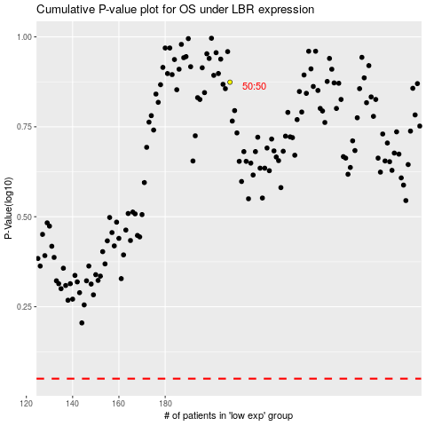

 |  |  |  |  |  | cases_OS | p_OS | rank | exp
 |  |  |  |  |  |  | cases_RFS | p_RFS | rank | exp

