LBX2 _multivariate
Reported by Tex Li-Hsing Chi. tex@gate.sinica.edu.tw 2019-08-18

Table 2. The clinicopathological features of HNSCC cohort and LBX2 expression. (Chi square test)
Cutoff at -0.155 (49.8%)
 |  | LBX2 expression |  | LBX2 expression |  | (Optimised)
 | Features | Low | (%) | High | (%) | Case no | P-value | Remark | Matthews
Gender | Female | 143 | 34.5 | 163 | 39.3 | 415 | 0.0416 | 1 | 0
2 | Male | 64 | 15.4 | 45 | 10.8
Age at diagnosis | <=65y | 141 | 34 | 133 | 32 | 415 | 0.4272 | 0 | 0
4 | >65y | 66 | 15.9 | 75 | 18.1
Clinical T Status | T1+T2 | 78 | 18.8 | 71 | 17.1 | 415 | 0.5152 | 0 | 0
6 | T3+T4 | 129 | 31.1 | 137 | 33
Clinical N Status | N0 | 97 | 23.4 | 119 | 28.7 | 415 | 0.0442 | 1 | 0
8 | N1-3 | 110 | 26.5 | 89 | 21.4
Clinical M Status | M0 | 206 | 49.6 | 206 | 49.6 | 415 | 1 | 0 | 0
10 | M1 | 1 | 0.2 | 2 | 0.5
Clinical Stage | Stage I+II | 51 | 12.3 | 51 | 12.3 | 415 | 1 | 0 | 0
12 | Stage III+IV | 156 | 37.6 | 157 | 37.8
Surgical Margin status | Negative | 164 | 39.5 | 154 | 37.1 | 415 | 0.2462 | 0 | 0
14 | Positive | 43 | 10.4 | 54 | 13
Tobacco Exposure | Low | 81 | 19.5 | 80 | 19.3 | 415 | 0.9199 | 0 | 0
16 | High | 126 | 30.4 | 128 | 30.8

Table 3. Univariate/Multivariate Cox's proportional hazards regression analyses on OS time of LBX2 gene expression in HNSCC

 |  | Univariate |  |  |  | Multivariate
 | Features | HR | CI95%(L) | CI95%(H) | P-value | HR | CI95%(L) | CI95%(H) | P-value
1 | Female | 1 |  |  |  | 1
Gender | Male | 1.157 | 0.843 | 1.587 | 0.367 | 1.195 | 0.856 | 1.67 | 0.295
11 | <=65y | 1 |  |  |  | 1
Age at diagnosis | >65y | 1.329 | 0.99 | 1.784 | 0.058 | 1.399 | 1.028 | 1.903 | 0.033
12 | T1+T2 | 1 |  |  |  | 1
Clinical T Status | T3+T4 | 1.409 | 1.028 | 1.931 | 0.033 | 2.245 | 1.185 | 4.251 | 0.013
13 | N0 | 1 |  |  |  | 1
Clinical N Status | N1-3 | 1.185 | 0.89 | 1.577 | 0.246 | 1.23 | 0.862 | 1.756 | 0.254
14 | M0 | 1 |  |  |  | 1
Clinical M Status | M1 | 4.097 | 1.009 | 16.644 | 0.049 | 9.925 | 2.153 | 45.753 | 0.003
15 | Stage I+II | 1 |  |  |  | 1
Clinical Stage | Stage III+IV | 1.245 | 0.882 | 1.759 | 0.213 | 0.502 | 0.234 | 1.078 | 0.077
16 | Negative | 1 |  |  |  | 1
Surgical Margin status | Positive | 1.591 | 1.155 | 2.191 | 0.004 | 1.691 | 1.222 | 2.34 | 0.002
17 | Low | 1 |  |  |  | 1
Tobacco Exposure | High | 1.364 | 1.008 | 1.844 | 0.044 | 1.466 | 1.062 | 2.022 | 0.02
18 | Low | 1 |  |  |  | 1
RNAseq(z-score) | High | 0.98 | 0.734 | 1.307 | 0.888 | 0.888 | 0.662 | 1.191 | 0.428

Table 4. Univariate/Multivariate Cox's proportional hazards regression analyses on RFS time of LBX2 gene expression in HNSCC

 |  | Univariate |  |  |  | Multivariate
 | Features | HR | CI95%(L) | CI95%(H) | P-value | HR | CI95%(L) | CI95%(H) | P-value
1 | Female | 1 |  |  |  | 1
Gender | Male | 1.157 | 0.843 | 1.587 | 0.367 | 1.195 | 0.856 | 1.67 | 0.295
11 | <=65y | 1 |  |  |  | 1
Age at diagnosis | >65y | 1.329 | 0.99 | 1.784 | 0.058 | 1.399 | 1.028 | 1.903 | 0.033
12 | T1+T2 | 1 |  |  |  | 1
Clinical T Status | T3+T4 | 1.409 | 1.028 | 1.931 | 0.033 | 2.245 | 1.185 | 4.251 | 0.013
13 | N0 | 1 |  |  |  | 1
Clinical N Status | N1-3 | 1.185 | 0.89 | 1.577 | 0.246 | 1.23 | 0.862 | 1.756 | 0.254
14 | M0 | 1 |  |  |  | 1
Clinical M Status | M1 | 4.097 | 1.009 | 16.644 | 0.049 | 9.925 | 2.153 | 45.753 | 0.003
15 | Stage I+II | 1 |  |  |  | 1
Clinical Stage | Stage III+IV | 1.245 | 0.882 | 1.759 | 0.213 | 0.502 | 0.234 | 1.078 | 0.077
16 | Negative | 1 |  |  |  | 1
Surgical Margin status | Positive | 1.591 | 1.155 | 2.191 | 0.004 | 1.691 | 1.222 | 2.34 | 0.002
17 | Low | 1 |  |  |  | 1
Tobacco Exposure | High | 1.364 | 1.008 | 1.844 | 0.044 | 1.466 | 1.062 | 2.022 | 0.02
18 | Low | 1 |  |  |  | 1
RNAseq(z-score) | High | 0.98 | 0.734 | 1.307 | 0.888 | 0.888 | 0.662 | 1.191 | 0.428

Kaplan-Meier survival estimate: Cutoff at -0.155 (49.8%)

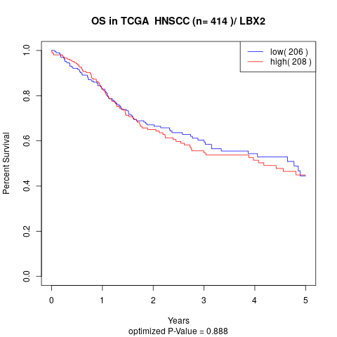

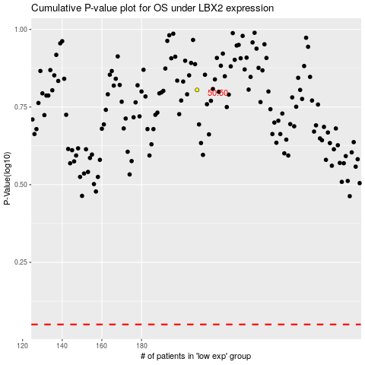

 |  |  |  |  |  | cases_OS | p_OS | rank | exp
 |  |  |  |  |  |  | cases_RFS | p_RFS | rank | exp

