LBXCOR1 _multivariate
Reported by Tex Li-Hsing Chi. tex@gate.sinica.edu.tw 2019-08-18

Table 2. The clinicopathological features of HNSCC cohort and LBXCOR1 expression. (Chi square test)
Cutoff at -0.213 (50.0%)
 |  | LBXCOR1 expression |  | LBXCOR1 expression |  | (Optimised)
 | Features | Low | (%) | High | (%) | Case no | P-value | Remark | Matthews
Gender | Female | 153 | 36.9 | 153 | 36.9 | 415 | 1 | 0 | 0
2 | Male | 54 | 13 | 55 | 13.3
Age at diagnosis | <=65y | 136 | 32.8 | 138 | 33.3 | 415 | 0.9719 | 0 | 0
4 | >65y | 71 | 17.1 | 70 | 16.9
Clinical T Status | T1+T2 | 74 | 17.8 | 75 | 18.1 | 415 | 1 | 0 | 0
6 | T3+T4 | 133 | 32 | 133 | 32
Clinical N Status | N0 | 105 | 25.3 | 111 | 26.7 | 415 | 0.6598 | 0 | 0
8 | N1-3 | 102 | 24.6 | 97 | 23.4
Clinical M Status | M0 | 205 | 49.4 | 207 | 49.9 | 415 | 0.6232 | 0 | 0
10 | M1 | 2 | 0.5 | 1 | 0.2
Clinical Stage | Stage I+II | 51 | 12.3 | 51 | 12.3 | 415 | 1 | 0 | 0
12 | Stage III+IV | 156 | 37.6 | 157 | 37.8
Surgical Margin status | Negative | 156 | 37.6 | 162 | 39 | 415 | 0.5636 | 0 | 0
14 | Positive | 51 | 12.3 | 46 | 11.1
Tobacco Exposure | Low | 78 | 18.8 | 83 | 20 | 415 | 0.6873 | 0 | 0
16 | High | 129 | 31.1 | 125 | 30.1

Table 3. Univariate/Multivariate Cox's proportional hazards regression analyses on OS time of LBXCOR1 gene expression in HNSCC

 |  | Univariate |  |  |  | Multivariate
 | Features | HR | CI95%(L) | CI95%(H) | P-value | HR | CI95%(L) | CI95%(H) | P-value
1 | Female | 1 |  |  |  | 1
Gender | Male | 1.157 | 0.843 | 1.587 | 0.367 | 1.185 | 0.847 | 1.657 | 0.323
11 | <=65y | 1 |  |  |  | 1
Age at diagnosis | >65y | 1.329 | 0.99 | 1.784 | 0.058 | 1.384 | 1.018 | 1.88 | 0.038
12 | T1+T2 | 1 |  |  |  | 1
Clinical T Status | T3+T4 | 1.409 | 1.028 | 1.931 | 0.033 | 2.191 | 1.159 | 4.143 | 0.016
13 | N0 | 1 |  |  |  | 1
Clinical N Status | N1-3 | 1.185 | 0.89 | 1.577 | 0.246 | 1.234 | 0.865 | 1.76 | 0.246
14 | M0 | 1 |  |  |  | 1
Clinical M Status | M1 | 4.097 | 1.009 | 16.644 | 0.049 | 9.2 | 2.007 | 42.181 | 0.004
15 | Stage I+II | 1 |  |  |  | 1
Clinical Stage | Stage III+IV | 1.245 | 0.882 | 1.759 | 0.213 | 0.513 | 0.239 | 1.102 | 0.087
16 | Negative | 1 |  |  |  | 1
Surgical Margin status | Positive | 1.591 | 1.155 | 2.191 | 0.004 | 1.663 | 1.203 | 2.297 | 0.002
17 | Low | 1 |  |  |  | 1
Tobacco Exposure | High | 1.364 | 1.008 | 1.844 | 0.044 | 1.447 | 1.05 | 1.994 | 0.024
18 | Low | 1 |  |  |  | 1
RNAseq(z-score) | High | 0.831 | 0.624 | 1.108 | 0.207 | 0.862 | 0.645 | 1.151 | 0.315

Table 4. Univariate/Multivariate Cox's proportional hazards regression analyses on RFS time of LBXCOR1 gene expression in HNSCC

 |  | Univariate |  |  |  | Multivariate
 | Features | HR | CI95%(L) | CI95%(H) | P-value | HR | CI95%(L) | CI95%(H) | P-value
1 | Female | 1 |  |  |  | 1
Gender | Male | 1.157 | 0.843 | 1.587 | 0.367 | 1.185 | 0.847 | 1.657 | 0.323
11 | <=65y | 1 |  |  |  | 1
Age at diagnosis | >65y | 1.329 | 0.99 | 1.784 | 0.058 | 1.384 | 1.018 | 1.88 | 0.038
12 | T1+T2 | 1 |  |  |  | 1
Clinical T Status | T3+T4 | 1.409 | 1.028 | 1.931 | 0.033 | 2.191 | 1.159 | 4.143 | 0.016
13 | N0 | 1 |  |  |  | 1
Clinical N Status | N1-3 | 1.185 | 0.89 | 1.577 | 0.246 | 1.234 | 0.865 | 1.76 | 0.246
14 | M0 | 1 |  |  |  | 1
Clinical M Status | M1 | 4.097 | 1.009 | 16.644 | 0.049 | 9.2 | 2.007 | 42.181 | 0.004
15 | Stage I+II | 1 |  |  |  | 1
Clinical Stage | Stage III+IV | 1.245 | 0.882 | 1.759 | 0.213 | 0.513 | 0.239 | 1.102 | 0.087
16 | Negative | 1 |  |  |  | 1
Surgical Margin status | Positive | 1.591 | 1.155 | 2.191 | 0.004 | 1.663 | 1.203 | 2.297 | 0.002
17 | Low | 1 |  |  |  | 1
Tobacco Exposure | High | 1.364 | 1.008 | 1.844 | 0.044 | 1.447 | 1.05 | 1.994 | 0.024
18 | Low | 1 |  |  |  | 1
RNAseq(z-score) | High | 0.831 | 0.624 | 1.108 | 0.207 | 0.862 | 0.645 | 1.151 | 0.315

Kaplan-Meier survival estimate: Cutoff at -0.213 (50.0%)



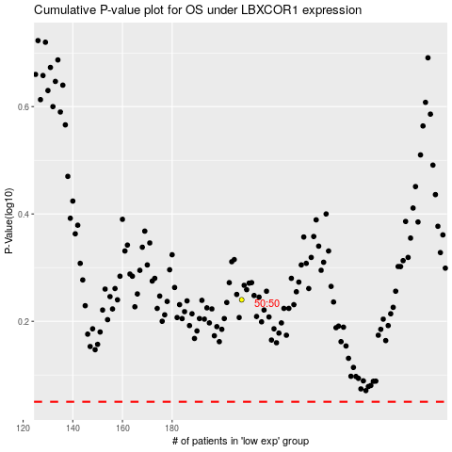

 |  |  |  |  |  | cases_OS | p_OS | rank | exp
 |  |  |  |  |  |  | cases_RFS | p_RFS | rank | exp

