LCA5L _multivariate
Reported by Tex Li-Hsing Chi. tex@gate.sinica.edu.tw 2019-08-18

Table 2. The clinicopathological features of HNSCC cohort and LCA5L expression. (Chi square test)
Cutoff at -0.255 (49.8%)
 |  | LCA5L expression |  | LCA5L expression |  | (Optimised)
 | Features | Low | (%) | High | (%) | Case no | P-value | Remark | Matthews
Gender | Female | 145 | 34.9 | 161 | 38.8 | 415 | 0.1116 | 0 | 0
2 | Male | 62 | 14.9 | 47 | 11.3
Age at diagnosis | <=65y | 130 | 31.3 | 144 | 34.7 | 415 | 0.2009 | 0 | 0
4 | >65y | 77 | 18.6 | 64 | 15.4
Clinical T Status | T1+T2 | 71 | 17.1 | 78 | 18.8 | 415 | 0.5638 | 0 | 0
6 | T3+T4 | 136 | 32.8 | 130 | 31.3
Clinical N Status | N0 | 109 | 26.3 | 107 | 25.8 | 415 | 0.8812 | 0 | 0
8 | N1-3 | 98 | 23.6 | 101 | 24.3
Clinical M Status | M0 | 206 | 49.6 | 206 | 49.6 | 415 | 1 | 0 | 0
10 | M1 | 1 | 0.2 | 2 | 0.5
Clinical Stage | Stage I+II | 53 | 12.8 | 49 | 11.8 | 415 | 0.7113 | 0 | 0
12 | Stage III+IV | 154 | 37.1 | 159 | 38.3
Surgical Margin status | Negative | 166 | 40 | 152 | 36.6 | 415 | 0.1042 | 0 | 0
14 | Positive | 41 | 9.9 | 56 | 13.5
Tobacco Exposure | Low | 84 | 20.2 | 77 | 18.6 | 415 | 0.4816 | 0 | 0
16 | High | 123 | 29.6 | 131 | 31.6

Table 3. Univariate/Multivariate Cox's proportional hazards regression analyses on OS time of LCA5L gene expression in HNSCC

 |  | Univariate |  |  |  | Multivariate
 | Features | HR | CI95%(L) | CI95%(H) | P-value | HR | CI95%(L) | CI95%(H) | P-value
1 | Female | 1 |  |  |  | 1
Gender | Male | 1.157 | 0.843 | 1.587 | 0.367 | 1.212 | 0.866 | 1.695 | 0.262
11 | <=65y | 1 |  |  |  | 1
Age at diagnosis | >65y | 1.329 | 0.99 | 1.784 | 0.058 | 1.398 | 1.028 | 1.901 | 0.033
12 | T1+T2 | 1 |  |  |  | 1
Clinical T Status | T3+T4 | 1.409 | 1.028 | 1.931 | 0.033 | 2.219 | 1.172 | 4.198 | 0.014
13 | N0 | 1 |  |  |  | 1
Clinical N Status | N1-3 | 1.185 | 0.89 | 1.577 | 0.246 | 1.24 | 0.869 | 1.769 | 0.236
14 | M0 | 1 |  |  |  | 1
Clinical M Status | M1 | 4.097 | 1.009 | 16.644 | 0.049 | 9.419 | 2.055 | 43.18 | 0.004
15 | Stage I+II | 1 |  |  |  | 1
Clinical Stage | Stage III+IV | 1.245 | 0.882 | 1.759 | 0.213 | 0.498 | 0.232 | 1.071 | 0.074
16 | Negative | 1 |  |  |  | 1
Surgical Margin status | Positive | 1.591 | 1.155 | 2.191 | 0.004 | 1.666 | 1.205 | 2.303 | 0.002
17 | Low | 1 |  |  |  | 1
Tobacco Exposure | High | 1.364 | 1.008 | 1.844 | 0.044 | 1.455 | 1.057 | 2.005 | 0.022
18 | Low | 1 |  |  |  | 1
RNAseq(z-score) | High | 1.057 | 0.793 | 1.411 | 0.704 | 1.081 | 0.807 | 1.447 | 0.602

Table 4. Univariate/Multivariate Cox's proportional hazards regression analyses on RFS time of LCA5L gene expression in HNSCC

 |  | Univariate |  |  |  | Multivariate
 | Features | HR | CI95%(L) | CI95%(H) | P-value | HR | CI95%(L) | CI95%(H) | P-value
1 | Female | 1 |  |  |  | 1
Gender | Male | 1.157 | 0.843 | 1.587 | 0.367 | 1.212 | 0.866 | 1.695 | 0.262
11 | <=65y | 1 |  |  |  | 1
Age at diagnosis | >65y | 1.329 | 0.99 | 1.784 | 0.058 | 1.398 | 1.028 | 1.901 | 0.033
12 | T1+T2 | 1 |  |  |  | 1
Clinical T Status | T3+T4 | 1.409 | 1.028 | 1.931 | 0.033 | 2.219 | 1.172 | 4.198 | 0.014
13 | N0 | 1 |  |  |  | 1
Clinical N Status | N1-3 | 1.185 | 0.89 | 1.577 | 0.246 | 1.24 | 0.869 | 1.769 | 0.236
14 | M0 | 1 |  |  |  | 1
Clinical M Status | M1 | 4.097 | 1.009 | 16.644 | 0.049 | 9.419 | 2.055 | 43.18 | 0.004
15 | Stage I+II | 1 |  |  |  | 1
Clinical Stage | Stage III+IV | 1.245 | 0.882 | 1.759 | 0.213 | 0.498 | 0.232 | 1.071 | 0.074
16 | Negative | 1 |  |  |  | 1
Surgical Margin status | Positive | 1.591 | 1.155 | 2.191 | 0.004 | 1.666 | 1.205 | 2.303 | 0.002
17 | Low | 1 |  |  |  | 1
Tobacco Exposure | High | 1.364 | 1.008 | 1.844 | 0.044 | 1.455 | 1.057 | 2.005 | 0.022
18 | Low | 1 |  |  |  | 1
RNAseq(z-score) | High | 1.057 | 0.793 | 1.411 | 0.704 | 1.081 | 0.807 | 1.447 | 0.602

Kaplan-Meier survival estimate: Cutoff at -0.255 (49.8%)



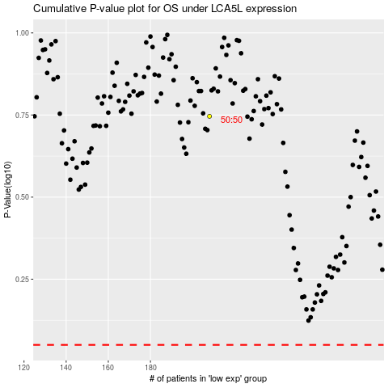

 |  |  |  |  |  | cases_OS | p_OS | rank | exp
 |  |  |  |  |  |  | cases_RFS | p_RFS | rank | exp

