LCAT _multivariate
Reported by Tex Li-Hsing Chi. tex@gate.sinica.edu.tw 2019-08-18

Table 2. The clinicopathological features of HNSCC cohort and LCAT expression. (Chi square test)
Cutoff at -0.269 (50.0%)
 |  | LCAT expression |  | LCAT expression |  | (Optimised)
 | Features | Low | (%) | High | (%) | Case no | P-value | Remark | Matthews
Gender | Female | 157 | 37.8 | 149 | 35.9 | 415 | 0.3881 | 0 | 0
2 | Male | 50 | 12 | 59 | 14.2
Age at diagnosis | <=65y | 137 | 33 | 137 | 33 | 415 | 1 | 0 | 0
4 | >65y | 70 | 16.9 | 71 | 17.1
Clinical T Status | T1+T2 | 68 | 16.4 | 81 | 19.5 | 415 | 0.2336 | 0 | 0
6 | T3+T4 | 139 | 33.5 | 127 | 30.6
Clinical N Status | N0 | 104 | 25.1 | 112 | 27 | 415 | 0.5243 | 0 | 0
8 | N1-3 | 103 | 24.8 | 96 | 23.1
Clinical M Status | M0 | 207 | 49.9 | 205 | 49.4 | 415 | 0.2482 | 0 | 0
10 | M1 | 0 | 0 | 3 | 0.7
Clinical Stage | Stage I+II | 43 | 10.4 | 59 | 14.2 | 415 | 0.0925 | 0 | 0
12 | Stage III+IV | 164 | 39.5 | 149 | 35.9
Surgical Margin status | Negative | 162 | 39 | 156 | 37.6 | 415 | 0.4867 | 0 | 0
14 | Positive | 45 | 10.8 | 52 | 12.5
Tobacco Exposure | Low | 72 | 17.3 | 89 | 21.4 | 415 | 0.1071 | 0 | 0
16 | High | 135 | 32.5 | 119 | 28.7

Table 3. Univariate/Multivariate Cox's proportional hazards regression analyses on OS time of LCAT gene expression in HNSCC

 |  | Univariate |  |  |  | Multivariate
 | Features | HR | CI95%(L) | CI95%(H) | P-value | HR | CI95%(L) | CI95%(H) | P-value
1 | Female | 1 |  |  |  | 1
Gender | Male | 1.157 | 0.843 | 1.587 | 0.367 | 1.206 | 0.863 | 1.686 | 0.272
11 | <=65y | 1 |  |  |  | 1
Age at diagnosis | >65y | 1.329 | 0.99 | 1.784 | 0.058 | 1.399 | 1.028 | 1.904 | 0.033
12 | T1+T2 | 1 |  |  |  | 1
Clinical T Status | T3+T4 | 1.409 | 1.028 | 1.931 | 0.033 | 2.214 | 1.17 | 4.19 | 0.015
13 | N0 | 1 |  |  |  | 1
Clinical N Status | N1-3 | 1.185 | 0.89 | 1.577 | 0.246 | 1.243 | 0.871 | 1.773 | 0.231
14 | M0 | 1 |  |  |  | 1
Clinical M Status | M1 | 4.097 | 1.009 | 16.644 | 0.049 | 9.721 | 2.094 | 45.127 | 0.004
15 | Stage I+II | 1 |  |  |  | 1
Clinical Stage | Stage III+IV | 1.245 | 0.882 | 1.759 | 0.213 | 0.5 | 0.233 | 1.075 | 0.076
16 | Negative | 1 |  |  |  | 1
Surgical Margin status | Positive | 1.591 | 1.155 | 2.191 | 0.004 | 1.682 | 1.215 | 2.33 | 0.002
17 | Low | 1 |  |  |  | 1
Tobacco Exposure | High | 1.364 | 1.008 | 1.844 | 0.044 | 1.454 | 1.055 | 2.003 | 0.022
18 | Low | 1 |  |  |  | 1
RNAseq(z-score) | High | 1.054 | 0.791 | 1.404 | 0.72 | 0.952 | 0.709 | 1.277 | 0.741

Table 4. Univariate/Multivariate Cox's proportional hazards regression analyses on RFS time of LCAT gene expression in HNSCC

 |  | Univariate |  |  |  | Multivariate
 | Features | HR | CI95%(L) | CI95%(H) | P-value | HR | CI95%(L) | CI95%(H) | P-value
1 | Female | 1 |  |  |  | 1
Gender | Male | 1.157 | 0.843 | 1.587 | 0.367 | 1.206 | 0.863 | 1.686 | 0.272
11 | <=65y | 1 |  |  |  | 1
Age at diagnosis | >65y | 1.329 | 0.99 | 1.784 | 0.058 | 1.399 | 1.028 | 1.904 | 0.033
12 | T1+T2 | 1 |  |  |  | 1
Clinical T Status | T3+T4 | 1.409 | 1.028 | 1.931 | 0.033 | 2.214 | 1.17 | 4.19 | 0.015
13 | N0 | 1 |  |  |  | 1
Clinical N Status | N1-3 | 1.185 | 0.89 | 1.577 | 0.246 | 1.243 | 0.871 | 1.773 | 0.231
14 | M0 | 1 |  |  |  | 1
Clinical M Status | M1 | 4.097 | 1.009 | 16.644 | 0.049 | 9.721 | 2.094 | 45.127 | 0.004
15 | Stage I+II | 1 |  |  |  | 1
Clinical Stage | Stage III+IV | 1.245 | 0.882 | 1.759 | 0.213 | 0.5 | 0.233 | 1.075 | 0.076
16 | Negative | 1 |  |  |  | 1
Surgical Margin status | Positive | 1.591 | 1.155 | 2.191 | 0.004 | 1.682 | 1.215 | 2.33 | 0.002
17 | Low | 1 |  |  |  | 1
Tobacco Exposure | High | 1.364 | 1.008 | 1.844 | 0.044 | 1.454 | 1.055 | 2.003 | 0.022
18 | Low | 1 |  |  |  | 1
RNAseq(z-score) | High | 1.054 | 0.791 | 1.404 | 0.72 | 0.952 | 0.709 | 1.277 | 0.741

Kaplan-Meier survival estimate: Cutoff at -0.269 (50.0%)



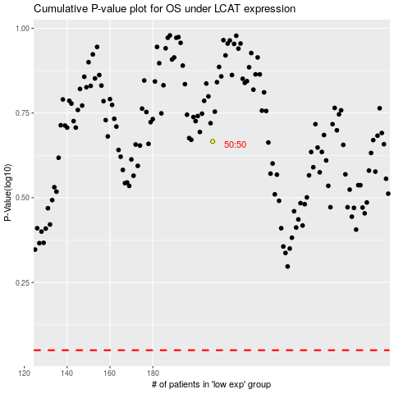

 |  |  |  |  |  | cases_OS | p_OS | rank | exp
 |  |  |  |  |  |  | cases_RFS | p_RFS | rank | exp

