LCE1F _multivariate
Reported by Tex Li-Hsing Chi. tex@gate.sinica.edu.tw 2019-08-18

Table 2. The clinicopathological features of HNSCC cohort and LCE1F expression. (Chi square test)
Cutoff at -0.258 (50.0%)
 |  | LCE1F expression |  | LCE1F expression |  | (Optimised)
 | Features | Low | (%) | High | (%) | Case no | P-value | Remark | Matthews
Gender | Female | 162 | 39 | 144 | 34.7 | 415 | 0.0479 | 1 | 0
2 | Male | 45 | 10.8 | 64 | 15.4
Age at diagnosis | <=65y | 141 | 34 | 133 | 32 | 415 | 0.4272 | 0 | 0
4 | >65y | 66 | 15.9 | 75 | 18.1
Clinical T Status | T1+T2 | 77 | 18.6 | 72 | 17.3 | 415 | 0.6556 | 0 | 0
6 | T3+T4 | 130 | 31.3 | 136 | 32.8
Clinical N Status | N0 | 101 | 24.3 | 115 | 27.7 | 415 | 0.2201 | 0 | 0
8 | N1-3 | 106 | 25.5 | 93 | 22.4
Clinical M Status | M0 | 206 | 49.6 | 206 | 49.6 | 415 | 1 | 0 | 0
10 | M1 | 1 | 0.2 | 2 | 0.5
Clinical Stage | Stage I+II | 49 | 11.8 | 53 | 12.8 | 415 | 0.7535 | 0 | 0
12 | Stage III+IV | 158 | 38.1 | 155 | 37.3
Surgical Margin status | Negative | 156 | 37.6 | 162 | 39 | 415 | 0.5636 | 0 | 0
14 | Positive | 51 | 12.3 | 46 | 11.1
Tobacco Exposure | Low | 73 | 17.6 | 88 | 21.2 | 415 | 0.1587 | 0 | 0
16 | High | 134 | 32.3 | 120 | 28.9

Table 3. Univariate/Multivariate Cox's proportional hazards regression analyses on OS time of LCE1F gene expression in HNSCC

 |  | Univariate |  |  |  | Multivariate
 | Features | HR | CI95%(L) | CI95%(H) | P-value | HR | CI95%(L) | CI95%(H) | P-value
1 | Female | 1 |  |  |  | 1
Gender | Male | 1.157 | 0.843 | 1.587 | 0.367 | 1.249 | 0.892 | 1.75 | 0.196
11 | <=65y | 1 |  |  |  | 1
Age at diagnosis | >65y | 1.329 | 0.99 | 1.784 | 0.058 | 1.403 | 1.033 | 1.906 | 0.03
12 | T1+T2 | 1 |  |  |  | 1
Clinical T Status | T3+T4 | 1.409 | 1.028 | 1.931 | 0.033 | 2.311 | 1.219 | 4.381 | 0.01
13 | N0 | 1 |  |  |  | 1
Clinical N Status | N1-3 | 1.185 | 0.89 | 1.577 | 0.246 | 1.245 | 0.872 | 1.777 | 0.227
14 | M0 | 1 |  |  |  | 1
Clinical M Status | M1 | 4.097 | 1.009 | 16.644 | 0.049 | 10.798 | 2.336 | 49.921 | 0.002
15 | Stage I+II | 1 |  |  |  | 1
Clinical Stage | Stage III+IV | 1.245 | 0.882 | 1.759 | 0.213 | 0.477 | 0.221 | 1.027 | 0.058
16 | Negative | 1 |  |  |  | 1
Surgical Margin status | Positive | 1.591 | 1.155 | 2.191 | 0.004 | 1.668 | 1.207 | 2.306 | 0.002
17 | Low | 1 |  |  |  | 1
Tobacco Exposure | High | 1.364 | 1.008 | 1.844 | 0.044 | 1.455 | 1.055 | 2.005 | 0.022
18 | Low | 1 |  |  |  | 1
RNAseq(z-score) | High | 0.828 | 0.621 | 1.104 | 0.199 | 0.769 | 0.573 | 1.032 | 0.08

Table 4. Univariate/Multivariate Cox's proportional hazards regression analyses on RFS time of LCE1F gene expression in HNSCC

 |  | Univariate |  |  |  | Multivariate
 | Features | HR | CI95%(L) | CI95%(H) | P-value | HR | CI95%(L) | CI95%(H) | P-value
1 | Female | 1 |  |  |  | 1
Gender | Male | 1.157 | 0.843 | 1.587 | 0.367 | 1.249 | 0.892 | 1.75 | 0.196
11 | <=65y | 1 |  |  |  | 1
Age at diagnosis | >65y | 1.329 | 0.99 | 1.784 | 0.058 | 1.403 | 1.033 | 1.906 | 0.03
12 | T1+T2 | 1 |  |  |  | 1
Clinical T Status | T3+T4 | 1.409 | 1.028 | 1.931 | 0.033 | 2.311 | 1.219 | 4.381 | 0.01
13 | N0 | 1 |  |  |  | 1
Clinical N Status | N1-3 | 1.185 | 0.89 | 1.577 | 0.246 | 1.245 | 0.872 | 1.777 | 0.227
14 | M0 | 1 |  |  |  | 1
Clinical M Status | M1 | 4.097 | 1.009 | 16.644 | 0.049 | 10.798 | 2.336 | 49.921 | 0.002
15 | Stage I+II | 1 |  |  |  | 1
Clinical Stage | Stage III+IV | 1.245 | 0.882 | 1.759 | 0.213 | 0.477 | 0.221 | 1.027 | 0.058
16 | Negative | 1 |  |  |  | 1
Surgical Margin status | Positive | 1.591 | 1.155 | 2.191 | 0.004 | 1.668 | 1.207 | 2.306 | 0.002
17 | Low | 1 |  |  |  | 1
Tobacco Exposure | High | 1.364 | 1.008 | 1.844 | 0.044 | 1.455 | 1.055 | 2.005 | 0.022
18 | Low | 1 |  |  |  | 1
RNAseq(z-score) | High | 0.828 | 0.621 | 1.104 | 0.199 | 0.769 | 0.573 | 1.032 | 0.08

Kaplan-Meier survival estimate: Cutoff at -0.258 (50.0%)



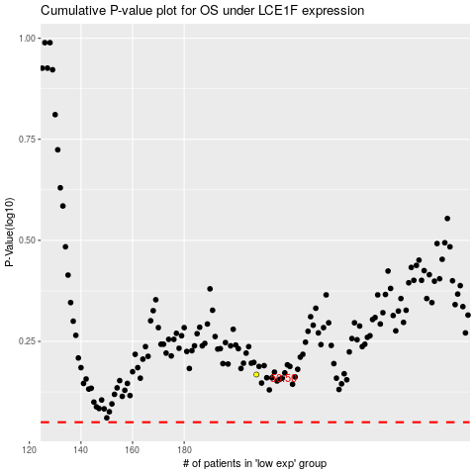

 |  |  |  |  |  | cases_OS | p_OS | rank | exp
 |  |  |  |  |  |  | cases_RFS | p_RFS | rank | exp

