LCE3A _multivariate
Reported by Tex Li-Hsing Chi. tex@gate.sinica.edu.tw 2019-08-18

Table 2. The clinicopathological features of HNSCC cohort and LCE3A expression. (Chi square test)
Cutoff at -0.321 (50.0%)
 |  | LCE3A expression |  | LCE3A expression |  | (Optimised)
 | Features | Low | (%) | High | (%) | Case no | P-value | Remark | Matthews
Gender | Female | 167 | 40.2 | 139 | 33.5 | 415 | 0.002 | 1 | 0
2 | Male | 40 | 9.6 | 69 | 16.6
Age at diagnosis | <=65y | 144 | 34.7 | 130 | 31.3 | 415 | 0.1568 | 0 | 0
4 | >65y | 63 | 15.2 | 78 | 18.8
Clinical T Status | T1+T2 | 75 | 18.1 | 74 | 17.8 | 415 | 0.9707 | 0 | 0
6 | T3+T4 | 132 | 31.8 | 134 | 32.3
Clinical N Status | N0 | 101 | 24.3 | 115 | 27.7 | 415 | 0.2201 | 0 | 0
8 | N1-3 | 106 | 25.5 | 93 | 22.4
Clinical M Status | M0 | 205 | 49.4 | 207 | 49.9 | 415 | 0.6232 | 0 | 0
10 | M1 | 2 | 0.5 | 1 | 0.2
Clinical Stage | Stage I+II | 46 | 11.1 | 56 | 13.5 | 415 | 0.3182 | 0 | 0
12 | Stage III+IV | 161 | 38.8 | 152 | 36.6
Surgical Margin status | Negative | 148 | 35.7 | 170 | 41 | 415 | 0.015 | 1 | 0
14 | Positive | 59 | 14.2 | 38 | 9.2
Tobacco Exposure | Low | 75 | 18.1 | 86 | 20.7 | 415 | 0.3141 | 0 | 0
16 | High | 132 | 31.8 | 122 | 29.4

Table 3. Univariate/Multivariate Cox's proportional hazards regression analyses on OS time of LCE3A gene expression in HNSCC

 |  | Univariate |  |  |  | Multivariate
 | Features | HR | CI95%(L) | CI95%(H) | P-value | HR | CI95%(L) | CI95%(H) | P-value
1 | Female | 1 |  |  |  | 1
Gender | Male | 1.157 | 0.843 | 1.587 | 0.367 | 1.271 | 0.902 | 1.79 | 0.17
11 | <=65y | 1 |  |  |  | 1
Age at diagnosis | >65y | 1.329 | 0.99 | 1.784 | 0.058 | 1.421 | 1.044 | 1.935 | 0.025
12 | T1+T2 | 1 |  |  |  | 1
Clinical T Status | T3+T4 | 1.409 | 1.028 | 1.931 | 0.033 | 2.224 | 1.177 | 4.202 | 0.014
13 | N0 | 1 |  |  |  | 1
Clinical N Status | N1-3 | 1.185 | 0.89 | 1.577 | 0.246 | 1.216 | 0.851 | 1.737 | 0.282
14 | M0 | 1 |  |  |  | 1
Clinical M Status | M1 | 4.097 | 1.009 | 16.644 | 0.049 | 9.476 | 2.067 | 43.446 | 0.004
15 | Stage I+II | 1 |  |  |  | 1
Clinical Stage | Stage III+IV | 1.245 | 0.882 | 1.759 | 0.213 | 0.5 | 0.233 | 1.074 | 0.076
16 | Negative | 1 |  |  |  | 1
Surgical Margin status | Positive | 1.591 | 1.155 | 2.191 | 0.004 | 1.61 | 1.161 | 2.232 | 0.004
17 | Low | 1 |  |  |  | 1
Tobacco Exposure | High | 1.364 | 1.008 | 1.844 | 0.044 | 1.473 | 1.068 | 2.031 | 0.018
18 | Low | 1 |  |  |  | 1
RNAseq(z-score) | High | 0.812 | 0.609 | 1.083 | 0.156 | 0.796 | 0.588 | 1.078 | 0.14

Table 4. Univariate/Multivariate Cox's proportional hazards regression analyses on RFS time of LCE3A gene expression in HNSCC

 |  | Univariate |  |  |  | Multivariate
 | Features | HR | CI95%(L) | CI95%(H) | P-value | HR | CI95%(L) | CI95%(H) | P-value
1 | Female | 1 |  |  |  | 1
Gender | Male | 1.157 | 0.843 | 1.587 | 0.367 | 1.271 | 0.902 | 1.79 | 0.17
11 | <=65y | 1 |  |  |  | 1
Age at diagnosis | >65y | 1.329 | 0.99 | 1.784 | 0.058 | 1.421 | 1.044 | 1.935 | 0.025
12 | T1+T2 | 1 |  |  |  | 1
Clinical T Status | T3+T4 | 1.409 | 1.028 | 1.931 | 0.033 | 2.224 | 1.177 | 4.202 | 0.014
13 | N0 | 1 |  |  |  | 1
Clinical N Status | N1-3 | 1.185 | 0.89 | 1.577 | 0.246 | 1.216 | 0.851 | 1.737 | 0.282
14 | M0 | 1 |  |  |  | 1
Clinical M Status | M1 | 4.097 | 1.009 | 16.644 | 0.049 | 9.476 | 2.067 | 43.446 | 0.004
15 | Stage I+II | 1 |  |  |  | 1
Clinical Stage | Stage III+IV | 1.245 | 0.882 | 1.759 | 0.213 | 0.5 | 0.233 | 1.074 | 0.076
16 | Negative | 1 |  |  |  | 1
Surgical Margin status | Positive | 1.591 | 1.155 | 2.191 | 0.004 | 1.61 | 1.161 | 2.232 | 0.004
17 | Low | 1 |  |  |  | 1
Tobacco Exposure | High | 1.364 | 1.008 | 1.844 | 0.044 | 1.473 | 1.068 | 2.031 | 0.018
18 | Low | 1 |  |  |  | 1
RNAseq(z-score) | High | 0.812 | 0.609 | 1.083 | 0.156 | 0.796 | 0.588 | 1.078 | 0.14

Kaplan-Meier survival estimate: Cutoff at -0.321 (50.0%)



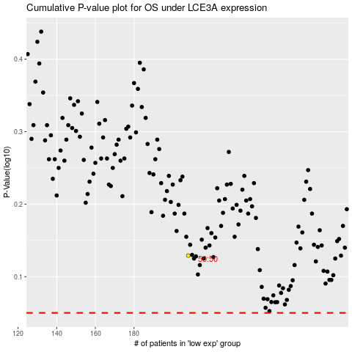

 |  |  |  |  |  | cases_OS | p_OS | rank | exp
 |  |  |  |  |  |  | cases_RFS | p_RFS | rank | exp

