LCE3E _multivariate
Reported by Tex Li-Hsing Chi. tex@gate.sinica.edu.tw 2019-08-18

Table 2. The clinicopathological features of HNSCC cohort and LCE3E expression. (Chi square test)
Cutoff at -0.302 (50.0%)
 |  | LCE3E expression |  | LCE3E expression |  | (Optimised)
 | Features | Low | (%) | High | (%) | Case no | P-value | Remark | Matthews
Gender | Female | 170 | 41 | 136 | 32.8 | 415 | 2e-04 | 1 | 0
2 | Male | 37 | 8.9 | 72 | 17.3
Age at diagnosis | <=65y | 146 | 35.2 | 128 | 30.8 | 415 | 0.0672 | 0 | 0
4 | >65y | 61 | 14.7 | 80 | 19.3
Clinical T Status | T1+T2 | 85 | 20.5 | 64 | 15.4 | 415 | 0.0372 | 1 | 0
6 | T3+T4 | 122 | 29.4 | 144 | 34.7
Clinical N Status | N0 | 100 | 24.1 | 116 | 28 | 415 | 0.1548 | 0 | 0
8 | N1-3 | 107 | 25.8 | 92 | 22.2
Clinical M Status | M0 | 205 | 49.4 | 207 | 49.9 | 415 | 0.6232 | 0 | 0
10 | M1 | 2 | 0.5 | 1 | 0.2
Clinical Stage | Stage I+II | 53 | 12.8 | 49 | 11.8 | 415 | 0.7113 | 0 | 0
12 | Stage III+IV | 154 | 37.1 | 159 | 38.3
Surgical Margin status | Negative | 147 | 35.4 | 171 | 41.2 | 415 | 0.0077 | 1 | 0
14 | Positive | 60 | 14.5 | 37 | 8.9
Tobacco Exposure | Low | 69 | 16.6 | 92 | 22.2 | 415 | 0.0266 | 1 | 0
16 | High | 138 | 33.3 | 116 | 28

Table 3. Univariate/Multivariate Cox's proportional hazards regression analyses on OS time of LCE3E gene expression in HNSCC

 |  | Univariate |  |  |  | Multivariate
 | Features | HR | CI95%(L) | CI95%(H) | P-value | HR | CI95%(L) | CI95%(H) | P-value
1 | Female | 1 |  |  |  | 1
Gender | Male | 1.157 | 0.843 | 1.587 | 0.367 | 1.226 | 0.867 | 1.733 | 0.248
11 | <=65y | 1 |  |  |  | 1
Age at diagnosis | >65y | 1.329 | 0.99 | 1.784 | 0.058 | 1.398 | 1.028 | 1.902 | 0.033
12 | T1+T2 | 1 |  |  |  | 1
Clinical T Status | T3+T4 | 1.409 | 1.028 | 1.931 | 0.033 | 2.222 | 1.174 | 4.207 | 0.014
13 | N0 | 1 |  |  |  | 1
Clinical N Status | N1-3 | 1.185 | 0.89 | 1.577 | 0.246 | 1.231 | 0.861 | 1.76 | 0.254
14 | M0 | 1 |  |  |  | 1
Clinical M Status | M1 | 4.097 | 1.009 | 16.644 | 0.049 | 9.495 | 2.07 | 43.553 | 0.004
15 | Stage I+II | 1 |  |  |  | 1
Clinical Stage | Stage III+IV | 1.245 | 0.882 | 1.759 | 0.213 | 0.505 | 0.235 | 1.083 | 0.079
16 | Negative | 1 |  |  |  | 1
Surgical Margin status | Positive | 1.591 | 1.155 | 2.191 | 0.004 | 1.655 | 1.194 | 2.294 | 0.002
17 | Low | 1 |  |  |  | 1
Tobacco Exposure | High | 1.364 | 1.008 | 1.844 | 0.044 | 1.447 | 1.049 | 1.995 | 0.024
18 | Low | 1 |  |  |  | 1
RNAseq(z-score) | High | 0.956 | 0.717 | 1.273 | 0.757 | 0.934 | 0.686 | 1.27 | 0.662

Table 4. Univariate/Multivariate Cox's proportional hazards regression analyses on RFS time of LCE3E gene expression in HNSCC

 |  | Univariate |  |  |  | Multivariate
 | Features | HR | CI95%(L) | CI95%(H) | P-value | HR | CI95%(L) | CI95%(H) | P-value
1 | Female | 1 |  |  |  | 1
Gender | Male | 1.157 | 0.843 | 1.587 | 0.367 | 1.226 | 0.867 | 1.733 | 0.248
11 | <=65y | 1 |  |  |  | 1
Age at diagnosis | >65y | 1.329 | 0.99 | 1.784 | 0.058 | 1.398 | 1.028 | 1.902 | 0.033
12 | T1+T2 | 1 |  |  |  | 1
Clinical T Status | T3+T4 | 1.409 | 1.028 | 1.931 | 0.033 | 2.222 | 1.174 | 4.207 | 0.014
13 | N0 | 1 |  |  |  | 1
Clinical N Status | N1-3 | 1.185 | 0.89 | 1.577 | 0.246 | 1.231 | 0.861 | 1.76 | 0.254
14 | M0 | 1 |  |  |  | 1
Clinical M Status | M1 | 4.097 | 1.009 | 16.644 | 0.049 | 9.495 | 2.07 | 43.553 | 0.004
15 | Stage I+II | 1 |  |  |  | 1
Clinical Stage | Stage III+IV | 1.245 | 0.882 | 1.759 | 0.213 | 0.505 | 0.235 | 1.083 | 0.079
16 | Negative | 1 |  |  |  | 1
Surgical Margin status | Positive | 1.591 | 1.155 | 2.191 | 0.004 | 1.655 | 1.194 | 2.294 | 0.002
17 | Low | 1 |  |  |  | 1
Tobacco Exposure | High | 1.364 | 1.008 | 1.844 | 0.044 | 1.447 | 1.049 | 1.995 | 0.024
18 | Low | 1 |  |  |  | 1
RNAseq(z-score) | High | 0.956 | 0.717 | 1.273 | 0.757 | 0.934 | 0.686 | 1.27 | 0.662

Kaplan-Meier survival estimate: Cutoff at -0.302 (50.0%)



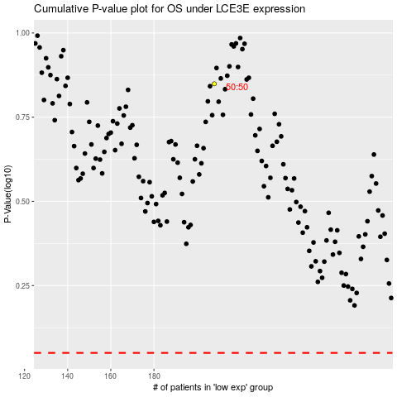

 |  |  |  |  |  | cases_OS | p_OS | rank | exp
 |  |  |  |  |  |  | cases_RFS | p_RFS | rank | exp

