LCMT1 _multivariate
Reported by Tex Li-Hsing Chi. tex@gate.sinica.edu.tw 2019-08-18

Table 2. The clinicopathological features of HNSCC cohort and LCMT1 expression. (Chi square test)
Cutoff at -0.233 (50.0%)
 |  | LCMT1 expression |  | LCMT1 expression |  | (Optimised)
 | Features | Low | (%) | High | (%) | Case no | P-value | Remark | Matthews
Gender | Female | 156 | 37.6 | 150 | 36.1 | 415 | 0.5222 | 0 | 0
2 | Male | 51 | 12.3 | 58 | 14
Age at diagnosis | <=65y | 134 | 32.3 | 140 | 33.7 | 415 | 0.6529 | 0 | 0
4 | >65y | 73 | 17.6 | 68 | 16.4
Clinical T Status | T1+T2 | 77 | 18.6 | 72 | 17.3 | 415 | 0.6556 | 0 | 0
6 | T3+T4 | 130 | 31.3 | 136 | 32.8
Clinical N Status | N0 | 102 | 24.6 | 114 | 27.5 | 415 | 0.3031 | 0 | 0
8 | N1-3 | 105 | 25.3 | 94 | 22.7
Clinical M Status | M0 | 207 | 49.9 | 205 | 49.4 | 415 | 0.2482 | 0 | 0
10 | M1 | 0 | 0 | 3 | 0.7
Clinical Stage | Stage I+II | 54 | 13 | 48 | 11.6 | 415 | 0.5498 | 0 | 0
12 | Stage III+IV | 153 | 36.9 | 160 | 38.6
Surgical Margin status | Negative | 160 | 38.6 | 158 | 38.1 | 415 | 0.8167 | 0 | 0
14 | Positive | 47 | 11.3 | 50 | 12
Tobacco Exposure | Low | 68 | 16.4 | 93 | 22.4 | 415 | 0.0156 | 1 | 0
16 | High | 139 | 33.5 | 115 | 27.7

Table 3. Univariate/Multivariate Cox's proportional hazards regression analyses on OS time of LCMT1 gene expression in HNSCC

 |  | Univariate |  |  |  | Multivariate
 | Features | HR | CI95%(L) | CI95%(H) | P-value | HR | CI95%(L) | CI95%(H) | P-value
1 | Female | 1 |  |  |  | 1
Gender | Male | 1.157 | 0.843 | 1.587 | 0.367 | 1.221 | 0.873 | 1.709 | 0.243
11 | <=65y | 1 |  |  |  | 1
Age at diagnosis | >65y | 1.329 | 0.99 | 1.784 | 0.058 | 1.381 | 1.015 | 1.878 | 0.04
12 | T1+T2 | 1 |  |  |  | 1
Clinical T Status | T3+T4 | 1.409 | 1.028 | 1.931 | 0.033 | 2.203 | 1.165 | 4.165 | 0.015
13 | N0 | 1 |  |  |  | 1
Clinical N Status | N1-3 | 1.185 | 0.89 | 1.577 | 0.246 | 1.223 | 0.856 | 1.747 | 0.27
14 | M0 | 1 |  |  |  | 1
Clinical M Status | M1 | 4.097 | 1.009 | 16.644 | 0.049 | 10.221 | 2.208 | 47.32 | 0.003
15 | Stage I+II | 1 |  |  |  | 1
Clinical Stage | Stage III+IV | 1.245 | 0.882 | 1.759 | 0.213 | 0.513 | 0.239 | 1.102 | 0.087
16 | Negative | 1 |  |  |  | 1
Surgical Margin status | Positive | 1.591 | 1.155 | 2.191 | 0.004 | 1.686 | 1.22 | 2.331 | 0.002
17 | Low | 1 |  |  |  | 1
Tobacco Exposure | High | 1.364 | 1.008 | 1.844 | 0.044 | 1.436 | 1.041 | 1.981 | 0.027
18 | Low | 1 |  |  |  | 1
RNAseq(z-score) | High | 0.878 | 0.659 | 1.171 | 0.377 | 0.866 | 0.645 | 1.163 | 0.339

Table 4. Univariate/Multivariate Cox's proportional hazards regression analyses on RFS time of LCMT1 gene expression in HNSCC

 |  | Univariate |  |  |  | Multivariate
 | Features | HR | CI95%(L) | CI95%(H) | P-value | HR | CI95%(L) | CI95%(H) | P-value
1 | Female | 1 |  |  |  | 1
Gender | Male | 1.157 | 0.843 | 1.587 | 0.367 | 1.221 | 0.873 | 1.709 | 0.243
11 | <=65y | 1 |  |  |  | 1
Age at diagnosis | >65y | 1.329 | 0.99 | 1.784 | 0.058 | 1.381 | 1.015 | 1.878 | 0.04
12 | T1+T2 | 1 |  |  |  | 1
Clinical T Status | T3+T4 | 1.409 | 1.028 | 1.931 | 0.033 | 2.203 | 1.165 | 4.165 | 0.015
13 | N0 | 1 |  |  |  | 1
Clinical N Status | N1-3 | 1.185 | 0.89 | 1.577 | 0.246 | 1.223 | 0.856 | 1.747 | 0.27
14 | M0 | 1 |  |  |  | 1
Clinical M Status | M1 | 4.097 | 1.009 | 16.644 | 0.049 | 10.221 | 2.208 | 47.32 | 0.003
15 | Stage I+II | 1 |  |  |  | 1
Clinical Stage | Stage III+IV | 1.245 | 0.882 | 1.759 | 0.213 | 0.513 | 0.239 | 1.102 | 0.087
16 | Negative | 1 |  |  |  | 1
Surgical Margin status | Positive | 1.591 | 1.155 | 2.191 | 0.004 | 1.686 | 1.22 | 2.331 | 0.002
17 | Low | 1 |  |  |  | 1
Tobacco Exposure | High | 1.364 | 1.008 | 1.844 | 0.044 | 1.436 | 1.041 | 1.981 | 0.027
18 | Low | 1 |  |  |  | 1
RNAseq(z-score) | High | 0.878 | 0.659 | 1.171 | 0.377 | 0.866 | 0.645 | 1.163 | 0.339

Kaplan-Meier survival estimate: Cutoff at -0.233 (50.0%)



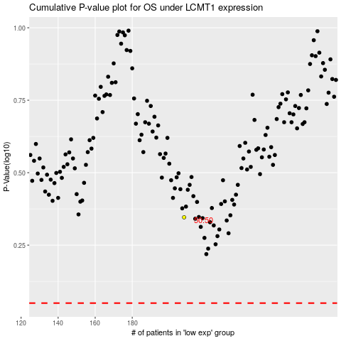

 |  |  |  |  |  | cases_OS | p_OS | rank | exp
 |  |  |  |  |  |  | cases_RFS | p_RFS | rank | exp

