LCMT2 _multivariate
Reported by Tex Li-Hsing Chi. tex@gate.sinica.edu.tw 2019-08-18

Table 2. The clinicopathological features of HNSCC cohort and LCMT2 expression. (Chi square test)
Cutoff at -0.187 (49.8%)
 |  | LCMT2 expression |  | LCMT2 expression |  | (Optimised)
 | Features | Low | (%) | High | (%) | Case no | P-value | Remark | Matthews
Gender | Female | 152 | 36.6 | 154 | 37.1 | 415 | 0.9766 | 0 | 0
2 | Male | 55 | 13.3 | 54 | 13
Age at diagnosis | <=65y | 130 | 31.3 | 144 | 34.7 | 415 | 0.2009 | 0 | 0
4 | >65y | 77 | 18.6 | 64 | 15.4
Clinical T Status | T1+T2 | 65 | 15.7 | 84 | 20.2 | 415 | 0.0711 | 0 | 0
6 | T3+T4 | 142 | 34.2 | 124 | 29.9
Clinical N Status | N0 | 93 | 22.4 | 123 | 29.6 | 415 | 0.0051 | 1 | 0
8 | N1-3 | 114 | 27.5 | 85 | 20.5
Clinical M Status | M0 | 205 | 49.4 | 207 | 49.9 | 415 | 0.6232 | 0 | 0
10 | M1 | 2 | 0.5 | 1 | 0.2
Clinical Stage | Stage I+II | 43 | 10.4 | 59 | 14.2 | 415 | 0.0925 | 0 | 0
12 | Stage III+IV | 164 | 39.5 | 149 | 35.9
Surgical Margin status | Negative | 162 | 39 | 156 | 37.6 | 415 | 0.4867 | 0 | 0
14 | Positive | 45 | 10.8 | 52 | 12.5
Tobacco Exposure | Low | 85 | 20.5 | 76 | 18.3 | 415 | 0.3655 | 0 | 0
16 | High | 122 | 29.4 | 132 | 31.8

Table 3. Univariate/Multivariate Cox's proportional hazards regression analyses on OS time of LCMT2 gene expression in HNSCC

 |  | Univariate |  |  |  | Multivariate
 | Features | HR | CI95%(L) | CI95%(H) | P-value | HR | CI95%(L) | CI95%(H) | P-value
1 | Female | 1 |  |  |  | 1
Gender | Male | 1.157 | 0.843 | 1.587 | 0.367 | 1.195 | 0.854 | 1.671 | 0.298
11 | <=65y | 1 |  |  |  | 1
Age at diagnosis | >65y | 1.329 | 0.99 | 1.784 | 0.058 | 1.4 | 1.028 | 1.906 | 0.033
12 | T1+T2 | 1 |  |  |  | 1
Clinical T Status | T3+T4 | 1.409 | 1.028 | 1.931 | 0.033 | 2.218 | 1.172 | 4.199 | 0.014
13 | N0 | 1 |  |  |  | 1
Clinical N Status | N1-3 | 1.185 | 0.89 | 1.577 | 0.246 | 1.252 | 0.875 | 1.792 | 0.219
14 | M0 | 1 |  |  |  | 1
Clinical M Status | M1 | 4.097 | 1.009 | 16.644 | 0.049 | 9.478 | 2.066 | 43.467 | 0.004
15 | Stage I+II | 1 |  |  |  | 1
Clinical Stage | Stage III+IV | 1.245 | 0.882 | 1.759 | 0.213 | 0.501 | 0.233 | 1.076 | 0.076
16 | Negative | 1 |  |  |  | 1
Surgical Margin status | Positive | 1.591 | 1.155 | 2.191 | 0.004 | 1.662 | 1.202 | 2.3 | 0.002
17 | Low | 1 |  |  |  | 1
Tobacco Exposure | High | 1.364 | 1.008 | 1.844 | 0.044 | 1.444 | 1.047 | 1.992 | 0.025
18 | Low | 1 |  |  |  | 1
RNAseq(z-score) | High | 1.061 | 0.794 | 1.417 | 0.689 | 1.06 | 0.789 | 1.424 | 0.7

Table 4. Univariate/Multivariate Cox's proportional hazards regression analyses on RFS time of LCMT2 gene expression in HNSCC

 |  | Univariate |  |  |  | Multivariate
 | Features | HR | CI95%(L) | CI95%(H) | P-value | HR | CI95%(L) | CI95%(H) | P-value
1 | Female | 1 |  |  |  | 1
Gender | Male | 1.157 | 0.843 | 1.587 | 0.367 | 1.195 | 0.854 | 1.671 | 0.298
11 | <=65y | 1 |  |  |  | 1
Age at diagnosis | >65y | 1.329 | 0.99 | 1.784 | 0.058 | 1.4 | 1.028 | 1.906 | 0.033
12 | T1+T2 | 1 |  |  |  | 1
Clinical T Status | T3+T4 | 1.409 | 1.028 | 1.931 | 0.033 | 2.218 | 1.172 | 4.199 | 0.014
13 | N0 | 1 |  |  |  | 1
Clinical N Status | N1-3 | 1.185 | 0.89 | 1.577 | 0.246 | 1.252 | 0.875 | 1.792 | 0.219
14 | M0 | 1 |  |  |  | 1
Clinical M Status | M1 | 4.097 | 1.009 | 16.644 | 0.049 | 9.478 | 2.066 | 43.467 | 0.004
15 | Stage I+II | 1 |  |  |  | 1
Clinical Stage | Stage III+IV | 1.245 | 0.882 | 1.759 | 0.213 | 0.501 | 0.233 | 1.076 | 0.076
16 | Negative | 1 |  |  |  | 1
Surgical Margin status | Positive | 1.591 | 1.155 | 2.191 | 0.004 | 1.662 | 1.202 | 2.3 | 0.002
17 | Low | 1 |  |  |  | 1
Tobacco Exposure | High | 1.364 | 1.008 | 1.844 | 0.044 | 1.444 | 1.047 | 1.992 | 0.025
18 | Low | 1 |  |  |  | 1
RNAseq(z-score) | High | 1.061 | 0.794 | 1.417 | 0.689 | 1.06 | 0.789 | 1.424 | 0.7

Kaplan-Meier survival estimate: Cutoff at -0.187 (49.8%)



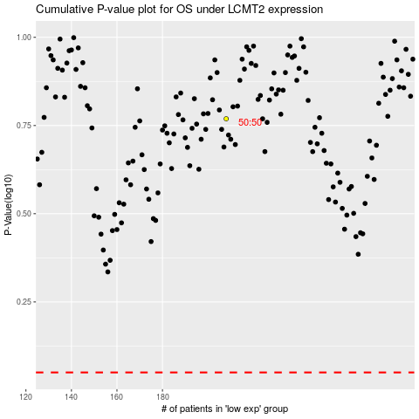

 |  |  |  |  |  | cases_OS | p_OS | rank | exp
 |  |  |  |  |  |  | cases_RFS | p_RFS | rank | exp

