LCN10 _multivariate
Reported by Tex Li-Hsing Chi. tex@gate.sinica.edu.tw 2019-08-18

Table 2. The clinicopathological features of HNSCC cohort and LCN10 expression. (Chi square test)
Cutoff at -0.273 (50.0%)
 |  | LCN10 expression |  | LCN10 expression |  | (Optimised)
 | Features | Low | (%) | High | (%) | Case no | P-value | Remark | Matthews
Gender | Female | 156 | 37.6 | 150 | 36.1 | 415 | 0.5222 | 0 | 0
2 | Male | 51 | 12.3 | 58 | 14
Age at diagnosis | <=65y | 139 | 33.5 | 135 | 32.5 | 415 | 0.7044 | 0 | 0
4 | >65y | 68 | 16.4 | 73 | 17.6
Clinical T Status | T1+T2 | 62 | 14.9 | 87 | 21 | 415 | 0.0156 | 1 | 0
6 | T3+T4 | 145 | 34.9 | 121 | 29.2
Clinical N Status | N0 | 115 | 27.7 | 101 | 24.3 | 415 | 0.184 | 1 | 0
8 | N1-3 | 92 | 22.2 | 107 | 25.8
Clinical M Status | M0 | 207 | 49.9 | 205 | 49.4 | 415 | 0.2482 | 0 | 0
10 | M1 | 0 | 0 | 3 | 0.7
Clinical Stage | Stage I+II | 49 | 11.8 | 53 | 12.8 | 415 | 0.7535 | 0 | 0
12 | Stage III+IV | 158 | 38.1 | 155 | 37.3
Surgical Margin status | Negative | 159 | 38.3 | 159 | 38.3 | 415 | 1 | 0 | 0
14 | Positive | 48 | 11.6 | 49 | 11.8
Tobacco Exposure | Low | 82 | 19.8 | 79 | 19 | 415 | 0.763 | 0 | 0
16 | High | 125 | 30.1 | 129 | 31.1

Table 3. Univariate/Multivariate Cox's proportional hazards regression analyses on OS time of LCN10 gene expression in HNSCC

 |  | Univariate |  |  |  | Multivariate
 | Features | HR | CI95%(L) | CI95%(H) | P-value | HR | CI95%(L) | CI95%(H) | P-value
1 | Female | 1 |  |  |  | 1
Gender | Male | 1.157 | 0.843 | 1.587 | 0.367 | 1.204 | 0.862 | 1.682 | 0.276
11 | <=65y | 1 |  |  |  | 1
Age at diagnosis | >65y | 1.329 | 0.99 | 1.784 | 0.058 | 1.402 | 1.03 | 1.908 | 0.032
12 | T1+T2 | 1 |  |  |  | 1
Clinical T Status | T3+T4 | 1.409 | 1.028 | 1.931 | 0.033 | 2.172 | 1.146 | 4.117 | 0.017
13 | N0 | 1 |  |  |  | 1
Clinical N Status | N1-3 | 1.185 | 0.89 | 1.577 | 0.246 | 1.248 | 0.874 | 1.782 | 0.223
14 | M0 | 1 |  |  |  | 1
Clinical M Status | M1 | 4.097 | 1.009 | 16.644 | 0.049 | 9.644 | 2.096 | 44.375 | 0.004
15 | Stage I+II | 1 |  |  |  | 1
Clinical Stage | Stage III+IV | 1.245 | 0.882 | 1.759 | 0.213 | 0.507 | 0.236 | 1.088 | 0.081
16 | Negative | 1 |  |  |  | 1
Surgical Margin status | Positive | 1.591 | 1.155 | 2.191 | 0.004 | 1.67 | 1.209 | 2.308 | 0.002
17 | Low | 1 |  |  |  | 1
Tobacco Exposure | High | 1.364 | 1.008 | 1.844 | 0.044 | 1.454 | 1.055 | 2.004 | 0.022
18 | Low | 1 |  |  |  | 1
RNAseq(z-score) | High | 0.931 | 0.697 | 1.244 | 0.629 | 0.932 | 0.694 | 1.252 | 0.642

Table 4. Univariate/Multivariate Cox's proportional hazards regression analyses on RFS time of LCN10 gene expression in HNSCC

 |  | Univariate |  |  |  | Multivariate
 | Features | HR | CI95%(L) | CI95%(H) | P-value | HR | CI95%(L) | CI95%(H) | P-value
1 | Female | 1 |  |  |  | 1
Gender | Male | 1.157 | 0.843 | 1.587 | 0.367 | 1.204 | 0.862 | 1.682 | 0.276
11 | <=65y | 1 |  |  |  | 1
Age at diagnosis | >65y | 1.329 | 0.99 | 1.784 | 0.058 | 1.402 | 1.03 | 1.908 | 0.032
12 | T1+T2 | 1 |  |  |  | 1
Clinical T Status | T3+T4 | 1.409 | 1.028 | 1.931 | 0.033 | 2.172 | 1.146 | 4.117 | 0.017
13 | N0 | 1 |  |  |  | 1
Clinical N Status | N1-3 | 1.185 | 0.89 | 1.577 | 0.246 | 1.248 | 0.874 | 1.782 | 0.223
14 | M0 | 1 |  |  |  | 1
Clinical M Status | M1 | 4.097 | 1.009 | 16.644 | 0.049 | 9.644 | 2.096 | 44.375 | 0.004
15 | Stage I+II | 1 |  |  |  | 1
Clinical Stage | Stage III+IV | 1.245 | 0.882 | 1.759 | 0.213 | 0.507 | 0.236 | 1.088 | 0.081
16 | Negative | 1 |  |  |  | 1
Surgical Margin status | Positive | 1.591 | 1.155 | 2.191 | 0.004 | 1.67 | 1.209 | 2.308 | 0.002
17 | Low | 1 |  |  |  | 1
Tobacco Exposure | High | 1.364 | 1.008 | 1.844 | 0.044 | 1.454 | 1.055 | 2.004 | 0.022
18 | Low | 1 |  |  |  | 1
RNAseq(z-score) | High | 0.931 | 0.697 | 1.244 | 0.629 | 0.932 | 0.694 | 1.252 | 0.642

Kaplan-Meier survival estimate: Cutoff at -0.273 (50.0%)

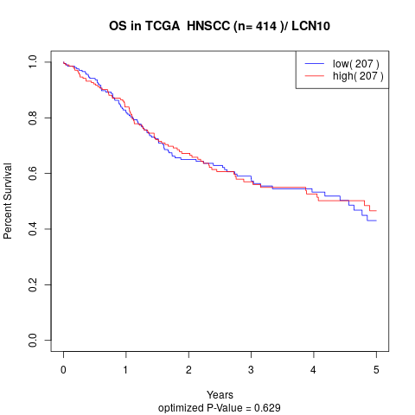

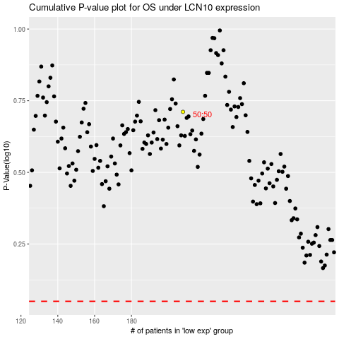

 |  |  |  |  |  | cases_OS | p_OS | rank | exp
 |  |  |  |  |  |  | cases_RFS | p_RFS | rank | exp

