LCP2 _multivariate
Reported by Tex Li-Hsing Chi. tex@gate.sinica.edu.tw 2019-08-18

Table 2. The clinicopathological features of HNSCC cohort and LCP2 expression. (Chi square test)
Cutoff at -0.297 (49.8%)
 |  | LCP2 expression |  | LCP2 expression |  | (Optimised)
 | Features | Low | (%) | High | (%) | Case no | P-value | Remark | Matthews
Gender | Female | 160 | 38.6 | 146 | 35.2 | 415 | 0.1254 | 0 | 0
2 | Male | 47 | 11.3 | 62 | 14.9
Age at diagnosis | <=65y | 145 | 34.9 | 129 | 31.1 | 415 | 0.1046 | 0 | 0
4 | >65y | 62 | 14.9 | 79 | 19
Clinical T Status | T1+T2 | 70 | 16.9 | 79 | 19 | 415 | 0.4343 | 0 | 0
6 | T3+T4 | 137 | 33 | 129 | 31.1
Clinical N Status | N0 | 116 | 28 | 100 | 24.1 | 415 | 0.1273 | 1 | 0
8 | N1-3 | 91 | 21.9 | 108 | 26
Clinical M Status | M0 | 206 | 49.6 | 206 | 49.6 | 415 | 1 | 0 | 0
10 | M1 | 1 | 0.2 | 2 | 0.5
Clinical Stage | Stage I+II | 49 | 11.8 | 53 | 12.8 | 415 | 0.7535 | 0 | 0
12 | Stage III+IV | 158 | 38.1 | 155 | 37.3
Surgical Margin status | Negative | 158 | 38.1 | 160 | 38.6 | 415 | 0.9081 | 0 | 0
14 | Positive | 49 | 11.8 | 48 | 11.6
Tobacco Exposure | Low | 76 | 18.3 | 85 | 20.5 | 415 | 0.4207 | 0 | 0
16 | High | 131 | 31.6 | 123 | 29.6

Table 3. Univariate/Multivariate Cox's proportional hazards regression analyses on OS time of LCP2 gene expression in HNSCC

 |  | Univariate |  |  |  | Multivariate
 | Features | HR | CI95%(L) | CI95%(H) | P-value | HR | CI95%(L) | CI95%(H) | P-value
1 | Female | 1 |  |  |  | 1
Gender | Male | 1.157 | 0.843 | 1.587 | 0.367 | 1.204 | 0.862 | 1.683 | 0.276
11 | <=65y | 1 |  |  |  | 1
Age at diagnosis | >65y | 1.329 | 0.99 | 1.784 | 0.058 | 1.395 | 1.027 | 1.897 | 0.033
12 | T1+T2 | 1 |  |  |  | 1
Clinical T Status | T3+T4 | 1.409 | 1.028 | 1.931 | 0.033 | 2.196 | 1.161 | 4.153 | 0.016
13 | N0 | 1 |  |  |  | 1
Clinical N Status | N1-3 | 1.185 | 0.89 | 1.577 | 0.246 | 1.248 | 0.874 | 1.782 | 0.223
14 | M0 | 1 |  |  |  | 1
Clinical M Status | M1 | 4.097 | 1.009 | 16.644 | 0.049 | 9.419 | 2.055 | 43.176 | 0.004
15 | Stage I+II | 1 |  |  |  | 1
Clinical Stage | Stage III+IV | 1.245 | 0.882 | 1.759 | 0.213 | 0.504 | 0.235 | 1.081 | 0.078
16 | Negative | 1 |  |  |  | 1
Surgical Margin status | Positive | 1.591 | 1.155 | 2.191 | 0.004 | 1.673 | 1.211 | 2.312 | 0.002
17 | Low | 1 |  |  |  | 1
Tobacco Exposure | High | 1.364 | 1.008 | 1.844 | 0.044 | 1.446 | 1.048 | 1.994 | 0.025
18 | Low | 1 |  |  |  | 1
RNAseq(z-score) | High | 0.943 | 0.707 | 1.256 | 0.687 | 0.94 | 0.703 | 1.256 | 0.674

Table 4. Univariate/Multivariate Cox's proportional hazards regression analyses on RFS time of LCP2 gene expression in HNSCC

 |  | Univariate |  |  |  | Multivariate
 | Features | HR | CI95%(L) | CI95%(H) | P-value | HR | CI95%(L) | CI95%(H) | P-value
1 | Female | 1 |  |  |  | 1
Gender | Male | 1.157 | 0.843 | 1.587 | 0.367 | 1.204 | 0.862 | 1.683 | 0.276
11 | <=65y | 1 |  |  |  | 1
Age at diagnosis | >65y | 1.329 | 0.99 | 1.784 | 0.058 | 1.395 | 1.027 | 1.897 | 0.033
12 | T1+T2 | 1 |  |  |  | 1
Clinical T Status | T3+T4 | 1.409 | 1.028 | 1.931 | 0.033 | 2.196 | 1.161 | 4.153 | 0.016
13 | N0 | 1 |  |  |  | 1
Clinical N Status | N1-3 | 1.185 | 0.89 | 1.577 | 0.246 | 1.248 | 0.874 | 1.782 | 0.223
14 | M0 | 1 |  |  |  | 1
Clinical M Status | M1 | 4.097 | 1.009 | 16.644 | 0.049 | 9.419 | 2.055 | 43.176 | 0.004
15 | Stage I+II | 1 |  |  |  | 1
Clinical Stage | Stage III+IV | 1.245 | 0.882 | 1.759 | 0.213 | 0.504 | 0.235 | 1.081 | 0.078
16 | Negative | 1 |  |  |  | 1
Surgical Margin status | Positive | 1.591 | 1.155 | 2.191 | 0.004 | 1.673 | 1.211 | 2.312 | 0.002
17 | Low | 1 |  |  |  | 1
Tobacco Exposure | High | 1.364 | 1.008 | 1.844 | 0.044 | 1.446 | 1.048 | 1.994 | 0.025
18 | Low | 1 |  |  |  | 1
RNAseq(z-score) | High | 0.943 | 0.707 | 1.256 | 0.687 | 0.94 | 0.703 | 1.256 | 0.674

Kaplan-Meier survival estimate: Cutoff at -0.297 (49.8%)



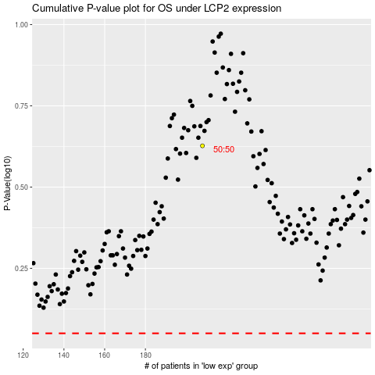

 |  |  |  |  |  | cases_OS | p_OS | rank | exp
 |  |  |  |  |  |  | cases_RFS | p_RFS | rank | exp

