LDB3 _multivariate
Reported by Tex Li-Hsing Chi. tex@gate.sinica.edu.tw 2019-08-18

Table 2. The clinicopathological features of HNSCC cohort and LDB3 expression. (Chi square test)
Cutoff at -0.182 (48.6%)
 |  | LDB3 expression |  | LDB3 expression |  | (Optimised)
 | Features | Low | (%) | High | (%) | Case no | P-value | Remark | Matthews
Gender | Female | 155 | 37.3 | 151 | 36.4 | 415 | 0.1602 | 0 | 0
2 | Male | 46 | 11.1 | 63 | 15.2
Age at diagnosis | <=65y | 125 | 30.1 | 149 | 35.9 | 415 | 0.1349 | 0 | 0
4 | >65y | 76 | 18.3 | 65 | 15.7
Clinical T Status | T1+T2 | 61 | 14.7 | 88 | 21.2 | 415 | 0.029 | 1 | 0
6 | T3+T4 | 140 | 33.7 | 126 | 30.4
Clinical N Status | N0 | 108 | 26 | 108 | 26 | 415 | 0.5708 | 0 | 0
8 | N1-3 | 93 | 22.4 | 106 | 25.5
Clinical M Status | M0 | 198 | 47.7 | 214 | 51.6 | 415 | 0.1127 | 0 | 0
10 | M1 | 3 | 0.7 | 0 | 0
Clinical Stage | Stage I+II | 39 | 9.4 | 63 | 15.2 | 415 | 0.0239 | 1 | 0
12 | Stage III+IV | 162 | 39 | 151 | 36.4
Surgical Margin status | Negative | 151 | 36.4 | 167 | 40.2 | 415 | 0.489 | 0 | 0
14 | Positive | 50 | 12 | 47 | 11.3
Tobacco Exposure | Low | 84 | 20.2 | 77 | 18.6 | 415 | 0.2286 | 0 | 0
16 | High | 117 | 28.2 | 137 | 33

Table 3. Univariate/Multivariate Cox's proportional hazards regression analyses on OS time of LDB3 gene expression in HNSCC

 |  | Univariate |  |  |  | Multivariate
 | Features | HR | CI95%(L) | CI95%(H) | P-value | HR | CI95%(L) | CI95%(H) | P-value
1 | Female | 1 |  |  |  | 1
Gender | Male | 1.157 | 0.843 | 1.587 | 0.367 | 1.173 | 0.839 | 1.64 | 0.349
11 | <=65y | 1 |  |  |  | 1
Age at diagnosis | >65y | 1.329 | 0.99 | 1.784 | 0.058 | 1.422 | 1.044 | 1.937 | 0.025
12 | T1+T2 | 1 |  |  |  | 1
Clinical T Status | T3+T4 | 1.409 | 1.028 | 1.931 | 0.033 | 2.224 | 1.176 | 4.207 | 0.014
13 | N0 | 1 |  |  |  | 1
Clinical N Status | N1-3 | 1.185 | 0.89 | 1.577 | 0.246 | 1.196 | 0.835 | 1.712 | 0.329
14 | M0 | 1 |  |  |  | 1
Clinical M Status | M1 | 4.097 | 1.009 | 16.644 | 0.049 | 11.306 | 2.442 | 52.355 | 0.002
15 | Stage I+II | 1 |  |  |  | 1
Clinical Stage | Stage III+IV | 1.245 | 0.882 | 1.759 | 0.213 | 0.539 | 0.25 | 1.16 | 0.114
16 | Negative | 1 |  |  |  | 1
Surgical Margin status | Positive | 1.591 | 1.155 | 2.191 | 0.004 | 1.668 | 1.208 | 2.305 | 0.002
17 | Low | 1 |  |  |  | 1
Tobacco Exposure | High | 1.364 | 1.008 | 1.844 | 0.044 | 1.389 | 1.007 | 1.917 | 0.046
18 | Low | 1 |  |  |  | 1
RNAseq(z-score) | High | 1.349 | 1.009 | 1.804 | 0.043 | 1.396 | 1.034 | 1.886 | 0.029

Table 4. Univariate/Multivariate Cox's proportional hazards regression analyses on RFS time of LDB3 gene expression in HNSCC

 |  | Univariate |  |  |  | Multivariate
 | Features | HR | CI95%(L) | CI95%(H) | P-value | HR | CI95%(L) | CI95%(H) | P-value
1 | Female | 1 |  |  |  | 1
Gender | Male | 1.157 | 0.843 | 1.587 | 0.367 | 1.173 | 0.839 | 1.64 | 0.349
11 | <=65y | 1 |  |  |  | 1
Age at diagnosis | >65y | 1.329 | 0.99 | 1.784 | 0.058 | 1.422 | 1.044 | 1.937 | 0.025
12 | T1+T2 | 1 |  |  |  | 1
Clinical T Status | T3+T4 | 1.409 | 1.028 | 1.931 | 0.033 | 2.224 | 1.176 | 4.207 | 0.014
13 | N0 | 1 |  |  |  | 1
Clinical N Status | N1-3 | 1.185 | 0.89 | 1.577 | 0.246 | 1.196 | 0.835 | 1.712 | 0.329
14 | M0 | 1 |  |  |  | 1
Clinical M Status | M1 | 4.097 | 1.009 | 16.644 | 0.049 | 11.306 | 2.442 | 52.355 | 0.002
15 | Stage I+II | 1 |  |  |  | 1
Clinical Stage | Stage III+IV | 1.245 | 0.882 | 1.759 | 0.213 | 0.539 | 0.25 | 1.16 | 0.114
16 | Negative | 1 |  |  |  | 1
Surgical Margin status | Positive | 1.591 | 1.155 | 2.191 | 0.004 | 1.668 | 1.208 | 2.305 | 0.002
17 | Low | 1 |  |  |  | 1
Tobacco Exposure | High | 1.364 | 1.008 | 1.844 | 0.044 | 1.389 | 1.007 | 1.917 | 0.046
18 | Low | 1 |  |  |  | 1
RNAseq(z-score) | High | 1.349 | 1.009 | 1.804 | 0.043 | 1.396 | 1.034 | 1.886 | 0.029

Kaplan-Meier survival estimate: Cutoff at -0.182 (48.6%)



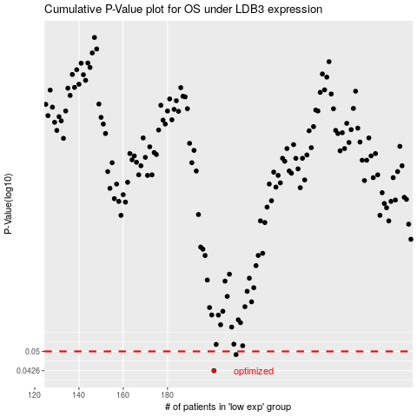

 |  |  |  |  |  | cases_OS | p_OS | rank | exp
 |  |  |  |  |  | 201 | 0.0426 | 260 | -0.18171030733
 |  |  |  |  |  | 211 | 0.0487 | 2 | -0.1814598875
 |  |  |  |  |  |  | cases_RFS | p_RFS | rank | exp
 |  |  |  |  |  |  | 200 | 0.0426 | 175 | -0.18171118547
 |  |  |  |  |  |  | 210 | 0.0487 | 22 | -0.18147228179

