LDHAL6B _multivariate
Reported by Tex Li-Hsing Chi. tex@gate.sinica.edu.tw 2019-08-18

Table 2. The clinicopathological features of HNSCC cohort and LDHAL6B expression. (Chi square test)
Cutoff at -0.161 (50.0%)
 |  | LDHAL6B expression |  | LDHAL6B expression |  | (Optimised)
 | Features | Low | (%) | High | (%) | Case no | P-value | Remark | Matthews
Gender | Female | 155 | 37.3 | 151 | 36.4 | 415 | 0.6768 | 0 | 0
2 | Male | 52 | 12.5 | 57 | 13.7
Age at diagnosis | <=65y | 143 | 34.5 | 131 | 31.6 | 415 | 0.2269 | 0 | 0
4 | >65y | 64 | 15.4 | 77 | 18.6
Clinical T Status | T1+T2 | 80 | 19.3 | 69 | 16.6 | 415 | 0.2891 | 0 | 0
6 | T3+T4 | 127 | 30.6 | 139 | 33.5
Clinical N Status | N0 | 106 | 25.5 | 110 | 26.5 | 415 | 0.8075 | 0 | 0
8 | N1-3 | 101 | 24.3 | 98 | 23.6
Clinical M Status | M0 | 206 | 49.6 | 206 | 49.6 | 415 | 1 | 0 | 0
10 | M1 | 1 | 0.2 | 2 | 0.5
Clinical Stage | Stage I+II | 50 | 12 | 52 | 12.5 | 415 | 0.9315 | 0 | 0
12 | Stage III+IV | 157 | 37.8 | 156 | 37.6
Surgical Margin status | Negative | 159 | 38.3 | 159 | 38.3 | 415 | 1 | 0 | 0
14 | Positive | 48 | 11.6 | 49 | 11.8
Tobacco Exposure | Low | 84 | 20.2 | 77 | 18.6 | 415 | 0.4816 | 0 | 0
16 | High | 123 | 29.6 | 131 | 31.6

Table 3. Univariate/Multivariate Cox's proportional hazards regression analyses on OS time of LDHAL6B gene expression in HNSCC

 |  | Univariate |  |  |  | Multivariate
 | Features | HR | CI95%(L) | CI95%(H) | P-value | HR | CI95%(L) | CI95%(H) | P-value
1 | Female | 1 |  |  |  | 1
Gender | Male | 1.157 | 0.843 | 1.587 | 0.367 | 1.206 | 0.863 | 1.686 | 0.273
11 | <=65y | 1 |  |  |  | 1
Age at diagnosis | >65y | 1.329 | 0.99 | 1.784 | 0.058 | 1.396 | 1.026 | 1.898 | 0.034
12 | T1+T2 | 1 |  |  |  | 1
Clinical T Status | T3+T4 | 1.409 | 1.028 | 1.931 | 0.033 | 2.223 | 1.173 | 4.214 | 0.014
13 | N0 | 1 |  |  |  | 1
Clinical N Status | N1-3 | 1.185 | 0.89 | 1.577 | 0.246 | 1.24 | 0.869 | 1.768 | 0.236
14 | M0 | 1 |  |  |  | 1
Clinical M Status | M1 | 4.097 | 1.009 | 16.644 | 0.049 | 9.529 | 2.074 | 43.785 | 0.004
15 | Stage I+II | 1 |  |  |  | 1
Clinical Stage | Stage III+IV | 1.245 | 0.882 | 1.759 | 0.213 | 0.501 | 0.233 | 1.077 | 0.077
16 | Negative | 1 |  |  |  | 1
Surgical Margin status | Positive | 1.591 | 1.155 | 2.191 | 0.004 | 1.668 | 1.207 | 2.305 | 0.002
17 | Low | 1 |  |  |  | 1
Tobacco Exposure | High | 1.364 | 1.008 | 1.844 | 0.044 | 1.456 | 1.056 | 2.006 | 0.022
18 | Low | 1 |  |  |  | 1
RNAseq(z-score) | High | 1.018 | 0.762 | 1.359 | 0.905 | 0.955 | 0.713 | 1.28 | 0.759

Table 4. Univariate/Multivariate Cox's proportional hazards regression analyses on RFS time of LDHAL6B gene expression in HNSCC

 |  | Univariate |  |  |  | Multivariate
 | Features | HR | CI95%(L) | CI95%(H) | P-value | HR | CI95%(L) | CI95%(H) | P-value
1 | Female | 1 |  |  |  | 1
Gender | Male | 1.157 | 0.843 | 1.587 | 0.367 | 1.206 | 0.863 | 1.686 | 0.273
11 | <=65y | 1 |  |  |  | 1
Age at diagnosis | >65y | 1.329 | 0.99 | 1.784 | 0.058 | 1.396 | 1.026 | 1.898 | 0.034
12 | T1+T2 | 1 |  |  |  | 1
Clinical T Status | T3+T4 | 1.409 | 1.028 | 1.931 | 0.033 | 2.223 | 1.173 | 4.214 | 0.014
13 | N0 | 1 |  |  |  | 1
Clinical N Status | N1-3 | 1.185 | 0.89 | 1.577 | 0.246 | 1.24 | 0.869 | 1.768 | 0.236
14 | M0 | 1 |  |  |  | 1
Clinical M Status | M1 | 4.097 | 1.009 | 16.644 | 0.049 | 9.529 | 2.074 | 43.785 | 0.004
15 | Stage I+II | 1 |  |  |  | 1
Clinical Stage | Stage III+IV | 1.245 | 0.882 | 1.759 | 0.213 | 0.501 | 0.233 | 1.077 | 0.077
16 | Negative | 1 |  |  |  | 1
Surgical Margin status | Positive | 1.591 | 1.155 | 2.191 | 0.004 | 1.668 | 1.207 | 2.305 | 0.002
17 | Low | 1 |  |  |  | 1
Tobacco Exposure | High | 1.364 | 1.008 | 1.844 | 0.044 | 1.456 | 1.056 | 2.006 | 0.022
18 | Low | 1 |  |  |  | 1
RNAseq(z-score) | High | 1.018 | 0.762 | 1.359 | 0.905 | 0.955 | 0.713 | 1.28 | 0.759

Kaplan-Meier survival estimate: Cutoff at -0.161 (50.0%)



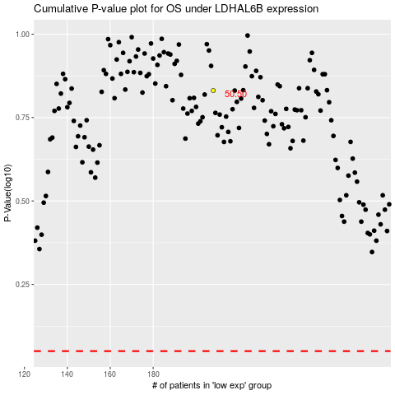

 |  |  |  |  |  | cases_OS | p_OS | rank | exp
 |  |  |  |  |  |  | cases_RFS | p_RFS | rank | exp

