LDHD _multivariate
Reported by Tex Li-Hsing Chi. tex@gate.sinica.edu.tw 2019-08-18

Table 2. The clinicopathological features of HNSCC cohort and LDHD expression. (Chi square test)
Cutoff at -0.442 (32.1%)
 |  | LDHD expression |  | LDHD expression |  | (Optimised)
 | Features | Low | (%) | High | (%) | Case no | P-value | Remark | Matthews
Gender | Female | 97 | 23.4 | 209 | 50.4 | 415 | 0.8921 | 0 | 0
2 | Male | 36 | 8.7 | 73 | 17.6
Age at diagnosis | <=65y | 89 | 21.4 | 185 | 44.6 | 415 | 0.8786 | 0 | 0
4 | >65y | 44 | 10.6 | 97 | 23.4
Clinical T Status | T1+T2 | 54 | 13 | 95 | 22.9 | 415 | 0.2075 | 0 | 0
6 | T3+T4 | 79 | 19 | 187 | 45.1
Clinical N Status | N0 | 67 | 16.1 | 149 | 35.9 | 415 | 0.7166 | 0 | 0
8 | N1-3 | 66 | 15.9 | 133 | 32
Clinical M Status | M0 | 131 | 31.6 | 281 | 67.7 | 415 | 0.2417 | 0 | 0
10 | M1 | 2 | 0.5 | 1 | 0.2
Clinical Stage | Stage I+II | 37 | 8.9 | 65 | 15.7 | 415 | 0.3518 | 0 | 0
12 | Stage III+IV | 96 | 23.1 | 217 | 52.3
Surgical Margin status | Negative | 99 | 23.9 | 219 | 52.8 | 415 | 0.5344 | 0 | 0
14 | Positive | 34 | 8.2 | 63 | 15.2
Tobacco Exposure | Low | 57 | 13.7 | 104 | 25.1 | 415 | 0.2805 | 0 | 0
16 | High | 76 | 18.3 | 178 | 42.9

Table 3. Univariate/Multivariate Cox's proportional hazards regression analyses on OS time of LDHD gene expression in HNSCC

 |  | Univariate |  |  |  | Multivariate
 | Features | HR | CI95%(L) | CI95%(H) | P-value | HR | CI95%(L) | CI95%(H) | P-value
1 | Female | 1 |  |  |  | 1
Gender | Male | 1.157 | 0.843 | 1.587 | 0.367 | 1.233 | 0.88 | 1.728 | 0.224
11 | <=65y | 1 |  |  |  | 1
Age at diagnosis | >65y | 1.329 | 0.99 | 1.784 | 0.058 | 1.358 | 0.997 | 1.85 | 0.052
12 | T1+T2 | 1 |  |  |  | 1
Clinical T Status | T3+T4 | 1.409 | 1.028 | 1.931 | 0.033 | 2.291 | 1.211 | 4.336 | 0.011
13 | N0 | 1 |  |  |  | 1
Clinical N Status | N1-3 | 1.185 | 0.89 | 1.577 | 0.246 | 1.197 | 0.839 | 1.707 | 0.322
14 | M0 | 1 |  |  |  | 1
Clinical M Status | M1 | 4.097 | 1.009 | 16.644 | 0.049 | 8.859 | 1.929 | 40.672 | 0.005
15 | Stage I+II | 1 |  |  |  | 1
Clinical Stage | Stage III+IV | 1.245 | 0.882 | 1.759 | 0.213 | 0.521 | 0.243 | 1.12 | 0.095
16 | Negative | 1 |  |  |  | 1
Surgical Margin status | Positive | 1.591 | 1.155 | 2.191 | 0.004 | 1.702 | 1.231 | 2.353 | 0.001
17 | Low | 1 |  |  |  | 1
Tobacco Exposure | High | 1.364 | 1.008 | 1.844 | 0.044 | 1.531 | 1.104 | 2.123 | 0.011
18 | Low | 1 |  |  |  | 1
RNAseq(z-score) | High | 0.742 | 0.552 | 0.999 | 0.049 | 0.68 | 0.501 | 0.923 | 0.014

Table 4. Univariate/Multivariate Cox's proportional hazards regression analyses on RFS time of LDHD gene expression in HNSCC

 |  | Univariate |  |  |  | Multivariate
 | Features | HR | CI95%(L) | CI95%(H) | P-value | HR | CI95%(L) | CI95%(H) | P-value
1 | Female | 1 |  |  |  | 1
Gender | Male | 1.157 | 0.843 | 1.587 | 0.367 | 1.233 | 0.88 | 1.728 | 0.224
11 | <=65y | 1 |  |  |  | 1
Age at diagnosis | >65y | 1.329 | 0.99 | 1.784 | 0.058 | 1.358 | 0.997 | 1.85 | 0.052
12 | T1+T2 | 1 |  |  |  | 1
Clinical T Status | T3+T4 | 1.409 | 1.028 | 1.931 | 0.033 | 2.291 | 1.211 | 4.336 | 0.011
13 | N0 | 1 |  |  |  | 1
Clinical N Status | N1-3 | 1.185 | 0.89 | 1.577 | 0.246 | 1.197 | 0.839 | 1.707 | 0.322
14 | M0 | 1 |  |  |  | 1
Clinical M Status | M1 | 4.097 | 1.009 | 16.644 | 0.049 | 8.859 | 1.929 | 40.672 | 0.005
15 | Stage I+II | 1 |  |  |  | 1
Clinical Stage | Stage III+IV | 1.245 | 0.882 | 1.759 | 0.213 | 0.521 | 0.243 | 1.12 | 0.095
16 | Negative | 1 |  |  |  | 1
Surgical Margin status | Positive | 1.591 | 1.155 | 2.191 | 0.004 | 1.702 | 1.231 | 2.353 | 0.001
17 | Low | 1 |  |  |  | 1
Tobacco Exposure | High | 1.364 | 1.008 | 1.844 | 0.044 | 1.531 | 1.104 | 2.123 | 0.011
18 | Low | 1 |  |  |  | 1
RNAseq(z-score) | High | 0.742 | 0.552 | 0.999 | 0.049 | 0.68 | 0.501 | 0.923 | 0.014

Kaplan-Meier survival estimate: Cutoff at -0.442 (32.1%)



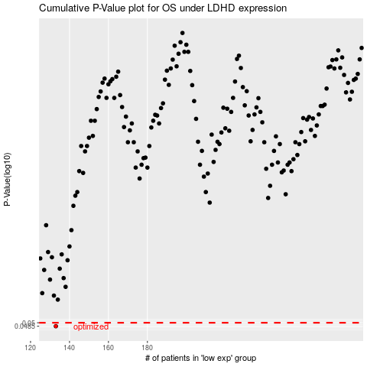

 |  |  |  |  |  | cases_OS | p_OS | rank | exp
 |  |  |  |  |  | 133 | 0.0485 | 402 | -0.44158199753
 |  |  |  |  |  |  | cases_RFS | p_RFS | rank | exp
 |  |  |  |  |  |  | 132 | 0.0485 | 137 | -0.44563214401

