LDLRAD3 _multivariate
Reported by Tex Li-Hsing Chi. tex@gate.sinica.edu.tw 2019-08-18

Table 2. The clinicopathological features of HNSCC cohort and LDLRAD3 expression. (Chi square test)
Cutoff at -0.268 (38.6%)
 |  | LDLRAD3 expression |  | LDLRAD3 expression |  | (Optimised)
 | Features | Low | (%) | High | (%) | Case no | P-value | Remark | Matthews
Gender | Female | 117 | 28.2 | 189 | 45.5 | 415 | 0.9132 | 0 | 0
2 | Male | 43 | 10.4 | 66 | 15.9
Age at diagnosis | <=65y | 109 | 26.3 | 165 | 39.8 | 415 | 0.5423 | 0 | 0
4 | >65y | 51 | 12.3 | 90 | 21.7
Clinical T Status | T1+T2 | 62 | 14.9 | 87 | 21 | 415 | 0.394 | 0 | 0
6 | T3+T4 | 98 | 23.6 | 168 | 40.5
Clinical N Status | N0 | 89 | 21.4 | 127 | 30.6 | 415 | 0.2917 | 0 | 0
8 | N1-3 | 71 | 17.1 | 128 | 30.8
Clinical M Status | M0 | 157 | 37.8 | 255 | 61.4 | 415 | 0.0566 | 0 | 0
10 | M1 | 3 | 0.7 | 0 | 0
Clinical Stage | Stage I+II | 39 | 9.4 | 63 | 15.2 | 415 | 1 | 0 | 0
12 | Stage III+IV | 121 | 29.2 | 192 | 46.3
Surgical Margin status | Negative | 123 | 29.6 | 195 | 47 | 415 | 1 | 0 | 0
14 | Positive | 37 | 8.9 | 60 | 14.5
Tobacco Exposure | Low | 60 | 14.5 | 101 | 24.3 | 415 | 0.6803 | 0 | 0
16 | High | 100 | 24.1 | 154 | 37.1

Table 3. Univariate/Multivariate Cox's proportional hazards regression analyses on OS time of LDLRAD3 gene expression in HNSCC

 |  | Univariate |  |  |  | Multivariate
 | Features | HR | CI95%(L) | CI95%(H) | P-value | HR | CI95%(L) | CI95%(H) | P-value
1 | Female | 1 |  |  |  | 1
Gender | Male | 1.157 | 0.843 | 1.587 | 0.367 | 1.148 | 0.817 | 1.613 | 0.428
11 | <=65y | 1 |  |  |  | 1
Age at diagnosis | >65y | 1.329 | 0.99 | 1.784 | 0.058 | 1.409 | 1.036 | 1.917 | 0.029
12 | T1+T2 | 1 |  |  |  | 1
Clinical T Status | T3+T4 | 1.409 | 1.028 | 1.931 | 0.033 | 2.257 | 1.192 | 4.271 | 0.012
13 | N0 | 1 |  |  |  | 1
Clinical N Status | N1-3 | 1.185 | 0.89 | 1.577 | 0.246 | 1.285 | 0.898 | 1.837 | 0.17
14 | M0 | 1 |  |  |  | 1
Clinical M Status | M1 | 4.097 | 1.009 | 16.644 | 0.049 | 8.03 | 1.734 | 37.186 | 0.008
15 | Stage I+II | 1 |  |  |  | 1
Clinical Stage | Stage III+IV | 1.245 | 0.882 | 1.759 | 0.213 | 0.485 | 0.226 | 1.043 | 0.064
16 | Negative | 1 |  |  |  | 1
Surgical Margin status | Positive | 1.591 | 1.155 | 2.191 | 0.004 | 1.641 | 1.187 | 2.269 | 0.003
17 | Low | 1 |  |  |  | 1
Tobacco Exposure | High | 1.364 | 1.008 | 1.844 | 0.044 | 1.412 | 1.022 | 1.95 | 0.036
18 | Low | 1 |  |  |  | 1
RNAseq(z-score) | High | 0.743 | 0.556 | 0.994 | 0.045 | 0.774 | 0.574 | 1.045 | 0.094

Table 4. Univariate/Multivariate Cox's proportional hazards regression analyses on RFS time of LDLRAD3 gene expression in HNSCC

 |  | Univariate |  |  |  | Multivariate
 | Features | HR | CI95%(L) | CI95%(H) | P-value | HR | CI95%(L) | CI95%(H) | P-value
1 | Female | 1 |  |  |  | 1
Gender | Male | 1.157 | 0.843 | 1.587 | 0.367 | 1.148 | 0.817 | 1.613 | 0.428
11 | <=65y | 1 |  |  |  | 1
Age at diagnosis | >65y | 1.329 | 0.99 | 1.784 | 0.058 | 1.409 | 1.036 | 1.917 | 0.029
12 | T1+T2 | 1 |  |  |  | 1
Clinical T Status | T3+T4 | 1.409 | 1.028 | 1.931 | 0.033 | 2.257 | 1.192 | 4.271 | 0.012
13 | N0 | 1 |  |  |  | 1
Clinical N Status | N1-3 | 1.185 | 0.89 | 1.577 | 0.246 | 1.285 | 0.898 | 1.837 | 0.17
14 | M0 | 1 |  |  |  | 1
Clinical M Status | M1 | 4.097 | 1.009 | 16.644 | 0.049 | 8.03 | 1.734 | 37.186 | 0.008
15 | Stage I+II | 1 |  |  |  | 1
Clinical Stage | Stage III+IV | 1.245 | 0.882 | 1.759 | 0.213 | 0.485 | 0.226 | 1.043 | 0.064
16 | Negative | 1 |  |  |  | 1
Surgical Margin status | Positive | 1.591 | 1.155 | 2.191 | 0.004 | 1.641 | 1.187 | 2.269 | 0.003
17 | Low | 1 |  |  |  | 1
Tobacco Exposure | High | 1.364 | 1.008 | 1.844 | 0.044 | 1.412 | 1.022 | 1.95 | 0.036
18 | Low | 1 |  |  |  | 1
RNAseq(z-score) | High | 0.743 | 0.556 | 0.994 | 0.045 | 0.774 | 0.574 | 1.045 | 0.094

Kaplan-Meier survival estimate: Cutoff at -0.268 (38.6%)

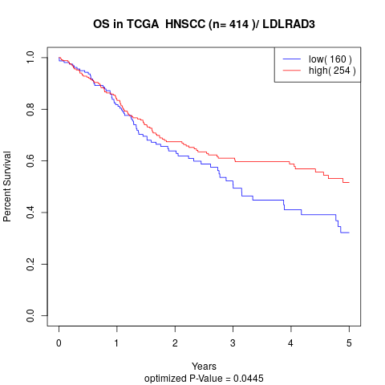

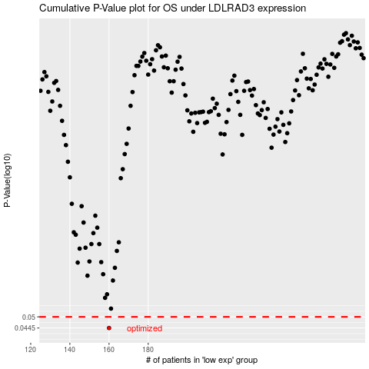

 |  |  |  |  |  | cases_OS | p_OS | rank | exp
 |  |  |  |  |  | 160 | 0.0445 | 89 | -0.26774453757
 |  |  |  |  |  |  | cases_RFS | p_RFS | rank | exp
 |  |  |  |  |  |  | 159 | 0.0445 | 250 | -0.26776891215

