LDLRAP1 _multivariate
Reported by Tex Li-Hsing Chi. tex@gate.sinica.edu.tw 2019-08-18

Table 2. The clinicopathological features of HNSCC cohort and LDLRAP1 expression. (Chi square test)
Cutoff at -0.142 (50.0%)
 |  | LDLRAP1 expression |  | LDLRAP1 expression |  | (Optimised)
 | Features | Low | (%) | High | (%) | Case no | P-value | Remark | Matthews
Gender | Female | 159 | 38.3 | 147 | 35.4 | 415 | 0.1905 | 0 | 0
2 | Male | 48 | 11.6 | 61 | 14.7
Age at diagnosis | <=65y | 140 | 33.7 | 134 | 32.3 | 415 | 0.5574 | 0 | 0
4 | >65y | 67 | 16.1 | 74 | 17.8
Clinical T Status | T1+T2 | 63 | 15.2 | 86 | 20.7 | 415 | 0.0268 | 1 | 0
6 | T3+T4 | 144 | 34.7 | 122 | 29.4
Clinical N Status | N0 | 106 | 25.5 | 110 | 26.5 | 415 | 0.8075 | 0 | 0
8 | N1-3 | 101 | 24.3 | 98 | 23.6
Clinical M Status | M0 | 207 | 49.9 | 205 | 49.4 | 415 | 0.2482 | 0 | 0
10 | M1 | 0 | 0 | 3 | 0.7
Clinical Stage | Stage I+II | 45 | 10.8 | 57 | 13.7 | 415 | 0.2202 | 0 | 0
12 | Stage III+IV | 162 | 39 | 151 | 36.4
Surgical Margin status | Negative | 160 | 38.6 | 158 | 38.1 | 415 | 0.8167 | 0 | 0
14 | Positive | 47 | 11.3 | 50 | 12
Tobacco Exposure | Low | 74 | 17.8 | 87 | 21 | 415 | 0.227 | 0 | 0
16 | High | 133 | 32 | 121 | 29.2

Table 3. Univariate/Multivariate Cox's proportional hazards regression analyses on OS time of LDLRAP1 gene expression in HNSCC

 |  | Univariate |  |  |  | Multivariate
 | Features | HR | CI95%(L) | CI95%(H) | P-value | HR | CI95%(L) | CI95%(H) | P-value
1 | Female | 1 |  |  |  | 1
Gender | Male | 1.157 | 0.843 | 1.587 | 0.367 | 1.22 | 0.871 | 1.708 | 0.247
11 | <=65y | 1 |  |  |  | 1
Age at diagnosis | >65y | 1.329 | 0.99 | 1.784 | 0.058 | 1.405 | 1.032 | 1.912 | 0.031
12 | T1+T2 | 1 |  |  |  | 1
Clinical T Status | T3+T4 | 1.409 | 1.028 | 1.931 | 0.033 | 2.122 | 1.119 | 4.026 | 0.021
13 | N0 | 1 |  |  |  | 1
Clinical N Status | N1-3 | 1.185 | 0.89 | 1.577 | 0.246 | 1.241 | 0.87 | 1.772 | 0.234
14 | M0 | 1 |  |  |  | 1
Clinical M Status | M1 | 4.097 | 1.009 | 16.644 | 0.049 | 10.014 | 2.174 | 46.119 | 0.003
15 | Stage I+II | 1 |  |  |  | 1
Clinical Stage | Stage III+IV | 1.245 | 0.882 | 1.759 | 0.213 | 0.512 | 0.238 | 1.099 | 0.086
16 | Negative | 1 |  |  |  | 1
Surgical Margin status | Positive | 1.591 | 1.155 | 2.191 | 0.004 | 1.678 | 1.214 | 2.319 | 0.002
17 | Low | 1 |  |  |  | 1
Tobacco Exposure | High | 1.364 | 1.008 | 1.844 | 0.044 | 1.455 | 1.055 | 2.007 | 0.022
18 | Low | 1 |  |  |  | 1
RNAseq(z-score) | High | 0.847 | 0.634 | 1.13 | 0.259 | 0.852 | 0.633 | 1.146 | 0.289

Table 4. Univariate/Multivariate Cox's proportional hazards regression analyses on RFS time of LDLRAP1 gene expression in HNSCC

 |  | Univariate |  |  |  | Multivariate
 | Features | HR | CI95%(L) | CI95%(H) | P-value | HR | CI95%(L) | CI95%(H) | P-value
1 | Female | 1 |  |  |  | 1
Gender | Male | 1.157 | 0.843 | 1.587 | 0.367 | 1.22 | 0.871 | 1.708 | 0.247
11 | <=65y | 1 |  |  |  | 1
Age at diagnosis | >65y | 1.329 | 0.99 | 1.784 | 0.058 | 1.405 | 1.032 | 1.912 | 0.031
12 | T1+T2 | 1 |  |  |  | 1
Clinical T Status | T3+T4 | 1.409 | 1.028 | 1.931 | 0.033 | 2.122 | 1.119 | 4.026 | 0.021
13 | N0 | 1 |  |  |  | 1
Clinical N Status | N1-3 | 1.185 | 0.89 | 1.577 | 0.246 | 1.241 | 0.87 | 1.772 | 0.234
14 | M0 | 1 |  |  |  | 1
Clinical M Status | M1 | 4.097 | 1.009 | 16.644 | 0.049 | 10.014 | 2.174 | 46.119 | 0.003
15 | Stage I+II | 1 |  |  |  | 1
Clinical Stage | Stage III+IV | 1.245 | 0.882 | 1.759 | 0.213 | 0.512 | 0.238 | 1.099 | 0.086
16 | Negative | 1 |  |  |  | 1
Surgical Margin status | Positive | 1.591 | 1.155 | 2.191 | 0.004 | 1.678 | 1.214 | 2.319 | 0.002
17 | Low | 1 |  |  |  | 1
Tobacco Exposure | High | 1.364 | 1.008 | 1.844 | 0.044 | 1.455 | 1.055 | 2.007 | 0.022
18 | Low | 1 |  |  |  | 1
RNAseq(z-score) | High | 0.847 | 0.634 | 1.13 | 0.259 | 0.852 | 0.633 | 1.146 | 0.289

Kaplan-Meier survival estimate: Cutoff at -0.142 (50.0%)



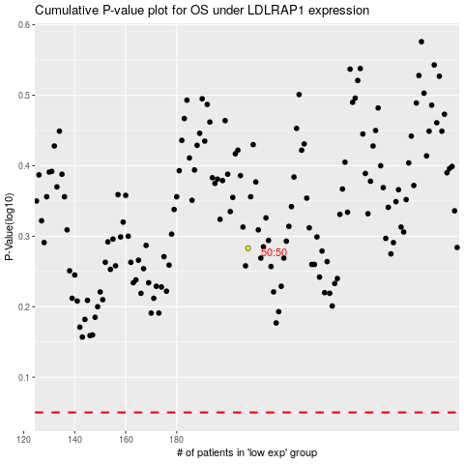

 |  |  |  |  |  | cases_OS | p_OS | rank | exp
 |  |  |  |  |  |  | cases_RFS | p_RFS | rank | exp

