LDOC1 _multivariate
Reported by Tex Li-Hsing Chi. tex@gate.sinica.edu.tw 2019-08-18

Table 2. The clinicopathological features of HNSCC cohort and LDOC1 expression. (Chi square test)
Cutoff at -0.509 (49.8%)
 |  | LDOC1 expression |  | LDOC1 expression |  | (Optimised)
 | Features | Low | (%) | High | (%) | Case no | P-value | Remark | Matthews
Gender | Female | 149 | 35.9 | 157 | 37.8 | 415 | 0.4848 | 0 | 0
2 | Male | 58 | 14 | 51 | 12.3
Age at diagnosis | <=65y | 123 | 29.6 | 151 | 36.4 | 415 | 0.0063 | 1 | 0
4 | >65y | 84 | 20.2 | 57 | 13.7
Clinical T Status | T1+T2 | 68 | 16.4 | 81 | 19.5 | 415 | 0.2336 | 0 | 0
6 | T3+T4 | 139 | 33.5 | 127 | 30.6
Clinical N Status | N0 | 112 | 27 | 104 | 25.1 | 415 | 0.4599 | 0 | 0
8 | N1-3 | 95 | 22.9 | 104 | 25.1
Clinical M Status | M0 | 206 | 49.6 | 206 | 49.6 | 415 | 1 | 0 | 0
10 | M1 | 1 | 0.2 | 2 | 0.5
Clinical Stage | Stage I+II | 49 | 11.8 | 53 | 12.8 | 415 | 0.7535 | 0 | 0
12 | Stage III+IV | 158 | 38.1 | 155 | 37.3
Surgical Margin status | Negative | 158 | 38.1 | 160 | 38.6 | 415 | 0.9081 | 0 | 0
14 | Positive | 49 | 11.8 | 48 | 11.6
Tobacco Exposure | Low | 94 | 22.7 | 67 | 16.1 | 415 | 0.0065 | 1 | 0
16 | High | 113 | 27.2 | 141 | 34

Table 3. Univariate/Multivariate Cox's proportional hazards regression analyses on OS time of LDOC1 gene expression in HNSCC

 |  | Univariate |  |  |  | Multivariate
 | Features | HR | CI95%(L) | CI95%(H) | P-value | HR | CI95%(L) | CI95%(H) | P-value
1 | Female | 1 |  |  |  | 1
Gender | Male | 1.157 | 0.843 | 1.587 | 0.367 | 1.204 | 0.861 | 1.684 | 0.278
11 | <=65y | 1 |  |  |  | 1
Age at diagnosis | >65y | 1.329 | 0.99 | 1.784 | 0.058 | 1.365 | 1.002 | 1.86 | 0.048
12 | T1+T2 | 1 |  |  |  | 1
Clinical T Status | T3+T4 | 1.409 | 1.028 | 1.931 | 0.033 | 2.203 | 1.165 | 4.168 | 0.015
13 | N0 | 1 |  |  |  | 1
Clinical N Status | N1-3 | 1.185 | 0.89 | 1.577 | 0.246 | 1.24 | 0.869 | 1.769 | 0.235
14 | M0 | 1 |  |  |  | 1
Clinical M Status | M1 | 4.097 | 1.009 | 16.644 | 0.049 | 9.646 | 2.102 | 44.265 | 0.004
15 | Stage I+II | 1 |  |  |  | 1
Clinical Stage | Stage III+IV | 1.245 | 0.882 | 1.759 | 0.213 | 0.496 | 0.231 | 1.066 | 0.073
16 | Negative | 1 |  |  |  | 1
Surgical Margin status | Positive | 1.591 | 1.155 | 2.191 | 0.004 | 1.685 | 1.219 | 2.329 | 0.002
17 | Low | 1 |  |  |  | 1
Tobacco Exposure | High | 1.364 | 1.008 | 1.844 | 0.044 | 1.489 | 1.077 | 2.06 | 0.016
18 | Low | 1 |  |  |  | 1
RNAseq(z-score) | High | 0.837 | 0.628 | 1.116 | 0.225 | 0.835 | 0.623 | 1.119 | 0.226

Table 4. Univariate/Multivariate Cox's proportional hazards regression analyses on RFS time of LDOC1 gene expression in HNSCC

 |  | Univariate |  |  |  | Multivariate
 | Features | HR | CI95%(L) | CI95%(H) | P-value | HR | CI95%(L) | CI95%(H) | P-value
1 | Female | 1 |  |  |  | 1
Gender | Male | 1.157 | 0.843 | 1.587 | 0.367 | 1.204 | 0.861 | 1.684 | 0.278
11 | <=65y | 1 |  |  |  | 1
Age at diagnosis | >65y | 1.329 | 0.99 | 1.784 | 0.058 | 1.365 | 1.002 | 1.86 | 0.048
12 | T1+T2 | 1 |  |  |  | 1
Clinical T Status | T3+T4 | 1.409 | 1.028 | 1.931 | 0.033 | 2.203 | 1.165 | 4.168 | 0.015
13 | N0 | 1 |  |  |  | 1
Clinical N Status | N1-3 | 1.185 | 0.89 | 1.577 | 0.246 | 1.24 | 0.869 | 1.769 | 0.235
14 | M0 | 1 |  |  |  | 1
Clinical M Status | M1 | 4.097 | 1.009 | 16.644 | 0.049 | 9.646 | 2.102 | 44.265 | 0.004
15 | Stage I+II | 1 |  |  |  | 1
Clinical Stage | Stage III+IV | 1.245 | 0.882 | 1.759 | 0.213 | 0.496 | 0.231 | 1.066 | 0.073
16 | Negative | 1 |  |  |  | 1
Surgical Margin status | Positive | 1.591 | 1.155 | 2.191 | 0.004 | 1.685 | 1.219 | 2.329 | 0.002
17 | Low | 1 |  |  |  | 1
Tobacco Exposure | High | 1.364 | 1.008 | 1.844 | 0.044 | 1.489 | 1.077 | 2.06 | 0.016
18 | Low | 1 |  |  |  | 1
RNAseq(z-score) | High | 0.837 | 0.628 | 1.116 | 0.225 | 0.835 | 0.623 | 1.119 | 0.226

Kaplan-Meier survival estimate: Cutoff at -0.509 (49.8%)



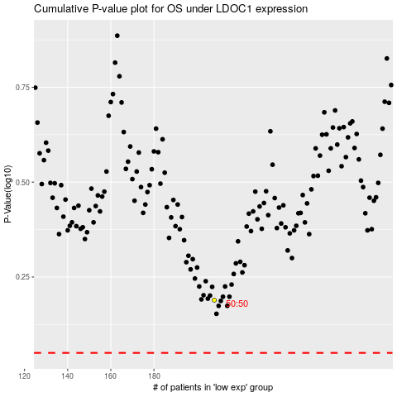

 |  |  |  |  |  | cases_OS | p_OS | rank | exp
 |  |  |  |  |  |  | cases_RFS | p_RFS | rank | exp

