LEAP2 _multivariate
Reported by Tex Li-Hsing Chi. tex@gate.sinica.edu.tw 2019-08-18

Table 2. The clinicopathological features of HNSCC cohort and LEAP2 expression. (Chi square test)
Cutoff at -0.305 (51.9%)
 |  | LEAP2 expression |  | LEAP2 expression |  | (Optimised)
 | Features | Low | (%) | High | (%) | Case no | P-value | Remark | Matthews
Gender | Female | 155 | 37.3 | 151 | 36.4 | 415 | 0.4002 | 0 | 0
2 | Male | 61 | 14.7 | 48 | 11.6
Age at diagnosis | <=65y | 133 | 32 | 141 | 34 | 415 | 0.0587 | 0 | 0
4 | >65y | 83 | 20 | 58 | 14
Clinical T Status | T1+T2 | 76 | 18.3 | 73 | 17.6 | 415 | 0.8294 | 0 | 0
6 | T3+T4 | 140 | 33.7 | 126 | 30.4
Clinical N Status | N0 | 115 | 27.7 | 101 | 24.3 | 415 | 0.6831 | 0 | 0
8 | N1-3 | 101 | 24.3 | 98 | 23.6
Clinical M Status | M0 | 216 | 52 | 196 | 47.2 | 415 | 0.1094 | 0 | 0
10 | M1 | 0 | 0 | 3 | 0.7
Clinical Stage | Stage I+II | 59 | 14.2 | 43 | 10.4 | 415 | 0.2169 | 0 | 0
12 | Stage III+IV | 157 | 37.8 | 156 | 37.6
Surgical Margin status | Negative | 168 | 40.5 | 150 | 36.1 | 415 | 0.6425 | 0 | 0
14 | Positive | 48 | 11.6 | 49 | 11.8
Tobacco Exposure | Low | 85 | 20.5 | 76 | 18.3 | 415 | 0.8405 | 0 | 0
16 | High | 131 | 31.6 | 123 | 29.6

Table 3. Univariate/Multivariate Cox's proportional hazards regression analyses on OS time of LEAP2 gene expression in HNSCC

 |  | Univariate |  |  |  | Multivariate
 | Features | HR | CI95%(L) | CI95%(H) | P-value | HR | CI95%(L) | CI95%(H) | P-value
1 | Female | 1 |  |  |  | 1
Gender | Male | 1.157 | 0.843 | 1.587 | 0.367 | 1.2 | 0.859 | 1.676 | 0.286
11 | <=65y | 1 |  |  |  | 1
Age at diagnosis | >65y | 1.329 | 0.99 | 1.784 | 0.058 | 1.378 | 1.012 | 1.877 | 0.041
12 | T1+T2 | 1 |  |  |  | 1
Clinical T Status | T3+T4 | 1.409 | 1.028 | 1.931 | 0.033 | 2.097 | 1.106 | 3.973 | 0.023
13 | N0 | 1 |  |  |  | 1
Clinical N Status | N1-3 | 1.185 | 0.89 | 1.577 | 0.246 | 1.224 | 0.857 | 1.747 | 0.266
14 | M0 | 1 |  |  |  | 1
Clinical M Status | M1 | 4.097 | 1.009 | 16.644 | 0.049 | 10.774 | 2.337 | 49.678 | 0.002
15 | Stage I+II | 1 |  |  |  | 1
Clinical Stage | Stage III+IV | 1.245 | 0.882 | 1.759 | 0.213 | 0.545 | 0.253 | 1.175 | 0.121
16 | Negative | 1 |  |  |  | 1
Surgical Margin status | Positive | 1.591 | 1.155 | 2.191 | 0.004 | 1.725 | 1.247 | 2.386 | 0.001
17 | Low | 1 |  |  |  | 1
Tobacco Exposure | High | 1.364 | 1.008 | 1.844 | 0.044 | 1.487 | 1.076 | 2.056 | 0.016
18 | Low | 1 |  |  |  | 1
RNAseq(z-score) | High | 0.747 | 0.558 | 0.998 | 0.049 | 0.726 | 0.54 | 0.977 | 0.034

Table 4. Univariate/Multivariate Cox's proportional hazards regression analyses on RFS time of LEAP2 gene expression in HNSCC

 |  | Univariate |  |  |  | Multivariate
 | Features | HR | CI95%(L) | CI95%(H) | P-value | HR | CI95%(L) | CI95%(H) | P-value
1 | Female | 1 |  |  |  | 1
Gender | Male | 1.157 | 0.843 | 1.587 | 0.367 | 1.2 | 0.859 | 1.676 | 0.286
11 | <=65y | 1 |  |  |  | 1
Age at diagnosis | >65y | 1.329 | 0.99 | 1.784 | 0.058 | 1.378 | 1.012 | 1.877 | 0.041
12 | T1+T2 | 1 |  |  |  | 1
Clinical T Status | T3+T4 | 1.409 | 1.028 | 1.931 | 0.033 | 2.097 | 1.106 | 3.973 | 0.023
13 | N0 | 1 |  |  |  | 1
Clinical N Status | N1-3 | 1.185 | 0.89 | 1.577 | 0.246 | 1.224 | 0.857 | 1.747 | 0.266
14 | M0 | 1 |  |  |  | 1
Clinical M Status | M1 | 4.097 | 1.009 | 16.644 | 0.049 | 10.774 | 2.337 | 49.678 | 0.002
15 | Stage I+II | 1 |  |  |  | 1
Clinical Stage | Stage III+IV | 1.245 | 0.882 | 1.759 | 0.213 | 0.545 | 0.253 | 1.175 | 0.121
16 | Negative | 1 |  |  |  | 1
Surgical Margin status | Positive | 1.591 | 1.155 | 2.191 | 0.004 | 1.725 | 1.247 | 2.386 | 0.001
17 | Low | 1 |  |  |  | 1
Tobacco Exposure | High | 1.364 | 1.008 | 1.844 | 0.044 | 1.487 | 1.076 | 2.056 | 0.016
18 | Low | 1 |  |  |  | 1
RNAseq(z-score) | High | 0.747 | 0.558 | 0.998 | 0.049 | 0.726 | 0.54 | 0.977 | 0.034

Kaplan-Meier survival estimate: Cutoff at -0.305 (51.9%)



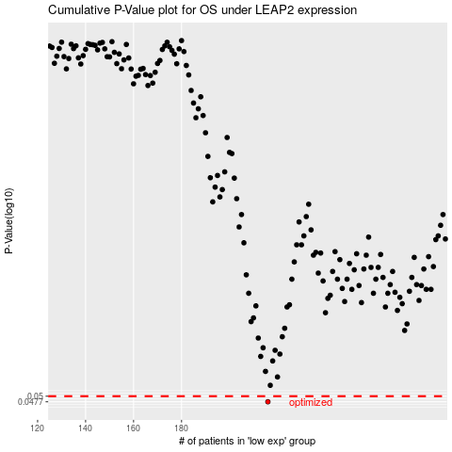

 |  |  |  |  |  | cases_OS | p_OS | rank | exp
 |  |  |  |  |  | 216 | 0.0477 | 305 | -0.30471974411
 |  |  |  |  |  |  | cases_RFS | p_RFS | rank | exp
 |  |  |  |  |  |  | 215 | 0.0477 | 23 | -0.31330727073

