LEFTY1 _multivariate
Reported by Tex Li-Hsing Chi. tex@gate.sinica.edu.tw 2019-08-18

Table 2. The clinicopathological features of HNSCC cohort and LEFTY1 expression. (Chi square test)
Cutoff at -0.065 (67.6%)
 |  | LEFTY1 expression |  | LEFTY1 expression |  | (Optimised)
 | Features | Low | (%) | High | (%) | Case no | P-value | Remark | Matthews
Gender | Female | 204 | 49.2 | 102 | 24.6 | 415 | 0.5203 | 0 | 0
2 | Male | 77 | 18.6 | 32 | 7.7
Age at diagnosis | <=65y | 181 | 43.6 | 93 | 22.4 | 415 | 0.372 | 0 | 0
4 | >65y | 100 | 24.1 | 41 | 9.9
Clinical T Status | T1+T2 | 108 | 26 | 41 | 9.9 | 415 | 0.148 | 0 | 0
6 | T3+T4 | 173 | 41.7 | 93 | 22.4
Clinical N Status | N0 | 153 | 36.9 | 63 | 15.2 | 415 | 0.1894 | 0 | 0
8 | N1-3 | 128 | 30.8 | 71 | 17.1
Clinical M Status | M0 | 278 | 67 | 134 | 32.3 | 415 | 0.5542 | 0 | 0
10 | M1 | 3 | 0.7 | 0 | 0
Clinical Stage | Stage I+II | 76 | 18.3 | 26 | 6.3 | 415 | 0.1166 | 0 | 0
12 | Stage III+IV | 205 | 49.4 | 108 | 26
Surgical Margin status | Negative | 216 | 52 | 102 | 24.6 | 415 | 0.9015 | 0 | 0
14 | Positive | 65 | 15.7 | 32 | 7.7
Tobacco Exposure | Low | 133 | 32 | 28 | 6.7 | 415 | 0 | 1 | 0
16 | High | 148 | 35.7 | 106 | 25.5

Table 3. Univariate/Multivariate Cox's proportional hazards regression analyses on OS time of LEFTY1 gene expression in HNSCC

 |  | Univariate |  |  |  | Multivariate
 | Features | HR | CI95%(L) | CI95%(H) | P-value | HR | CI95%(L) | CI95%(H) | P-value
1 | Female | 1 |  |  |  | 1
Gender | Male | 1.157 | 0.843 | 1.587 | 0.367 | 1.193 | 0.853 | 1.669 | 0.302
11 | <=65y | 1 |  |  |  | 1
Age at diagnosis | >65y | 1.329 | 0.99 | 1.784 | 0.058 | 1.38 | 1.016 | 1.875 | 0.039
12 | T1+T2 | 1 |  |  |  | 1
Clinical T Status | T3+T4 | 1.409 | 1.028 | 1.931 | 0.033 | 2.19 | 1.159 | 4.14 | 0.016
13 | N0 | 1 |  |  |  | 1
Clinical N Status | N1-3 | 1.185 | 0.89 | 1.577 | 0.246 | 1.23 | 0.861 | 1.755 | 0.255
14 | M0 | 1 |  |  |  | 1
Clinical M Status | M1 | 4.097 | 1.009 | 16.644 | 0.049 | 10.186 | 2.213 | 46.888 | 0.003
15 | Stage I+II | 1 |  |  |  | 1
Clinical Stage | Stage III+IV | 1.245 | 0.882 | 1.759 | 0.213 | 0.496 | 0.231 | 1.065 | 0.072
16 | Negative | 1 |  |  |  | 1
Surgical Margin status | Positive | 1.591 | 1.155 | 2.191 | 0.004 | 1.652 | 1.195 | 2.284 | 0.002
17 | Low | 1 |  |  |  | 1
Tobacco Exposure | High | 1.364 | 1.008 | 1.844 | 0.044 | 1.354 | 0.968 | 1.895 | 0.077
18 | Low | 1 |  |  |  | 1
RNAseq(z-score) | High | 1.391 | 1.031 | 1.876 | 0.031 | 1.258 | 0.913 | 1.731 | 0.16

Table 4. Univariate/Multivariate Cox's proportional hazards regression analyses on RFS time of LEFTY1 gene expression in HNSCC

 |  | Univariate |  |  |  | Multivariate
 | Features | HR | CI95%(L) | CI95%(H) | P-value | HR | CI95%(L) | CI95%(H) | P-value
1 | Female | 1 |  |  |  | 1
Gender | Male | 1.157 | 0.843 | 1.587 | 0.367 | 1.193 | 0.853 | 1.669 | 0.302
11 | <=65y | 1 |  |  |  | 1
Age at diagnosis | >65y | 1.329 | 0.99 | 1.784 | 0.058 | 1.38 | 1.016 | 1.875 | 0.039
12 | T1+T2 | 1 |  |  |  | 1
Clinical T Status | T3+T4 | 1.409 | 1.028 | 1.931 | 0.033 | 2.19 | 1.159 | 4.14 | 0.016
13 | N0 | 1 |  |  |  | 1
Clinical N Status | N1-3 | 1.185 | 0.89 | 1.577 | 0.246 | 1.23 | 0.861 | 1.755 | 0.255
14 | M0 | 1 |  |  |  | 1
Clinical M Status | M1 | 4.097 | 1.009 | 16.644 | 0.049 | 10.186 | 2.213 | 46.888 | 0.003
15 | Stage I+II | 1 |  |  |  | 1
Clinical Stage | Stage III+IV | 1.245 | 0.882 | 1.759 | 0.213 | 0.496 | 0.231 | 1.065 | 0.072
16 | Negative | 1 |  |  |  | 1
Surgical Margin status | Positive | 1.591 | 1.155 | 2.191 | 0.004 | 1.652 | 1.195 | 2.284 | 0.002
17 | Low | 1 |  |  |  | 1
Tobacco Exposure | High | 1.364 | 1.008 | 1.844 | 0.044 | 1.354 | 0.968 | 1.895 | 0.077
18 | Low | 1 |  |  |  | 1
RNAseq(z-score) | High | 1.391 | 1.031 | 1.876 | 0.031 | 1.258 | 0.913 | 1.731 | 0.16

Kaplan-Meier survival estimate: Cutoff at -0.065 (67.6%)

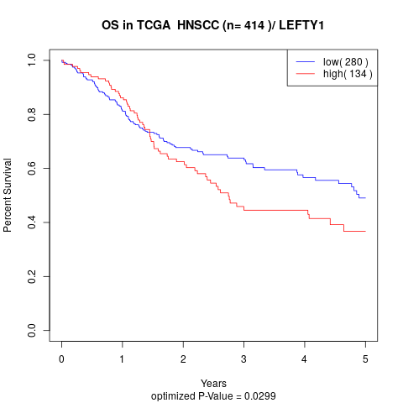

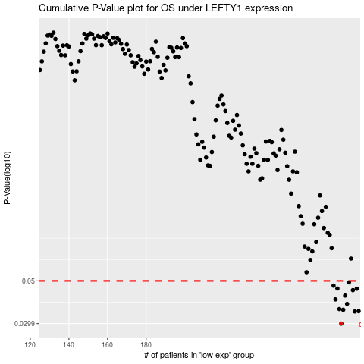

 |  |  |  |  |  | cases_OS | p_OS | rank | exp
 |  |  |  |  |  | 281 | 0.0299 | 273 | -0.065047410565
 |  |  |  |  |  | 288 | 0.0346 | 373 | -0.055327554467
 |  |  |  |  |  | 290 | 0.0347 | 166 | -0.051030666863
 |  |  |  |  |  | 282 | 0.0353 | 412 | -0.064701683976
 |  |  |  |  |  | 280 | 0.0356 | 293 | -0.065980872355
 |  |  |  |  |  | 284 | 0.0379 | 163 | -0.062084039803
 |  |  |  |  |  | 278 | 0.04 | 275 | -0.06798608657
 |  |  |  |  |  | 283 | 0.0419 | 393 | -0.063921329676
 |  |  |  |  |  | 287 | 0.0447 | 14 | -0.058108184031
 |  |  |  |  |  | 289 | 0.0455 | 151 | -0.054201473577
 |  |  |  |  |  | 279 | 0.0456 | 132 | -0.06709213639
 |  |  |  |  |  | 277 | 0.0472 | 341 | -0.069161556972
 |  |  |  |  |  | 285 | 0.0491 | 227 | -0.061511121456
 |  |  |  |  |  |  | cases_RFS | p_RFS | rank | exp
 |  |  |  |  |  |  | 280 | 0.0299 | 293 | -0.065980872355
 |  |  |  |  |  |  | 287 | 0.0346 | 14 | -0.058108184031
 |  |  |  |  |  |  | 289 | 0.0347 | 151 | -0.054201473577
 |  |  |  |  |  |  | 281 | 0.0353 | 273 | -0.065047410565
 |  |  |  |  |  |  | 279 | 0.0356 | 132 | -0.06709213639
 |  |  |  |  |  |  | 283 | 0.0379 | 393 | -0.063921329676
 |  |  |  |  |  |  | 277 | 0.04 | 341 | -0.069161556972
 |  |  |  |  |  |  | 282 | 0.0419 | 412 | -0.064701683976
 |  |  |  |  |  |  | 286 | 0.0447 | 63 | -0.059367616605
 |  |  |  |  |  |  | 288 | 0.0455 | 373 | -0.055327554467
 |  |  |  |  |  |  | 278 | 0.0456 | 275 | -0.06798608657
 |  |  |  |  |  |  | 276 | 0.0472 | 184 | -0.070262943105
 |  |  |  |  |  |  | 284 | 0.0491 | 163 | -0.062084039803

