LEKR1 _multivariate
Reported by Tex Li-Hsing Chi. tex@gate.sinica.edu.tw 2019-08-18

Table 2. The clinicopathological features of HNSCC cohort and LEKR1 expression. (Chi square test)
Cutoff at -0.359 (49.8%)
 |  | LEKR1 expression |  | LEKR1 expression |  | (Optimised)
 | Features | Low | (%) | High | (%) | Case no | P-value | Remark | Matthews
Gender | Female | 141 | 34 | 165 | 39.8 | 415 | 0.013 | 1 | 0
2 | Male | 66 | 15.9 | 43 | 10.4
Age at diagnosis | <=65y | 137 | 33 | 137 | 33 | 415 | 1 | 0 | 0
4 | >65y | 70 | 16.9 | 71 | 17.1
Clinical T Status | T1+T2 | 83 | 20 | 66 | 15.9 | 415 | 0.0941 | 0 | 0
6 | T3+T4 | 124 | 29.9 | 142 | 34.2
Clinical N Status | N0 | 107 | 25.8 | 109 | 26.3 | 415 | 0.9624 | 0 | 0
8 | N1-3 | 100 | 24.1 | 99 | 23.9
Clinical M Status | M0 | 205 | 49.4 | 207 | 49.9 | 415 | 0.6232 | 0 | 0
10 | M1 | 2 | 0.5 | 1 | 0.2
Clinical Stage | Stage I+II | 60 | 14.5 | 42 | 10.1 | 415 | 0.0493 | 1 | 0
12 | Stage III+IV | 147 | 35.4 | 166 | 40
Surgical Margin status | Negative | 165 | 39.8 | 153 | 36.9 | 415 | 0.1639 | 0 | 0
14 | Positive | 42 | 10.1 | 55 | 13.3
Tobacco Exposure | Low | 91 | 21.9 | 70 | 16.9 | 415 | 0.0346 | 1 | 0
16 | High | 116 | 28 | 138 | 33.3

Table 3. Univariate/Multivariate Cox's proportional hazards regression analyses on OS time of LEKR1 gene expression in HNSCC

 |  | Univariate |  |  |  | Multivariate
 | Features | HR | CI95%(L) | CI95%(H) | P-value | HR | CI95%(L) | CI95%(H) | P-value
1 | Female | 1 |  |  |  | 1
Gender | Male | 1.157 | 0.843 | 1.587 | 0.367 | 1.162 | 0.83 | 1.626 | 0.382
11 | <=65y | 1 |  |  |  | 1
Age at diagnosis | >65y | 1.329 | 0.99 | 1.784 | 0.058 | 1.426 | 1.048 | 1.941 | 0.024
12 | T1+T2 | 1 |  |  |  | 1
Clinical T Status | T3+T4 | 1.409 | 1.028 | 1.931 | 0.033 | 2.176 | 1.152 | 4.108 | 0.017
13 | N0 | 1 |  |  |  | 1
Clinical N Status | N1-3 | 1.185 | 0.89 | 1.577 | 0.246 | 1.225 | 0.859 | 1.747 | 0.262
14 | M0 | 1 |  |  |  | 1
Clinical M Status | M1 | 4.097 | 1.009 | 16.644 | 0.049 | 8.994 | 1.961 | 41.247 | 0.005
15 | Stage I+II | 1 |  |  |  | 1
Clinical Stage | Stage III+IV | 1.245 | 0.882 | 1.759 | 0.213 | 0.527 | 0.245 | 1.133 | 0.101
16 | Negative | 1 |  |  |  | 1
Surgical Margin status | Positive | 1.591 | 1.155 | 2.191 | 0.004 | 1.68 | 1.217 | 2.32 | 0.002
17 | Low | 1 |  |  |  | 1
Tobacco Exposure | High | 1.364 | 1.008 | 1.844 | 0.044 | 1.508 | 1.091 | 2.083 | 0.013
18 | Low | 1 |  |  |  | 1
RNAseq(z-score) | High | 0.817 | 0.613 | 1.09 | 0.169 | 0.769 | 0.572 | 1.034 | 0.082

Table 4. Univariate/Multivariate Cox's proportional hazards regression analyses on RFS time of LEKR1 gene expression in HNSCC

 |  | Univariate |  |  |  | Multivariate
 | Features | HR | CI95%(L) | CI95%(H) | P-value | HR | CI95%(L) | CI95%(H) | P-value
1 | Female | 1 |  |  |  | 1
Gender | Male | 1.157 | 0.843 | 1.587 | 0.367 | 1.162 | 0.83 | 1.626 | 0.382
11 | <=65y | 1 |  |  |  | 1
Age at diagnosis | >65y | 1.329 | 0.99 | 1.784 | 0.058 | 1.426 | 1.048 | 1.941 | 0.024
12 | T1+T2 | 1 |  |  |  | 1
Clinical T Status | T3+T4 | 1.409 | 1.028 | 1.931 | 0.033 | 2.176 | 1.152 | 4.108 | 0.017
13 | N0 | 1 |  |  |  | 1
Clinical N Status | N1-3 | 1.185 | 0.89 | 1.577 | 0.246 | 1.225 | 0.859 | 1.747 | 0.262
14 | M0 | 1 |  |  |  | 1
Clinical M Status | M1 | 4.097 | 1.009 | 16.644 | 0.049 | 8.994 | 1.961 | 41.247 | 0.005
15 | Stage I+II | 1 |  |  |  | 1
Clinical Stage | Stage III+IV | 1.245 | 0.882 | 1.759 | 0.213 | 0.527 | 0.245 | 1.133 | 0.101
16 | Negative | 1 |  |  |  | 1
Surgical Margin status | Positive | 1.591 | 1.155 | 2.191 | 0.004 | 1.68 | 1.217 | 2.32 | 0.002
17 | Low | 1 |  |  |  | 1
Tobacco Exposure | High | 1.364 | 1.008 | 1.844 | 0.044 | 1.508 | 1.091 | 2.083 | 0.013
18 | Low | 1 |  |  |  | 1
RNAseq(z-score) | High | 0.817 | 0.613 | 1.09 | 0.169 | 0.769 | 0.572 | 1.034 | 0.082

Kaplan-Meier survival estimate: Cutoff at -0.359 (49.8%)

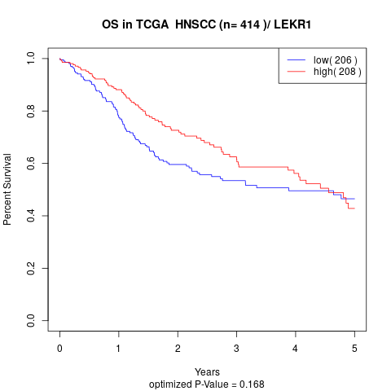

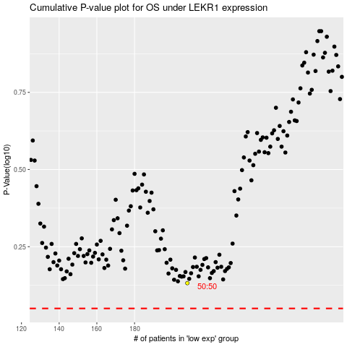

 |  |  |  |  |  | cases_OS | p_OS | rank | exp
 |  |  |  |  |  |  | cases_RFS | p_RFS | rank | exp

