LEPRE1 _multivariate
Reported by Tex Li-Hsing Chi. tex@gate.sinica.edu.tw 2019-08-18

Table 2. The clinicopathological features of HNSCC cohort and LEPRE1 expression. (Chi square test)
Cutoff at -0.164 (49.8%)
 |  | LEPRE1 expression |  | LEPRE1 expression |  | (Optimised)
 | Features | Low | (%) | High | (%) | Case no | P-value | Remark | Matthews
Gender | Female | 159 | 38.3 | 147 | 35.4 | 415 | 0.1905 | 0 | 0
2 | Male | 48 | 11.6 | 61 | 14.7
Age at diagnosis | <=65y | 136 | 32.8 | 138 | 33.3 | 415 | 0.9719 | 0 | 0
4 | >65y | 71 | 17.1 | 70 | 16.9
Clinical T Status | T1+T2 | 75 | 18.1 | 74 | 17.8 | 415 | 0.9707 | 0 | 0
6 | T3+T4 | 132 | 31.8 | 134 | 32.3
Clinical N Status | N0 | 106 | 25.5 | 110 | 26.5 | 415 | 0.8075 | 0 | 0
8 | N1-3 | 101 | 24.3 | 98 | 23.6
Clinical M Status | M0 | 205 | 49.4 | 207 | 49.9 | 415 | 0.6232 | 0 | 0
10 | M1 | 2 | 0.5 | 1 | 0.2
Clinical Stage | Stage I+II | 46 | 11.1 | 56 | 13.5 | 415 | 0.3182 | 0 | 0
12 | Stage III+IV | 161 | 38.8 | 152 | 36.6
Surgical Margin status | Negative | 155 | 37.3 | 163 | 39.3 | 415 | 0.4187 | 0 | 0
14 | Positive | 52 | 12.5 | 45 | 10.8
Tobacco Exposure | Low | 83 | 20 | 78 | 18.8 | 415 | 0.6152 | 0 | 0
16 | High | 124 | 29.9 | 130 | 31.3

Table 3. Univariate/Multivariate Cox's proportional hazards regression analyses on OS time of LEPRE1 gene expression in HNSCC

 |  | Univariate |  |  |  | Multivariate
 | Features | HR | CI95%(L) | CI95%(H) | P-value | HR | CI95%(L) | CI95%(H) | P-value
1 | Female | 1 |  |  |  | 1
Gender | Male | 1.157 | 0.843 | 1.587 | 0.367 | 1.184 | 0.847 | 1.655 | 0.322
11 | <=65y | 1 |  |  |  | 1
Age at diagnosis | >65y | 1.329 | 0.99 | 1.784 | 0.058 | 1.405 | 1.032 | 1.911 | 0.031
12 | T1+T2 | 1 |  |  |  | 1
Clinical T Status | T3+T4 | 1.409 | 1.028 | 1.931 | 0.033 | 2.145 | 1.133 | 4.064 | 0.019
13 | N0 | 1 |  |  |  | 1
Clinical N Status | N1-3 | 1.185 | 0.89 | 1.577 | 0.246 | 1.234 | 0.864 | 1.76 | 0.247
14 | M0 | 1 |  |  |  | 1
Clinical M Status | M1 | 4.097 | 1.009 | 16.644 | 0.049 | 9.267 | 2.021 | 42.481 | 0.004
15 | Stage I+II | 1 |  |  |  | 1
Clinical Stage | Stage III+IV | 1.245 | 0.882 | 1.759 | 0.213 | 0.529 | 0.245 | 1.143 | 0.105
16 | Negative | 1 |  |  |  | 1
Surgical Margin status | Positive | 1.591 | 1.155 | 2.191 | 0.004 | 1.677 | 1.214 | 2.317 | 0.002
17 | Low | 1 |  |  |  | 1
Tobacco Exposure | High | 1.364 | 1.008 | 1.844 | 0.044 | 1.437 | 1.043 | 1.981 | 0.027
18 | Low | 1 |  |  |  | 1
RNAseq(z-score) | High | 1.175 | 0.882 | 1.566 | 0.271 | 1.168 | 0.872 | 1.565 | 0.296

Table 4. Univariate/Multivariate Cox's proportional hazards regression analyses on RFS time of LEPRE1 gene expression in HNSCC

 |  | Univariate |  |  |  | Multivariate
 | Features | HR | CI95%(L) | CI95%(H) | P-value | HR | CI95%(L) | CI95%(H) | P-value
1 | Female | 1 |  |  |  | 1
Gender | Male | 1.157 | 0.843 | 1.587 | 0.367 | 1.184 | 0.847 | 1.655 | 0.322
11 | <=65y | 1 |  |  |  | 1
Age at diagnosis | >65y | 1.329 | 0.99 | 1.784 | 0.058 | 1.405 | 1.032 | 1.911 | 0.031
12 | T1+T2 | 1 |  |  |  | 1
Clinical T Status | T3+T4 | 1.409 | 1.028 | 1.931 | 0.033 | 2.145 | 1.133 | 4.064 | 0.019
13 | N0 | 1 |  |  |  | 1
Clinical N Status | N1-3 | 1.185 | 0.89 | 1.577 | 0.246 | 1.234 | 0.864 | 1.76 | 0.247
14 | M0 | 1 |  |  |  | 1
Clinical M Status | M1 | 4.097 | 1.009 | 16.644 | 0.049 | 9.267 | 2.021 | 42.481 | 0.004
15 | Stage I+II | 1 |  |  |  | 1
Clinical Stage | Stage III+IV | 1.245 | 0.882 | 1.759 | 0.213 | 0.529 | 0.245 | 1.143 | 0.105
16 | Negative | 1 |  |  |  | 1
Surgical Margin status | Positive | 1.591 | 1.155 | 2.191 | 0.004 | 1.677 | 1.214 | 2.317 | 0.002
17 | Low | 1 |  |  |  | 1
Tobacco Exposure | High | 1.364 | 1.008 | 1.844 | 0.044 | 1.437 | 1.043 | 1.981 | 0.027
18 | Low | 1 |  |  |  | 1
RNAseq(z-score) | High | 1.175 | 0.882 | 1.566 | 0.271 | 1.168 | 0.872 | 1.565 | 0.296

Kaplan-Meier survival estimate: Cutoff at -0.164 (49.8%)



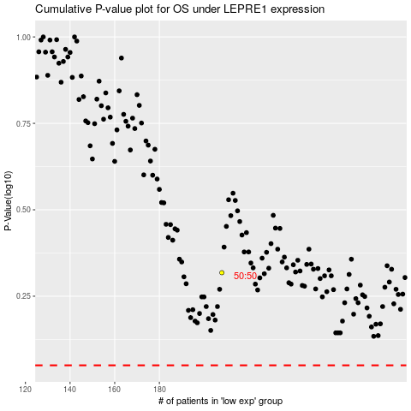

 |  |  |  |  |  | cases_OS | p_OS | rank | exp
 |  |  |  |  |  |  | cases_RFS | p_RFS | rank | exp

