LEPREL2 _multivariate
Reported by Tex Li-Hsing Chi. tex@gate.sinica.edu.tw 2019-08-18

Table 2. The clinicopathological features of HNSCC cohort and LEPREL2 expression. (Chi square test)
Cutoff at -0.207 (50.0%)
 |  | LEPREL2 expression |  | LEPREL2 expression |  | (Optimised)
 | Features | Low | (%) | High | (%) | Case no | P-value | Remark | Matthews
Gender | Female | 143 | 34.5 | 163 | 39.3 | 415 | 0.0416 | 1 | 0
2 | Male | 64 | 15.4 | 45 | 10.8
Age at diagnosis | <=65y | 135 | 32.5 | 139 | 33.5 | 415 | 0.8084 | 0 | 0
4 | >65y | 72 | 17.3 | 69 | 16.6
Clinical T Status | T1+T2 | 84 | 20.2 | 65 | 15.7 | 415 | 0.0603 | 0 | 0
6 | T3+T4 | 123 | 29.6 | 143 | 34.5
Clinical N Status | N0 | 107 | 25.8 | 109 | 26.3 | 415 | 0.9624 | 0 | 0
8 | N1-3 | 100 | 24.1 | 99 | 23.9
Clinical M Status | M0 | 204 | 49.2 | 208 | 50.1 | 415 | 0.1232 | 0 | 0
10 | M1 | 3 | 0.7 | 0 | 0
Clinical Stage | Stage I+II | 55 | 13.3 | 47 | 11.3 | 415 | 0.4087 | 0 | 0
12 | Stage III+IV | 152 | 36.6 | 161 | 38.8
Surgical Margin status | Negative | 156 | 37.6 | 162 | 39 | 415 | 0.5636 | 0 | 0
14 | Positive | 51 | 12.3 | 46 | 11.1
Tobacco Exposure | Low | 96 | 23.1 | 65 | 15.7 | 415 | 0.0018 | 1 | 0
16 | High | 111 | 26.7 | 143 | 34.5

Table 3. Univariate/Multivariate Cox's proportional hazards regression analyses on OS time of LEPREL2 gene expression in HNSCC

 |  | Univariate |  |  |  | Multivariate
 | Features | HR | CI95%(L) | CI95%(H) | P-value | HR | CI95%(L) | CI95%(H) | P-value
1 | Female | 1 |  |  |  | 1
Gender | Male | 1.157 | 0.843 | 1.587 | 0.367 | 1.211 | 0.865 | 1.695 | 0.265
11 | <=65y | 1 |  |  |  | 1
Age at diagnosis | >65y | 1.329 | 0.99 | 1.784 | 0.058 | 1.39 | 1.022 | 1.889 | 0.036
12 | T1+T2 | 1 |  |  |  | 1
Clinical T Status | T3+T4 | 1.409 | 1.028 | 1.931 | 0.033 | 2.185 | 1.154 | 4.137 | 0.016
13 | N0 | 1 |  |  |  | 1
Clinical N Status | N1-3 | 1.185 | 0.89 | 1.577 | 0.246 | 1.241 | 0.87 | 1.771 | 0.233
14 | M0 | 1 |  |  |  | 1
Clinical M Status | M1 | 4.097 | 1.009 | 16.644 | 0.049 | 9.645 | 2.093 | 44.453 | 0.004
15 | Stage I+II | 1 |  |  |  | 1
Clinical Stage | Stage III+IV | 1.245 | 0.882 | 1.759 | 0.213 | 0.506 | 0.236 | 1.086 | 0.081
16 | Negative | 1 |  |  |  | 1
Surgical Margin status | Positive | 1.591 | 1.155 | 2.191 | 0.004 | 1.675 | 1.212 | 2.315 | 0.002
17 | Low | 1 |  |  |  | 1
Tobacco Exposure | High | 1.364 | 1.008 | 1.844 | 0.044 | 1.438 | 1.04 | 1.989 | 0.028
18 | Low | 1 |  |  |  | 1
RNAseq(z-score) | High | 1.095 | 0.82 | 1.462 | 0.538 | 1.061 | 0.786 | 1.432 | 0.699

Table 4. Univariate/Multivariate Cox's proportional hazards regression analyses on RFS time of LEPREL2 gene expression in HNSCC

 |  | Univariate |  |  |  | Multivariate
 | Features | HR | CI95%(L) | CI95%(H) | P-value | HR | CI95%(L) | CI95%(H) | P-value
1 | Female | 1 |  |  |  | 1
Gender | Male | 1.157 | 0.843 | 1.587 | 0.367 | 1.211 | 0.865 | 1.695 | 0.265
11 | <=65y | 1 |  |  |  | 1
Age at diagnosis | >65y | 1.329 | 0.99 | 1.784 | 0.058 | 1.39 | 1.022 | 1.889 | 0.036
12 | T1+T2 | 1 |  |  |  | 1
Clinical T Status | T3+T4 | 1.409 | 1.028 | 1.931 | 0.033 | 2.185 | 1.154 | 4.137 | 0.016
13 | N0 | 1 |  |  |  | 1
Clinical N Status | N1-3 | 1.185 | 0.89 | 1.577 | 0.246 | 1.241 | 0.87 | 1.771 | 0.233
14 | M0 | 1 |  |  |  | 1
Clinical M Status | M1 | 4.097 | 1.009 | 16.644 | 0.049 | 9.645 | 2.093 | 44.453 | 0.004
15 | Stage I+II | 1 |  |  |  | 1
Clinical Stage | Stage III+IV | 1.245 | 0.882 | 1.759 | 0.213 | 0.506 | 0.236 | 1.086 | 0.081
16 | Negative | 1 |  |  |  | 1
Surgical Margin status | Positive | 1.591 | 1.155 | 2.191 | 0.004 | 1.675 | 1.212 | 2.315 | 0.002
17 | Low | 1 |  |  |  | 1
Tobacco Exposure | High | 1.364 | 1.008 | 1.844 | 0.044 | 1.438 | 1.04 | 1.989 | 0.028
18 | Low | 1 |  |  |  | 1
RNAseq(z-score) | High | 1.095 | 0.82 | 1.462 | 0.538 | 1.061 | 0.786 | 1.432 | 0.699

Kaplan-Meier survival estimate: Cutoff at -0.207 (50.0%)



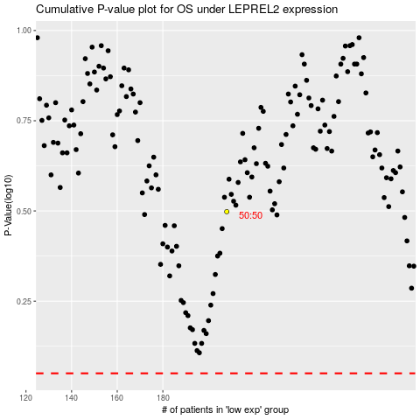

 |  |  |  |  |  | cases_OS | p_OS | rank | exp
 |  |  |  |  |  |  | cases_RFS | p_RFS | rank | exp

