LEPROT _multivariate
Reported by Tex Li-Hsing Chi. tex@gate.sinica.edu.tw 2019-08-18

Table 2. The clinicopathological features of HNSCC cohort and LEPROT expression. (Chi square test)
Cutoff at -0.173 (42.5%)
 |  | LEPROT expression |  | LEPROT expression |  | (Optimised)
 | Features | Low | (%) | High | (%) | Case no | P-value | Remark | Matthews
Gender | Female | 136 | 32.8 | 170 | 41 | 415 | 0.1962 | 0 | 0
2 | Male | 40 | 9.6 | 69 | 16.6
Age at diagnosis | <=65y | 116 | 28 | 158 | 38.1 | 415 | 1 | 0 | 0
4 | >65y | 60 | 14.5 | 81 | 19.5
Clinical T Status | T1+T2 | 58 | 14 | 91 | 21.9 | 415 | 0.3315 | 0 | 0
6 | T3+T4 | 118 | 28.4 | 148 | 35.7
Clinical N Status | N0 | 91 | 21.9 | 125 | 30.1 | 415 | 0.9834 | 0 | 0
8 | N1-3 | 85 | 20.5 | 114 | 27.5
Clinical M Status | M0 | 174 | 41.9 | 238 | 57.3 | 415 | 0.5767 | 0 | 0
10 | M1 | 2 | 0.5 | 1 | 0.2
Clinical Stage | Stage I+II | 33 | 8 | 69 | 16.6 | 415 | 0.0244 | 1 | 0
12 | Stage III+IV | 143 | 34.5 | 170 | 41
Surgical Margin status | Negative | 131 | 31.6 | 187 | 45.1 | 415 | 0.4116 | 0 | 0
14 | Positive | 45 | 10.8 | 52 | 12.5
Tobacco Exposure | Low | 65 | 15.7 | 96 | 23.1 | 415 | 0.5414 | 0 | 0
16 | High | 111 | 26.7 | 143 | 34.5

Table 3. Univariate/Multivariate Cox's proportional hazards regression analyses on OS time of LEPROT gene expression in HNSCC

 |  | Univariate |  |  |  | Multivariate
 | Features | HR | CI95%(L) | CI95%(H) | P-value | HR | CI95%(L) | CI95%(H) | P-value
1 | Female | 1 |  |  |  | 1
Gender | Male | 1.157 | 0.843 | 1.587 | 0.367 | 1.182 | 0.847 | 1.649 | 0.325
11 | <=65y | 1 |  |  |  | 1
Age at diagnosis | >65y | 1.329 | 0.99 | 1.784 | 0.058 | 1.435 | 1.054 | 1.955 | 0.022
12 | T1+T2 | 1 |  |  |  | 1
Clinical T Status | T3+T4 | 1.409 | 1.028 | 1.931 | 0.033 | 2.173 | 1.149 | 4.108 | 0.017
13 | N0 | 1 |  |  |  | 1
Clinical N Status | N1-3 | 1.185 | 0.89 | 1.577 | 0.246 | 1.236 | 0.866 | 1.765 | 0.243
14 | M0 | 1 |  |  |  | 1
Clinical M Status | M1 | 4.097 | 1.009 | 16.644 | 0.049 | 10.782 | 2.344 | 49.6 | 0.002
15 | Stage I+II | 1 |  |  |  | 1
Clinical Stage | Stage III+IV | 1.245 | 0.882 | 1.759 | 0.213 | 0.546 | 0.253 | 1.176 | 0.122
16 | Negative | 1 |  |  |  | 1
Surgical Margin status | Positive | 1.591 | 1.155 | 2.191 | 0.004 | 1.724 | 1.247 | 2.383 | 0.001
17 | Low | 1 |  |  |  | 1
Tobacco Exposure | High | 1.364 | 1.008 | 1.844 | 0.044 | 1.493 | 1.083 | 2.058 | 0.014
18 | Low | 1 |  |  |  | 1
RNAseq(z-score) | High | 1.367 | 1.013 | 1.843 | 0.041 | 1.527 | 1.124 | 2.074 | 0.007

Table 4. Univariate/Multivariate Cox's proportional hazards regression analyses on RFS time of LEPROT gene expression in HNSCC

 |  | Univariate |  |  |  | Multivariate
 | Features | HR | CI95%(L) | CI95%(H) | P-value | HR | CI95%(L) | CI95%(H) | P-value
1 | Female | 1 |  |  |  | 1
Gender | Male | 1.157 | 0.843 | 1.587 | 0.367 | 1.182 | 0.847 | 1.649 | 0.325
11 | <=65y | 1 |  |  |  | 1
Age at diagnosis | >65y | 1.329 | 0.99 | 1.784 | 0.058 | 1.435 | 1.054 | 1.955 | 0.022
12 | T1+T2 | 1 |  |  |  | 1
Clinical T Status | T3+T4 | 1.409 | 1.028 | 1.931 | 0.033 | 2.173 | 1.149 | 4.108 | 0.017
13 | N0 | 1 |  |  |  | 1
Clinical N Status | N1-3 | 1.185 | 0.89 | 1.577 | 0.246 | 1.236 | 0.866 | 1.765 | 0.243
14 | M0 | 1 |  |  |  | 1
Clinical M Status | M1 | 4.097 | 1.009 | 16.644 | 0.049 | 10.782 | 2.344 | 49.6 | 0.002
15 | Stage I+II | 1 |  |  |  | 1
Clinical Stage | Stage III+IV | 1.245 | 0.882 | 1.759 | 0.213 | 0.546 | 0.253 | 1.176 | 0.122
16 | Negative | 1 |  |  |  | 1
Surgical Margin status | Positive | 1.591 | 1.155 | 2.191 | 0.004 | 1.724 | 1.247 | 2.383 | 0.001
17 | Low | 1 |  |  |  | 1
Tobacco Exposure | High | 1.364 | 1.008 | 1.844 | 0.044 | 1.493 | 1.083 | 2.058 | 0.014
18 | Low | 1 |  |  |  | 1
RNAseq(z-score) | High | 1.367 | 1.013 | 1.843 | 0.041 | 1.527 | 1.124 | 2.074 | 0.007

Kaplan-Meier survival estimate: Cutoff at -0.173 (42.5%)



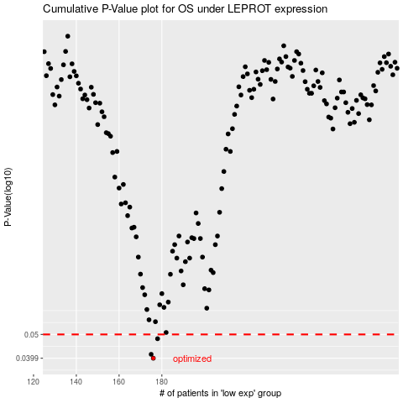

 |  |  |  |  |  | cases_OS | p_OS | rank | exp
 |  |  |  |  |  | 176 | 0.0399 | 297 | -0.17301687389
 |  |  |  |  |  | 175 | 0.0414 | 356 | -0.17341851545
 |  |  |  |  |  | 178 | 0.048 | 115 | -0.16375225467
 |  |  |  |  |  |  | cases_RFS | p_RFS | rank | exp
 |  |  |  |  |  |  | 175 | 0.0399 | 356 | -0.17341851545
 |  |  |  |  |  |  | 174 | 0.0414 | 57 | -0.17353809062
 |  |  |  |  |  |  | 177 | 0.048 | 134 | -0.17155117706

