LETMD1 _multivariate
Reported by Tex Li-Hsing Chi. tex@gate.sinica.edu.tw 2019-08-18

Table 2. The clinicopathological features of HNSCC cohort and LETMD1 expression. (Chi square test)
Cutoff at -0.269 (50.0%)
 |  | LETMD1 expression |  | LETMD1 expression |  | (Optimised)
 | Features | Low | (%) | High | (%) | Case no | P-value | Remark | Matthews
Gender | Female | 146 | 35.2 | 160 | 38.6 | 415 | 0.1714 | 0 | 0
2 | Male | 61 | 14.7 | 48 | 11.6
Age at diagnosis | <=65y | 138 | 33.3 | 136 | 32.8 | 415 | 0.8634 | 0 | 0
4 | >65y | 69 | 16.6 | 72 | 17.3
Clinical T Status | T1+T2 | 71 | 17.1 | 78 | 18.8 | 415 | 0.5638 | 0 | 0
6 | T3+T4 | 136 | 32.8 | 130 | 31.3
Clinical N Status | N0 | 107 | 25.8 | 109 | 26.3 | 415 | 0.9624 | 0 | 0
8 | N1-3 | 100 | 24.1 | 99 | 23.9
Clinical M Status | M0 | 207 | 49.9 | 205 | 49.4 | 415 | 0.2482 | 0 | 0
10 | M1 | 0 | 0 | 3 | 0.7
Clinical Stage | Stage I+II | 49 | 11.8 | 53 | 12.8 | 415 | 0.7535 | 0 | 0
12 | Stage III+IV | 158 | 38.1 | 155 | 37.3
Surgical Margin status | Negative | 170 | 41 | 148 | 35.7 | 415 | 0.0105 | 1 | 0
14 | Positive | 37 | 8.9 | 60 | 14.5
Tobacco Exposure | Low | 87 | 21 | 74 | 17.8 | 415 | 0.1911 | 0 | 0
16 | High | 120 | 28.9 | 134 | 32.3

Table 3. Univariate/Multivariate Cox's proportional hazards regression analyses on OS time of LETMD1 gene expression in HNSCC

 |  | Univariate |  |  |  | Multivariate
 | Features | HR | CI95%(L) | CI95%(H) | P-value | HR | CI95%(L) | CI95%(H) | P-value
1 | Female | 1 |  |  |  | 1
Gender | Male | 1.157 | 0.843 | 1.587 | 0.367 | 1.207 | 0.862 | 1.689 | 0.273
11 | <=65y | 1 |  |  |  | 1
Age at diagnosis | >65y | 1.329 | 0.99 | 1.784 | 0.058 | 1.388 | 1.021 | 1.889 | 0.037
12 | T1+T2 | 1 |  |  |  | 1
Clinical T Status | T3+T4 | 1.409 | 1.028 | 1.931 | 0.033 | 2.202 | 1.165 | 4.163 | 0.015
13 | N0 | 1 |  |  |  | 1
Clinical N Status | N1-3 | 1.185 | 0.89 | 1.577 | 0.246 | 1.238 | 0.867 | 1.767 | 0.24
14 | M0 | 1 |  |  |  | 1
Clinical M Status | M1 | 4.097 | 1.009 | 16.644 | 0.049 | 9.249 | 2.005 | 42.654 | 0.004
15 | Stage I+II | 1 |  |  |  | 1
Clinical Stage | Stage III+IV | 1.245 | 0.882 | 1.759 | 0.213 | 0.505 | 0.235 | 1.084 | 0.08
16 | Negative | 1 |  |  |  | 1
Surgical Margin status | Positive | 1.591 | 1.155 | 2.191 | 0.004 | 1.664 | 1.201 | 2.304 | 0.002
17 | Low | 1 |  |  |  | 1
Tobacco Exposure | High | 1.364 | 1.008 | 1.844 | 0.044 | 1.45 | 1.051 | 1.999 | 0.023
18 | Low | 1 |  |  |  | 1
RNAseq(z-score) | High | 1.125 | 0.844 | 1.5 | 0.42 | 1.037 | 0.772 | 1.393 | 0.809

Table 4. Univariate/Multivariate Cox's proportional hazards regression analyses on RFS time of LETMD1 gene expression in HNSCC

 |  | Univariate |  |  |  | Multivariate
 | Features | HR | CI95%(L) | CI95%(H) | P-value | HR | CI95%(L) | CI95%(H) | P-value
1 | Female | 1 |  |  |  | 1
Gender | Male | 1.157 | 0.843 | 1.587 | 0.367 | 1.207 | 0.862 | 1.689 | 0.273
11 | <=65y | 1 |  |  |  | 1
Age at diagnosis | >65y | 1.329 | 0.99 | 1.784 | 0.058 | 1.388 | 1.021 | 1.889 | 0.037
12 | T1+T2 | 1 |  |  |  | 1
Clinical T Status | T3+T4 | 1.409 | 1.028 | 1.931 | 0.033 | 2.202 | 1.165 | 4.163 | 0.015
13 | N0 | 1 |  |  |  | 1
Clinical N Status | N1-3 | 1.185 | 0.89 | 1.577 | 0.246 | 1.238 | 0.867 | 1.767 | 0.24
14 | M0 | 1 |  |  |  | 1
Clinical M Status | M1 | 4.097 | 1.009 | 16.644 | 0.049 | 9.249 | 2.005 | 42.654 | 0.004
15 | Stage I+II | 1 |  |  |  | 1
Clinical Stage | Stage III+IV | 1.245 | 0.882 | 1.759 | 0.213 | 0.505 | 0.235 | 1.084 | 0.08
16 | Negative | 1 |  |  |  | 1
Surgical Margin status | Positive | 1.591 | 1.155 | 2.191 | 0.004 | 1.664 | 1.201 | 2.304 | 0.002
17 | Low | 1 |  |  |  | 1
Tobacco Exposure | High | 1.364 | 1.008 | 1.844 | 0.044 | 1.45 | 1.051 | 1.999 | 0.023
18 | Low | 1 |  |  |  | 1
RNAseq(z-score) | High | 1.125 | 0.844 | 1.5 | 0.42 | 1.037 | 0.772 | 1.393 | 0.809

Kaplan-Meier survival estimate: Cutoff at -0.269 (50.0%)



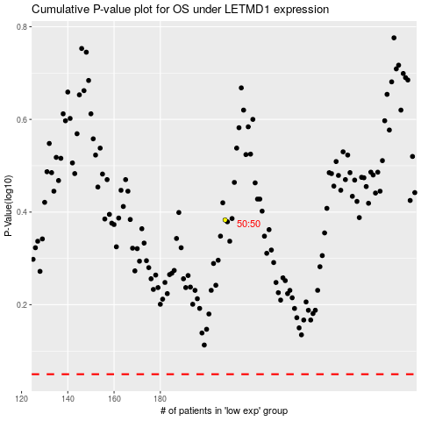

 |  |  |  |  |  | cases_OS | p_OS | rank | exp
 |  |  |  |  |  |  | cases_RFS | p_RFS | rank | exp

