LGALS12 _multivariate
Reported by Tex Li-Hsing Chi. tex@gate.sinica.edu.tw 2019-08-18

Table 2. The clinicopathological features of HNSCC cohort and LGALS12 expression. (Chi square test)
Cutoff at -0.135 (50.0%)
 |  | LGALS12 expression |  | LGALS12 expression |  | (Optimised)
 | Features | Low | (%) | High | (%) | Case no | P-value | Remark | Matthews
Gender | Female | 162 | 39 | 144 | 34.7 | 415 | 0.0479 | 1 | 0
2 | Male | 45 | 10.8 | 64 | 15.4
Age at diagnosis | <=65y | 141 | 34 | 133 | 32 | 415 | 0.4272 | 0 | 0
4 | >65y | 66 | 15.9 | 75 | 18.1
Clinical T Status | T1+T2 | 68 | 16.4 | 81 | 19.5 | 415 | 0.2336 | 0 | 0
6 | T3+T4 | 139 | 33.5 | 127 | 30.6
Clinical N Status | N0 | 101 | 24.3 | 115 | 27.7 | 415 | 0.2201 | 0 | 0
8 | N1-3 | 106 | 25.5 | 93 | 22.4
Clinical M Status | M0 | 204 | 49.2 | 208 | 50.1 | 415 | 0.1232 | 0 | 0
10 | M1 | 3 | 0.7 | 0 | 0
Clinical Stage | Stage I+II | 46 | 11.1 | 56 | 13.5 | 415 | 0.3182 | 0 | 0
12 | Stage III+IV | 161 | 38.8 | 152 | 36.6
Surgical Margin status | Negative | 154 | 37.1 | 164 | 39.5 | 415 | 0.2984 | 0 | 0
14 | Positive | 53 | 12.8 | 44 | 10.6
Tobacco Exposure | Low | 68 | 16.4 | 93 | 22.4 | 415 | 0.0156 | 1 | 0
16 | High | 139 | 33.5 | 115 | 27.7

Table 3. Univariate/Multivariate Cox's proportional hazards regression analyses on OS time of LGALS12 gene expression in HNSCC

 |  | Univariate |  |  |  | Multivariate
 | Features | HR | CI95%(L) | CI95%(H) | P-value | HR | CI95%(L) | CI95%(H) | P-value
1 | Female | 1 |  |  |  | 1
Gender | Male | 1.157 | 0.843 | 1.587 | 0.367 | 1.201 | 0.86 | 1.678 | 0.282
11 | <=65y | 1 |  |  |  | 1
Age at diagnosis | >65y | 1.329 | 0.99 | 1.784 | 0.058 | 1.395 | 1.026 | 1.896 | 0.034
12 | T1+T2 | 1 |  |  |  | 1
Clinical T Status | T3+T4 | 1.409 | 1.028 | 1.931 | 0.033 | 2.19 | 1.157 | 4.143 | 0.016
13 | N0 | 1 |  |  |  | 1
Clinical N Status | N1-3 | 1.185 | 0.89 | 1.577 | 0.246 | 1.23 | 0.86 | 1.759 | 0.256
14 | M0 | 1 |  |  |  | 1
Clinical M Status | M1 | 4.097 | 1.009 | 16.644 | 0.049 | 9.079 | 1.965 | 41.944 | 0.005
15 | Stage I+II | 1 |  |  |  | 1
Clinical Stage | Stage III+IV | 1.245 | 0.882 | 1.759 | 0.213 | 0.51 | 0.237 | 1.097 | 0.085
16 | Negative | 1 |  |  |  | 1
Surgical Margin status | Positive | 1.591 | 1.155 | 2.191 | 0.004 | 1.667 | 1.206 | 2.303 | 0.002
17 | Low | 1 |  |  |  | 1
Tobacco Exposure | High | 1.364 | 1.008 | 1.844 | 0.044 | 1.437 | 1.039 | 1.987 | 0.028
18 | Low | 1 |  |  |  | 1
RNAseq(z-score) | High | 0.851 | 0.639 | 1.134 | 0.27 | 0.936 | 0.697 | 1.257 | 0.66

Table 4. Univariate/Multivariate Cox's proportional hazards regression analyses on RFS time of LGALS12 gene expression in HNSCC

 |  | Univariate |  |  |  | Multivariate
 | Features | HR | CI95%(L) | CI95%(H) | P-value | HR | CI95%(L) | CI95%(H) | P-value
1 | Female | 1 |  |  |  | 1
Gender | Male | 1.157 | 0.843 | 1.587 | 0.367 | 1.201 | 0.86 | 1.678 | 0.282
11 | <=65y | 1 |  |  |  | 1
Age at diagnosis | >65y | 1.329 | 0.99 | 1.784 | 0.058 | 1.395 | 1.026 | 1.896 | 0.034
12 | T1+T2 | 1 |  |  |  | 1
Clinical T Status | T3+T4 | 1.409 | 1.028 | 1.931 | 0.033 | 2.19 | 1.157 | 4.143 | 0.016
13 | N0 | 1 |  |  |  | 1
Clinical N Status | N1-3 | 1.185 | 0.89 | 1.577 | 0.246 | 1.23 | 0.86 | 1.759 | 0.256
14 | M0 | 1 |  |  |  | 1
Clinical M Status | M1 | 4.097 | 1.009 | 16.644 | 0.049 | 9.079 | 1.965 | 41.944 | 0.005
15 | Stage I+II | 1 |  |  |  | 1
Clinical Stage | Stage III+IV | 1.245 | 0.882 | 1.759 | 0.213 | 0.51 | 0.237 | 1.097 | 0.085
16 | Negative | 1 |  |  |  | 1
Surgical Margin status | Positive | 1.591 | 1.155 | 2.191 | 0.004 | 1.667 | 1.206 | 2.303 | 0.002
17 | Low | 1 |  |  |  | 1
Tobacco Exposure | High | 1.364 | 1.008 | 1.844 | 0.044 | 1.437 | 1.039 | 1.987 | 0.028
18 | Low | 1 |  |  |  | 1
RNAseq(z-score) | High | 0.851 | 0.639 | 1.134 | 0.27 | 0.936 | 0.697 | 1.257 | 0.66

Kaplan-Meier survival estimate: Cutoff at -0.135 (50.0%)



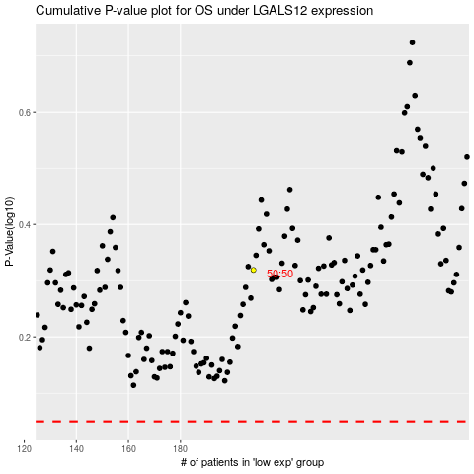

 |  |  |  |  |  | cases_OS | p_OS | rank | exp
 |  |  |  |  |  |  | cases_RFS | p_RFS | rank | exp

