LGALS3 _multivariate
Reported by Tex Li-Hsing Chi. tex@gate.sinica.edu.tw 2019-08-18

Table 2. The clinicopathological features of HNSCC cohort and LGALS3 expression. (Chi square test)
Cutoff at -0.271 (50.0%)
 |  | LGALS3 expression |  | LGALS3 expression |  | (Optimised)
 | Features | Low | (%) | High | (%) | Case no | P-value | Remark | Matthews
Gender | Female | 166 | 40 | 140 | 33.7 | 415 | 0.0041 | 1 | 0
2 | Male | 41 | 9.9 | 68 | 16.4
Age at diagnosis | <=65y | 142 | 34.2 | 132 | 31.8 | 415 | 0.3167 | 0 | 0
4 | >65y | 65 | 15.7 | 76 | 18.3
Clinical T Status | T1+T2 | 68 | 16.4 | 81 | 19.5 | 415 | 0.2336 | 0 | 0
6 | T3+T4 | 139 | 33.5 | 127 | 30.6
Clinical N Status | N0 | 110 | 26.5 | 106 | 25.5 | 415 | 0.7294 | 0 | 0
8 | N1-3 | 97 | 23.4 | 102 | 24.6
Clinical M Status | M0 | 206 | 49.6 | 206 | 49.6 | 415 | 1 | 0 | 0
10 | M1 | 1 | 0.2 | 2 | 0.5
Clinical Stage | Stage I+II | 50 | 12 | 52 | 12.5 | 415 | 0.9315 | 0 | 0
12 | Stage III+IV | 157 | 37.8 | 156 | 37.6
Surgical Margin status | Negative | 158 | 38.1 | 160 | 38.6 | 415 | 0.9081 | 0 | 0
14 | Positive | 49 | 11.8 | 48 | 11.6
Tobacco Exposure | Low | 69 | 16.6 | 92 | 22.2 | 415 | 0.0266 | 1 | 0
16 | High | 138 | 33.3 | 116 | 28

Table 3. Univariate/Multivariate Cox's proportional hazards regression analyses on OS time of LGALS3 gene expression in HNSCC

 |  | Univariate |  |  |  | Multivariate
 | Features | HR | CI95%(L) | CI95%(H) | P-value | HR | CI95%(L) | CI95%(H) | P-value
1 | Female | 1 |  |  |  | 1
Gender | Male | 1.157 | 0.843 | 1.587 | 0.367 | 1.232 | 0.878 | 1.73 | 0.227
11 | <=65y | 1 |  |  |  | 1
Age at diagnosis | >65y | 1.329 | 0.99 | 1.784 | 0.058 | 1.387 | 1.02 | 1.887 | 0.037
12 | T1+T2 | 1 |  |  |  | 1
Clinical T Status | T3+T4 | 1.409 | 1.028 | 1.931 | 0.033 | 2.168 | 1.144 | 4.105 | 0.018
13 | N0 | 1 |  |  |  | 1
Clinical N Status | N1-3 | 1.185 | 0.89 | 1.577 | 0.246 | 1.247 | 0.873 | 1.78 | 0.225
14 | M0 | 1 |  |  |  | 1
Clinical M Status | M1 | 4.097 | 1.009 | 16.644 | 0.049 | 9.682 | 2.109 | 44.448 | 0.004
15 | Stage I+II | 1 |  |  |  | 1
Clinical Stage | Stage III+IV | 1.245 | 0.882 | 1.759 | 0.213 | 0.517 | 0.24 | 1.112 | 0.091
16 | Negative | 1 |  |  |  | 1
Surgical Margin status | Positive | 1.591 | 1.155 | 2.191 | 0.004 | 1.673 | 1.21 | 2.312 | 0.002
17 | Low | 1 |  |  |  | 1
Tobacco Exposure | High | 1.364 | 1.008 | 1.844 | 0.044 | 1.447 | 1.05 | 1.994 | 0.024
18 | Low | 1 |  |  |  | 1
RNAseq(z-score) | High | 0.899 | 0.675 | 1.198 | 0.467 | 0.875 | 0.651 | 1.175 | 0.374

Table 4. Univariate/Multivariate Cox's proportional hazards regression analyses on RFS time of LGALS3 gene expression in HNSCC

 |  | Univariate |  |  |  | Multivariate
 | Features | HR | CI95%(L) | CI95%(H) | P-value | HR | CI95%(L) | CI95%(H) | P-value
1 | Female | 1 |  |  |  | 1
Gender | Male | 1.157 | 0.843 | 1.587 | 0.367 | 1.232 | 0.878 | 1.73 | 0.227
11 | <=65y | 1 |  |  |  | 1
Age at diagnosis | >65y | 1.329 | 0.99 | 1.784 | 0.058 | 1.387 | 1.02 | 1.887 | 0.037
12 | T1+T2 | 1 |  |  |  | 1
Clinical T Status | T3+T4 | 1.409 | 1.028 | 1.931 | 0.033 | 2.168 | 1.144 | 4.105 | 0.018
13 | N0 | 1 |  |  |  | 1
Clinical N Status | N1-3 | 1.185 | 0.89 | 1.577 | 0.246 | 1.247 | 0.873 | 1.78 | 0.225
14 | M0 | 1 |  |  |  | 1
Clinical M Status | M1 | 4.097 | 1.009 | 16.644 | 0.049 | 9.682 | 2.109 | 44.448 | 0.004
15 | Stage I+II | 1 |  |  |  | 1
Clinical Stage | Stage III+IV | 1.245 | 0.882 | 1.759 | 0.213 | 0.517 | 0.24 | 1.112 | 0.091
16 | Negative | 1 |  |  |  | 1
Surgical Margin status | Positive | 1.591 | 1.155 | 2.191 | 0.004 | 1.673 | 1.21 | 2.312 | 0.002
17 | Low | 1 |  |  |  | 1
Tobacco Exposure | High | 1.364 | 1.008 | 1.844 | 0.044 | 1.447 | 1.05 | 1.994 | 0.024
18 | Low | 1 |  |  |  | 1
RNAseq(z-score) | High | 0.899 | 0.675 | 1.198 | 0.467 | 0.875 | 0.651 | 1.175 | 0.374

Kaplan-Meier survival estimate: Cutoff at -0.271 (50.0%)



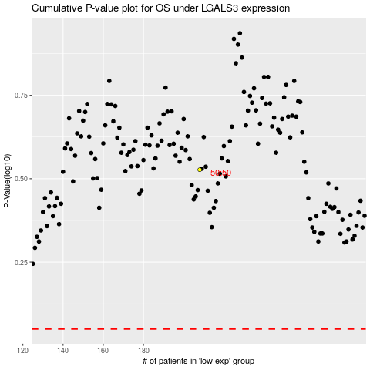

 |  |  |  |  |  | cases_OS | p_OS | rank | exp
 |  |  |  |  |  |  | cases_RFS | p_RFS | rank | exp

