LGALS7B _multivariate
Reported by Tex Li-Hsing Chi. tex@gate.sinica.edu.tw 2019-08-18

Table 2. The clinicopathological features of HNSCC cohort and LGALS7B expression. (Chi square test)
Cutoff at -0.279 (50.0%)
 |  | LGALS7B expression |  | LGALS7B expression |  | (Optimised)
 | Features | Low | (%) | High | (%) | Case no | P-value | Remark | Matthews
Gender | Female | 157 | 37.8 | 149 | 35.9 | 415 | 0.3881 | 0 | 0
2 | Male | 50 | 12 | 59 | 14.2
Age at diagnosis | <=65y | 130 | 31.3 | 144 | 34.7 | 415 | 0.2009 | 0 | 0
4 | >65y | 77 | 18.6 | 64 | 15.4
Clinical T Status | T1+T2 | 79 | 19 | 70 | 16.9 | 415 | 0.3924 | 0 | 0
6 | T3+T4 | 128 | 30.8 | 138 | 33.3
Clinical N Status | N0 | 99 | 23.9 | 117 | 28.2 | 415 | 0.1054 | 0 | 0
8 | N1-3 | 108 | 26 | 91 | 21.9
Clinical M Status | M0 | 206 | 49.6 | 206 | 49.6 | 415 | 1 | 0 | 0
10 | M1 | 1 | 0.2 | 2 | 0.5
Clinical Stage | Stage I+II | 49 | 11.8 | 53 | 12.8 | 415 | 0.7535 | 0 | 0
12 | Stage III+IV | 158 | 38.1 | 155 | 37.3
Surgical Margin status | Negative | 156 | 37.6 | 162 | 39 | 415 | 0.5636 | 0 | 0
14 | Positive | 51 | 12.3 | 46 | 11.1
Tobacco Exposure | Low | 75 | 18.1 | 86 | 20.7 | 415 | 0.3141 | 0 | 0
16 | High | 132 | 31.8 | 122 | 29.4

Table 3. Univariate/Multivariate Cox's proportional hazards regression analyses on OS time of LGALS7B gene expression in HNSCC

 |  | Univariate |  |  |  | Multivariate
 | Features | HR | CI95%(L) | CI95%(H) | P-value | HR | CI95%(L) | CI95%(H) | P-value
1 | Female | 1 |  |  |  | 1
Gender | Male | 1.157 | 0.843 | 1.587 | 0.367 | 1.22 | 0.872 | 1.706 | 0.246
11 | <=65y | 1 |  |  |  | 1
Age at diagnosis | >65y | 1.329 | 0.99 | 1.784 | 0.058 | 1.374 | 1.01 | 1.869 | 0.043
12 | T1+T2 | 1 |  |  |  | 1
Clinical T Status | T3+T4 | 1.409 | 1.028 | 1.931 | 0.033 | 2.252 | 1.189 | 4.264 | 0.013
13 | N0 | 1 |  |  |  | 1
Clinical N Status | N1-3 | 1.185 | 0.89 | 1.577 | 0.246 | 1.225 | 0.858 | 1.75 | 0.264
14 | M0 | 1 |  |  |  | 1
Clinical M Status | M1 | 4.097 | 1.009 | 16.644 | 0.049 | 10.083 | 2.184 | 46.55 | 0.003
15 | Stage I+II | 1 |  |  |  | 1
Clinical Stage | Stage III+IV | 1.245 | 0.882 | 1.759 | 0.213 | 0.496 | 0.231 | 1.065 | 0.072
16 | Negative | 1 |  |  |  | 1
Surgical Margin status | Positive | 1.591 | 1.155 | 2.191 | 0.004 | 1.664 | 1.204 | 2.299 | 0.002
17 | Low | 1 |  |  |  | 1
Tobacco Exposure | High | 1.364 | 1.008 | 1.844 | 0.044 | 1.449 | 1.052 | 1.996 | 0.023
18 | Low | 1 |  |  |  | 1
RNAseq(z-score) | High | 0.884 | 0.664 | 1.178 | 0.402 | 0.871 | 0.649 | 1.167 | 0.354

Table 4. Univariate/Multivariate Cox's proportional hazards regression analyses on RFS time of LGALS7B gene expression in HNSCC

 |  | Univariate |  |  |  | Multivariate
 | Features | HR | CI95%(L) | CI95%(H) | P-value | HR | CI95%(L) | CI95%(H) | P-value
1 | Female | 1 |  |  |  | 1
Gender | Male | 1.157 | 0.843 | 1.587 | 0.367 | 1.22 | 0.872 | 1.706 | 0.246
11 | <=65y | 1 |  |  |  | 1
Age at diagnosis | >65y | 1.329 | 0.99 | 1.784 | 0.058 | 1.374 | 1.01 | 1.869 | 0.043
12 | T1+T2 | 1 |  |  |  | 1
Clinical T Status | T3+T4 | 1.409 | 1.028 | 1.931 | 0.033 | 2.252 | 1.189 | 4.264 | 0.013
13 | N0 | 1 |  |  |  | 1
Clinical N Status | N1-3 | 1.185 | 0.89 | 1.577 | 0.246 | 1.225 | 0.858 | 1.75 | 0.264
14 | M0 | 1 |  |  |  | 1
Clinical M Status | M1 | 4.097 | 1.009 | 16.644 | 0.049 | 10.083 | 2.184 | 46.55 | 0.003
15 | Stage I+II | 1 |  |  |  | 1
Clinical Stage | Stage III+IV | 1.245 | 0.882 | 1.759 | 0.213 | 0.496 | 0.231 | 1.065 | 0.072
16 | Negative | 1 |  |  |  | 1
Surgical Margin status | Positive | 1.591 | 1.155 | 2.191 | 0.004 | 1.664 | 1.204 | 2.299 | 0.002
17 | Low | 1 |  |  |  | 1
Tobacco Exposure | High | 1.364 | 1.008 | 1.844 | 0.044 | 1.449 | 1.052 | 1.996 | 0.023
18 | Low | 1 |  |  |  | 1
RNAseq(z-score) | High | 0.884 | 0.664 | 1.178 | 0.402 | 0.871 | 0.649 | 1.167 | 0.354

Kaplan-Meier survival estimate: Cutoff at -0.279 (50.0%)



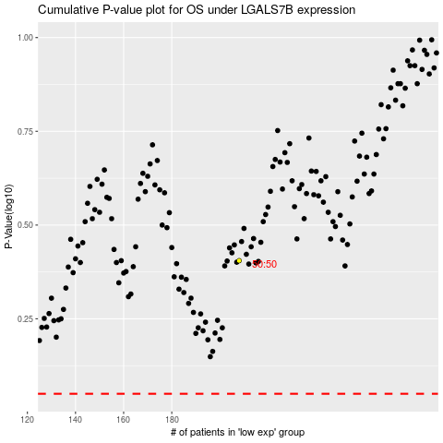

 |  |  |  |  |  | cases_OS | p_OS | rank | exp
 |  |  |  |  |  |  | cases_RFS | p_RFS | rank | exp

