LGALS9B _multivariate
Reported by Tex Li-Hsing Chi. tex@gate.sinica.edu.tw 2019-08-18

Table 2. The clinicopathological features of HNSCC cohort and LGALS9B expression. (Chi square test)
Cutoff at -0.385 (50.0%)
 |  | LGALS9B expression |  | LGALS9B expression |  | (Optimised)
 | Features | Low | (%) | High | (%) | Case no | P-value | Remark | Matthews
Gender | Female | 157 | 37.8 | 149 | 35.9 | 415 | 0.3881 | 0 | 0
2 | Male | 50 | 12 | 59 | 14.2
Age at diagnosis | <=65y | 125 | 30.1 | 149 | 35.9 | 415 | 0.0206 | 1 | 0
4 | >65y | 82 | 19.8 | 59 | 14.2
Clinical T Status | T1+T2 | 73 | 17.6 | 76 | 18.3 | 415 | 0.8666 | 0 | 0
6 | T3+T4 | 134 | 32.3 | 132 | 31.8
Clinical N Status | N0 | 102 | 24.6 | 114 | 27.5 | 415 | 0.3031 | 0 | 0
8 | N1-3 | 105 | 25.3 | 94 | 22.7
Clinical M Status | M0 | 206 | 49.6 | 206 | 49.6 | 415 | 1 | 0 | 0
10 | M1 | 1 | 0.2 | 2 | 0.5
Clinical Stage | Stage I+II | 48 | 11.6 | 54 | 13 | 415 | 0.5878 | 0 | 0
12 | Stage III+IV | 159 | 38.3 | 154 | 37.1
Surgical Margin status | Negative | 152 | 36.6 | 166 | 40 | 415 | 0.1329 | 0 | 0
14 | Positive | 55 | 13.3 | 42 | 10.1
Tobacco Exposure | Low | 73 | 17.6 | 88 | 21.2 | 415 | 0.1587 | 0 | 0
16 | High | 134 | 32.3 | 120 | 28.9

Table 3. Univariate/Multivariate Cox's proportional hazards regression analyses on OS time of LGALS9B gene expression in HNSCC

 |  | Univariate |  |  |  | Multivariate
 | Features | HR | CI95%(L) | CI95%(H) | P-value | HR | CI95%(L) | CI95%(H) | P-value
1 | Female | 1 |  |  |  | 1
Gender | Male | 1.157 | 0.843 | 1.587 | 0.367 | 1.197 | 0.857 | 1.671 | 0.291
11 | <=65y | 1 |  |  |  | 1
Age at diagnosis | >65y | 1.329 | 0.99 | 1.784 | 0.058 | 1.428 | 1.047 | 1.947 | 0.025
12 | T1+T2 | 1 |  |  |  | 1
Clinical T Status | T3+T4 | 1.409 | 1.028 | 1.931 | 0.033 | 2.196 | 1.161 | 4.154 | 0.016
13 | N0 | 1 |  |  |  | 1
Clinical N Status | N1-3 | 1.185 | 0.89 | 1.577 | 0.246 | 1.269 | 0.887 | 1.814 | 0.192
14 | M0 | 1 |  |  |  | 1
Clinical M Status | M1 | 4.097 | 1.009 | 16.644 | 0.049 | 8.876 | 1.929 | 40.849 | 0.005
15 | Stage I+II | 1 |  |  |  | 1
Clinical Stage | Stage III+IV | 1.245 | 0.882 | 1.759 | 0.213 | 0.508 | 0.236 | 1.09 | 0.082
16 | Negative | 1 |  |  |  | 1
Surgical Margin status | Positive | 1.591 | 1.155 | 2.191 | 0.004 | 1.688 | 1.221 | 2.334 | 0.002
17 | Low | 1 |  |  |  | 1
Tobacco Exposure | High | 1.364 | 1.008 | 1.844 | 0.044 | 1.461 | 1.06 | 2.013 | 0.02
18 | Low | 1 |  |  |  | 1
RNAseq(z-score) | High | 1.068 | 0.802 | 1.422 | 0.653 | 1.167 | 0.869 | 1.566 | 0.305

Table 4. Univariate/Multivariate Cox's proportional hazards regression analyses on RFS time of LGALS9B gene expression in HNSCC

 |  | Univariate |  |  |  | Multivariate
 | Features | HR | CI95%(L) | CI95%(H) | P-value | HR | CI95%(L) | CI95%(H) | P-value
1 | Female | 1 |  |  |  | 1
Gender | Male | 1.157 | 0.843 | 1.587 | 0.367 | 1.197 | 0.857 | 1.671 | 0.291
11 | <=65y | 1 |  |  |  | 1
Age at diagnosis | >65y | 1.329 | 0.99 | 1.784 | 0.058 | 1.428 | 1.047 | 1.947 | 0.025
12 | T1+T2 | 1 |  |  |  | 1
Clinical T Status | T3+T4 | 1.409 | 1.028 | 1.931 | 0.033 | 2.196 | 1.161 | 4.154 | 0.016
13 | N0 | 1 |  |  |  | 1
Clinical N Status | N1-3 | 1.185 | 0.89 | 1.577 | 0.246 | 1.269 | 0.887 | 1.814 | 0.192
14 | M0 | 1 |  |  |  | 1
Clinical M Status | M1 | 4.097 | 1.009 | 16.644 | 0.049 | 8.876 | 1.929 | 40.849 | 0.005
15 | Stage I+II | 1 |  |  |  | 1
Clinical Stage | Stage III+IV | 1.245 | 0.882 | 1.759 | 0.213 | 0.508 | 0.236 | 1.09 | 0.082
16 | Negative | 1 |  |  |  | 1
Surgical Margin status | Positive | 1.591 | 1.155 | 2.191 | 0.004 | 1.688 | 1.221 | 2.334 | 0.002
17 | Low | 1 |  |  |  | 1
Tobacco Exposure | High | 1.364 | 1.008 | 1.844 | 0.044 | 1.461 | 1.06 | 2.013 | 0.02
18 | Low | 1 |  |  |  | 1
RNAseq(z-score) | High | 1.068 | 0.802 | 1.422 | 0.653 | 1.167 | 0.869 | 1.566 | 0.305

Kaplan-Meier survival estimate: Cutoff at -0.385 (50.0%)

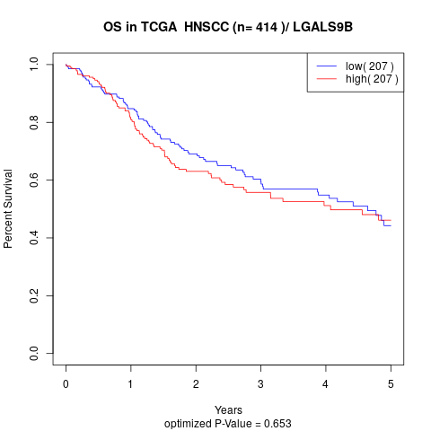

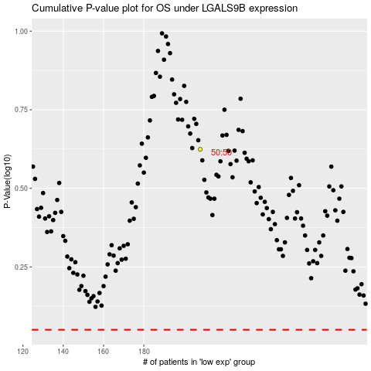

 |  |  |  |  |  | cases_OS | p_OS | rank | exp
 |  |  |  |  |  |  | cases_RFS | p_RFS | rank | exp

