LGALS9C _multivariate
Reported by Tex Li-Hsing Chi. tex@gate.sinica.edu.tw 2019-08-18

Table 2. The clinicopathological features of HNSCC cohort and LGALS9C expression. (Chi square test)
Cutoff at -0.488 (32.4%)
 |  | LGALS9C expression |  | LGALS9C expression |  | (Optimised)
 | Features | Low | (%) | High | (%) | Case no | P-value | Remark | Matthews
Gender | Female | 103 | 24.8 | 203 | 48.9 | 415 | 0.378 | 0 | 0
2 | Male | 31 | 7.5 | 78 | 18.8
Age at diagnosis | <=65y | 84 | 20.2 | 190 | 45.8 | 415 | 0.3786 | 0 | 0
4 | >65y | 50 | 12 | 91 | 21.9
Clinical T Status | T1+T2 | 48 | 11.6 | 101 | 24.3 | 415 | 1 | 0 | 0
6 | T3+T4 | 86 | 20.7 | 180 | 43.4
Clinical N Status | N0 | 72 | 17.3 | 144 | 34.7 | 415 | 0.7122 | 0 | 0
8 | N1-3 | 62 | 14.9 | 137 | 33
Clinical M Status | M0 | 134 | 32.3 | 278 | 67 | 415 | 0.5542 | 0 | 0
10 | M1 | 0 | 0 | 3 | 0.7
Clinical Stage | Stage I+II | 33 | 8 | 69 | 16.6 | 415 | 1 | 0 | 0
12 | Stage III+IV | 101 | 24.3 | 212 | 51.1
Surgical Margin status | Negative | 101 | 24.3 | 217 | 52.3 | 415 | 0.7104 | 0 | 0
14 | Positive | 33 | 8 | 64 | 15.4
Tobacco Exposure | Low | 43 | 10.4 | 118 | 28.4 | 415 | 0.0668 | 0 | 0
16 | High | 91 | 21.9 | 163 | 39.3

Table 3. Univariate/Multivariate Cox's proportional hazards regression analyses on OS time of LGALS9C gene expression in HNSCC

 |  | Univariate |  |  |  | Multivariate
 | Features | HR | CI95%(L) | CI95%(H) | P-value | HR | CI95%(L) | CI95%(H) | P-value
1 | Female | 1 |  |  |  | 1
Gender | Male | 1.157 | 0.843 | 1.587 | 0.367 | 1.23 | 0.88 | 1.718 | 0.225
11 | <=65y | 1 |  |  |  | 1
Age at diagnosis | >65y | 1.329 | 0.99 | 1.784 | 0.058 | 1.383 | 1.017 | 1.88 | 0.039
12 | T1+T2 | 1 |  |  |  | 1
Clinical T Status | T3+T4 | 1.409 | 1.028 | 1.931 | 0.033 | 2.238 | 1.185 | 4.228 | 0.013
13 | N0 | 1 |  |  |  | 1
Clinical N Status | N1-3 | 1.185 | 0.89 | 1.577 | 0.246 | 1.23 | 0.862 | 1.756 | 0.254
14 | M0 | 1 |  |  |  | 1
Clinical M Status | M1 | 4.097 | 1.009 | 16.644 | 0.049 | 10.826 | 2.344 | 49.996 | 0.002
15 | Stage I+II | 1 |  |  |  | 1
Clinical Stage | Stage III+IV | 1.245 | 0.882 | 1.759 | 0.213 | 0.499 | 0.232 | 1.071 | 0.074
16 | Negative | 1 |  |  |  | 1
Surgical Margin status | Positive | 1.591 | 1.155 | 2.191 | 0.004 | 1.656 | 1.199 | 2.289 | 0.002
17 | Low | 1 |  |  |  | 1
Tobacco Exposure | High | 1.364 | 1.008 | 1.844 | 0.044 | 1.469 | 1.066 | 2.026 | 0.019
18 | Low | 1 |  |  |  | 1
RNAseq(z-score) | High | 0.738 | 0.549 | 0.991 | 0.044 | 0.727 | 0.539 | 0.979 | 0.036

Table 4. Univariate/Multivariate Cox's proportional hazards regression analyses on RFS time of LGALS9C gene expression in HNSCC

 |  | Univariate |  |  |  | Multivariate
 | Features | HR | CI95%(L) | CI95%(H) | P-value | HR | CI95%(L) | CI95%(H) | P-value
1 | Female | 1 |  |  |  | 1
Gender | Male | 1.157 | 0.843 | 1.587 | 0.367 | 1.23 | 0.88 | 1.718 | 0.225
11 | <=65y | 1 |  |  |  | 1
Age at diagnosis | >65y | 1.329 | 0.99 | 1.784 | 0.058 | 1.383 | 1.017 | 1.88 | 0.039
12 | T1+T2 | 1 |  |  |  | 1
Clinical T Status | T3+T4 | 1.409 | 1.028 | 1.931 | 0.033 | 2.238 | 1.185 | 4.228 | 0.013
13 | N0 | 1 |  |  |  | 1
Clinical N Status | N1-3 | 1.185 | 0.89 | 1.577 | 0.246 | 1.23 | 0.862 | 1.756 | 0.254
14 | M0 | 1 |  |  |  | 1
Clinical M Status | M1 | 4.097 | 1.009 | 16.644 | 0.049 | 10.826 | 2.344 | 49.996 | 0.002
15 | Stage I+II | 1 |  |  |  | 1
Clinical Stage | Stage III+IV | 1.245 | 0.882 | 1.759 | 0.213 | 0.499 | 0.232 | 1.071 | 0.074
16 | Negative | 1 |  |  |  | 1
Surgical Margin status | Positive | 1.591 | 1.155 | 2.191 | 0.004 | 1.656 | 1.199 | 2.289 | 0.002
17 | Low | 1 |  |  |  | 1
Tobacco Exposure | High | 1.364 | 1.008 | 1.844 | 0.044 | 1.469 | 1.066 | 2.026 | 0.019
18 | Low | 1 |  |  |  | 1
RNAseq(z-score) | High | 0.738 | 0.549 | 0.991 | 0.044 | 0.727 | 0.539 | 0.979 | 0.036

Kaplan-Meier survival estimate: Cutoff at -0.488 (32.4%)



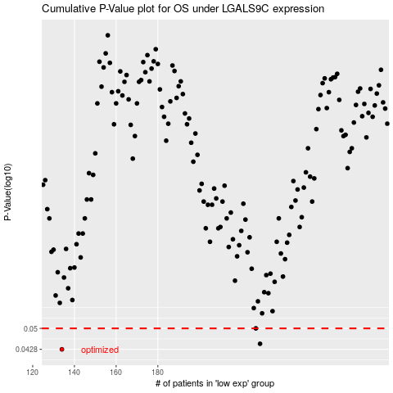

 |  |  |  |  |  | cases_OS | p_OS | rank | exp
 |  |  |  |  |  | 134 | 0.0428 | 175 | -0.48769951842
 |  |  |  |  |  | 229 | 0.0446 | 399 | -0.28384128798
 |  |  |  |  |  | 227 | 0.05 | 169 | -0.2860498902
 |  |  |  |  |  |  | cases_RFS | p_RFS | rank | exp
 |  |  |  |  |  |  | 133 | 0.0428 | 201 | -0.49215235027
 |  |  |  |  |  |  | 228 | 0.0446 | 285 | -0.2851036857
 |  |  |  |  |  |  | 226 | 0.05 | 153 | -0.28849778982

