LGMN _multivariate
Reported by Tex Li-Hsing Chi. tex@gate.sinica.edu.tw 2019-08-18

Table 2. The clinicopathological features of HNSCC cohort and LGMN expression. (Chi square test)
Cutoff at -0.541 (30.2%)
 |  | LGMN expression |  | LGMN expression |  | (Optimised)
 | Features | Low | (%) | High | (%) | Case no | P-value | Remark | Matthews
Gender | Female | 96 | 23.1 | 210 | 50.6 | 415 | 0.418 | 0 | 0
2 | Male | 29 | 7 | 80 | 19.3
Age at diagnosis | <=65y | 91 | 21.9 | 183 | 44.1 | 415 | 0.0718 | 0 | 0
4 | >65y | 34 | 8.2 | 107 | 25.8
Clinical T Status | T1+T2 | 49 | 11.8 | 100 | 24.1 | 415 | 0.4194 | 0 | 0
6 | T3+T4 | 76 | 18.3 | 190 | 45.8
Clinical N Status | N0 | 70 | 16.9 | 146 | 35.2 | 415 | 0.3417 | 0 | 0
8 | N1-3 | 55 | 13.3 | 144 | 34.7
Clinical M Status | M0 | 125 | 30.1 | 287 | 69.2 | 415 | 0.5571 | 0 | 0
10 | M1 | 0 | 0 | 3 | 0.7
Clinical Stage | Stage I+II | 34 | 8.2 | 68 | 16.4 | 415 | 0.4901 | 0 | 0
12 | Stage III+IV | 91 | 21.9 | 222 | 53.5
Surgical Margin status | Negative | 97 | 23.4 | 221 | 53.3 | 415 | 0.8014 | 0 | 0
14 | Positive | 28 | 6.7 | 69 | 16.6
Tobacco Exposure | Low | 48 | 11.6 | 113 | 27.2 | 415 | 1 | 0 | 0
16 | High | 77 | 18.6 | 177 | 42.7

Table 3. Univariate/Multivariate Cox's proportional hazards regression analyses on OS time of LGMN gene expression in HNSCC

 |  | Univariate |  |  |  | Multivariate
 | Features | HR | CI95%(L) | CI95%(H) | P-value | HR | CI95%(L) | CI95%(H) | P-value
1 | Female | 1 |  |  |  | 1
Gender | Male | 1.157 | 0.843 | 1.587 | 0.367 | 1.192 | 0.853 | 1.665 | 0.303
11 | <=65y | 1 |  |  |  | 1
Age at diagnosis | >65y | 1.329 | 0.99 | 1.784 | 0.058 | 1.356 | 0.996 | 1.846 | 0.053
12 | T1+T2 | 1 |  |  |  | 1
Clinical T Status | T3+T4 | 1.409 | 1.028 | 1.931 | 0.033 | 2.14 | 1.131 | 4.05 | 0.019
13 | N0 | 1 |  |  |  | 1
Clinical N Status | N1-3 | 1.185 | 0.89 | 1.577 | 0.246 | 1.234 | 0.865 | 1.76 | 0.247
14 | M0 | 1 |  |  |  | 1
Clinical M Status | M1 | 4.097 | 1.009 | 16.644 | 0.049 | 8.551 | 1.856 | 39.404 | 0.006
15 | Stage I+II | 1 |  |  |  | 1
Clinical Stage | Stage III+IV | 1.245 | 0.882 | 1.759 | 0.213 | 0.513 | 0.239 | 1.101 | 0.087
16 | Negative | 1 |  |  |  | 1
Surgical Margin status | Positive | 1.591 | 1.155 | 2.191 | 0.004 | 1.643 | 1.189 | 2.272 | 0.003
17 | Low | 1 |  |  |  | 1
Tobacco Exposure | High | 1.364 | 1.008 | 1.844 | 0.044 | 1.445 | 1.049 | 1.99 | 0.024
18 | Low | 1 |  |  |  | 1
RNAseq(z-score) | High | 1.415 | 1.023 | 1.958 | 0.036 | 1.259 | 0.906 | 1.75 | 0.171

Table 4. Univariate/Multivariate Cox's proportional hazards regression analyses on RFS time of LGMN gene expression in HNSCC

 |  | Univariate |  |  |  | Multivariate
 | Features | HR | CI95%(L) | CI95%(H) | P-value | HR | CI95%(L) | CI95%(H) | P-value
1 | Female | 1 |  |  |  | 1
Gender | Male | 1.157 | 0.843 | 1.587 | 0.367 | 1.192 | 0.853 | 1.665 | 0.303
11 | <=65y | 1 |  |  |  | 1
Age at diagnosis | >65y | 1.329 | 0.99 | 1.784 | 0.058 | 1.356 | 0.996 | 1.846 | 0.053
12 | T1+T2 | 1 |  |  |  | 1
Clinical T Status | T3+T4 | 1.409 | 1.028 | 1.931 | 0.033 | 2.14 | 1.131 | 4.05 | 0.019
13 | N0 | 1 |  |  |  | 1
Clinical N Status | N1-3 | 1.185 | 0.89 | 1.577 | 0.246 | 1.234 | 0.865 | 1.76 | 0.247
14 | M0 | 1 |  |  |  | 1
Clinical M Status | M1 | 4.097 | 1.009 | 16.644 | 0.049 | 8.551 | 1.856 | 39.404 | 0.006
15 | Stage I+II | 1 |  |  |  | 1
Clinical Stage | Stage III+IV | 1.245 | 0.882 | 1.759 | 0.213 | 0.513 | 0.239 | 1.101 | 0.087
16 | Negative | 1 |  |  |  | 1
Surgical Margin status | Positive | 1.591 | 1.155 | 2.191 | 0.004 | 1.643 | 1.189 | 2.272 | 0.003
17 | Low | 1 |  |  |  | 1
Tobacco Exposure | High | 1.364 | 1.008 | 1.844 | 0.044 | 1.445 | 1.049 | 1.99 | 0.024
18 | Low | 1 |  |  |  | 1
RNAseq(z-score) | High | 1.415 | 1.023 | 1.958 | 0.036 | 1.259 | 0.906 | 1.75 | 0.171

Kaplan-Meier survival estimate: Cutoff at -0.541 (30.2%)



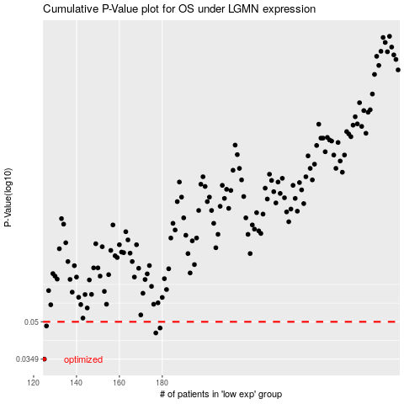

 |  |  |  |  |  | cases_OS | p_OS | rank | exp
 |  |  |  |  |  | 125 | 0.0349 | 355 | -0.5405123156
 |  |  |  |  |  | 177 | 0.0449 | 38 | -0.32679060547
 |  |  |  |  |  | 179 | 0.0471 | 2 | -0.30884122815
 |  |  |  |  |  | 126 | 0.048 | 413 | -0.53208463878
 |  |  |  |  |  |  | cases_RFS | p_RFS | rank | exp
 |  |  |  |  |  |  |  | 0.0349 | 404 | -0.54198883288
 |  |  |  |  |  |  | 176 | 0.0449 | 396 | -0.3318443766
 |  |  |  |  |  |  | 178 | 0.0471 | 406 | -0.31557772984
 |  |  |  |  |  |  | 125 | 0.048 | 355 | -0.5405123156

