LHFP _multivariate
Reported by Tex Li-Hsing Chi. tex@gate.sinica.edu.tw 2019-08-18

Table 2. The clinicopathological features of HNSCC cohort and LHFP expression. (Chi square test)
Cutoff at -0.551 (31.2%)
 |  | LHFP expression |  | LHFP expression |  | (Optimised)
 | Features | Low | (%) | High | (%) | Case no | P-value | Remark | Matthews
Gender | Female | 97 | 23.4 | 209 | 50.4 | 415 | 0.7391 | 0 | 0
2 | Male | 32 | 7.7 | 77 | 18.6
Age at diagnosis | <=65y | 79 | 19 | 195 | 47 | 415 | 0.2041 | 0 | 0
4 | >65y | 50 | 12 | 91 | 21.9
Clinical T Status | T1+T2 | 42 | 10.1 | 107 | 25.8 | 415 | 0.3989 | 0 | 0
6 | T3+T4 | 87 | 21 | 179 | 43.1
Clinical N Status | N0 | 74 | 17.8 | 142 | 34.2 | 415 | 0.1771 | 0 | 0
8 | N1-3 | 55 | 13.3 | 144 | 34.7
Clinical M Status | M0 | 128 | 30.8 | 284 | 68.4 | 415 | 1 | 0 | 0
10 | M1 | 1 | 0.2 | 2 | 0.5
Clinical Stage | Stage I+II | 30 | 7.2 | 72 | 17.3 | 415 | 0.7664 | 0 | 0
12 | Stage III+IV | 99 | 23.9 | 214 | 51.6
Surgical Margin status | Negative | 101 | 24.3 | 217 | 52.3 | 415 | 0.6185 | 0 | 0
14 | Positive | 28 | 6.7 | 69 | 16.6
Tobacco Exposure | Low | 48 | 11.6 | 113 | 27.2 | 415 | 0.6652 | 0 | 0
16 | High | 81 | 19.5 | 173 | 41.7

Table 3. Univariate/Multivariate Cox's proportional hazards regression analyses on OS time of LHFP gene expression in HNSCC

 |  | Univariate |  |  |  | Multivariate
 | Features | HR | CI95%(L) | CI95%(H) | P-value | HR | CI95%(L) | CI95%(H) | P-value
1 | Female | 1 |  |  |  | 1
Gender | Male | 1.157 | 0.843 | 1.587 | 0.367 | 1.211 | 0.865 | 1.696 | 0.264
11 | <=65y | 1 |  |  |  | 1
Age at diagnosis | >65y | 1.329 | 0.99 | 1.784 | 0.058 | 1.353 | 0.993 | 1.842 | 0.055
12 | T1+T2 | 1 |  |  |  | 1
Clinical T Status | T3+T4 | 1.409 | 1.028 | 1.931 | 0.033 | 2.155 | 1.139 | 4.08 | 0.018
13 | N0 | 1 |  |  |  | 1
Clinical N Status | N1-3 | 1.185 | 0.89 | 1.577 | 0.246 | 1.258 | 0.881 | 1.796 | 0.207
14 | M0 | 1 |  |  |  | 1
Clinical M Status | M1 | 4.097 | 1.009 | 16.644 | 0.049 | 9.475 | 2.067 | 43.428 | 0.004
15 | Stage I+II | 1 |  |  |  | 1
Clinical Stage | Stage III+IV | 1.245 | 0.882 | 1.759 | 0.213 | 0.502 | 0.234 | 1.077 | 0.077
16 | Negative | 1 |  |  |  | 1
Surgical Margin status | Positive | 1.591 | 1.155 | 2.191 | 0.004 | 1.675 | 1.212 | 2.314 | 0.002
17 | Low | 1 |  |  |  | 1
Tobacco Exposure | High | 1.364 | 1.008 | 1.844 | 0.044 | 1.438 | 1.042 | 1.984 | 0.027
18 | Low | 1 |  |  |  | 1
RNAseq(z-score) | High | 0.736 | 0.545 | 0.993 | 0.045 | 0.773 | 0.571 | 1.047 | 0.096

Table 4. Univariate/Multivariate Cox's proportional hazards regression analyses on RFS time of LHFP gene expression in HNSCC

 |  | Univariate |  |  |  | Multivariate
 | Features | HR | CI95%(L) | CI95%(H) | P-value | HR | CI95%(L) | CI95%(H) | P-value
1 | Female | 1 |  |  |  | 1
Gender | Male | 1.157 | 0.843 | 1.587 | 0.367 | 1.211 | 0.865 | 1.696 | 0.264
11 | <=65y | 1 |  |  |  | 1
Age at diagnosis | >65y | 1.329 | 0.99 | 1.784 | 0.058 | 1.353 | 0.993 | 1.842 | 0.055
12 | T1+T2 | 1 |  |  |  | 1
Clinical T Status | T3+T4 | 1.409 | 1.028 | 1.931 | 0.033 | 2.155 | 1.139 | 4.08 | 0.018
13 | N0 | 1 |  |  |  | 1
Clinical N Status | N1-3 | 1.185 | 0.89 | 1.577 | 0.246 | 1.258 | 0.881 | 1.796 | 0.207
14 | M0 | 1 |  |  |  | 1
Clinical M Status | M1 | 4.097 | 1.009 | 16.644 | 0.049 | 9.475 | 2.067 | 43.428 | 0.004
15 | Stage I+II | 1 |  |  |  | 1
Clinical Stage | Stage III+IV | 1.245 | 0.882 | 1.759 | 0.213 | 0.502 | 0.234 | 1.077 | 0.077
16 | Negative | 1 |  |  |  | 1
Surgical Margin status | Positive | 1.591 | 1.155 | 2.191 | 0.004 | 1.675 | 1.212 | 2.314 | 0.002
17 | Low | 1 |  |  |  | 1
Tobacco Exposure | High | 1.364 | 1.008 | 1.844 | 0.044 | 1.438 | 1.042 | 1.984 | 0.027
18 | Low | 1 |  |  |  | 1
RNAseq(z-score) | High | 0.736 | 0.545 | 0.993 | 0.045 | 0.773 | 0.571 | 1.047 | 0.096

Kaplan-Meier survival estimate: Cutoff at -0.551 (31.2%)



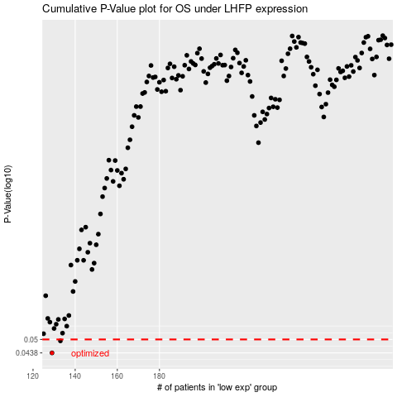

 |  |  |  |  |  | cases_OS | p_OS | rank | exp
 |  |  |  |  |  | 129 | 0.0438 | 152 | -0.55067863632
 |  |  |  |  |  | 133 | 0.0493 | 98 | -0.5405960228
 |  |  |  |  |  |  | cases_RFS | p_RFS | rank | exp
 |  |  |  |  |  |  | 128 | 0.0438 | 68 | -0.55372837468
 |  |  |  |  |  |  | 132 | 0.0493 | 202 | -0.54182970868

